Sheet1
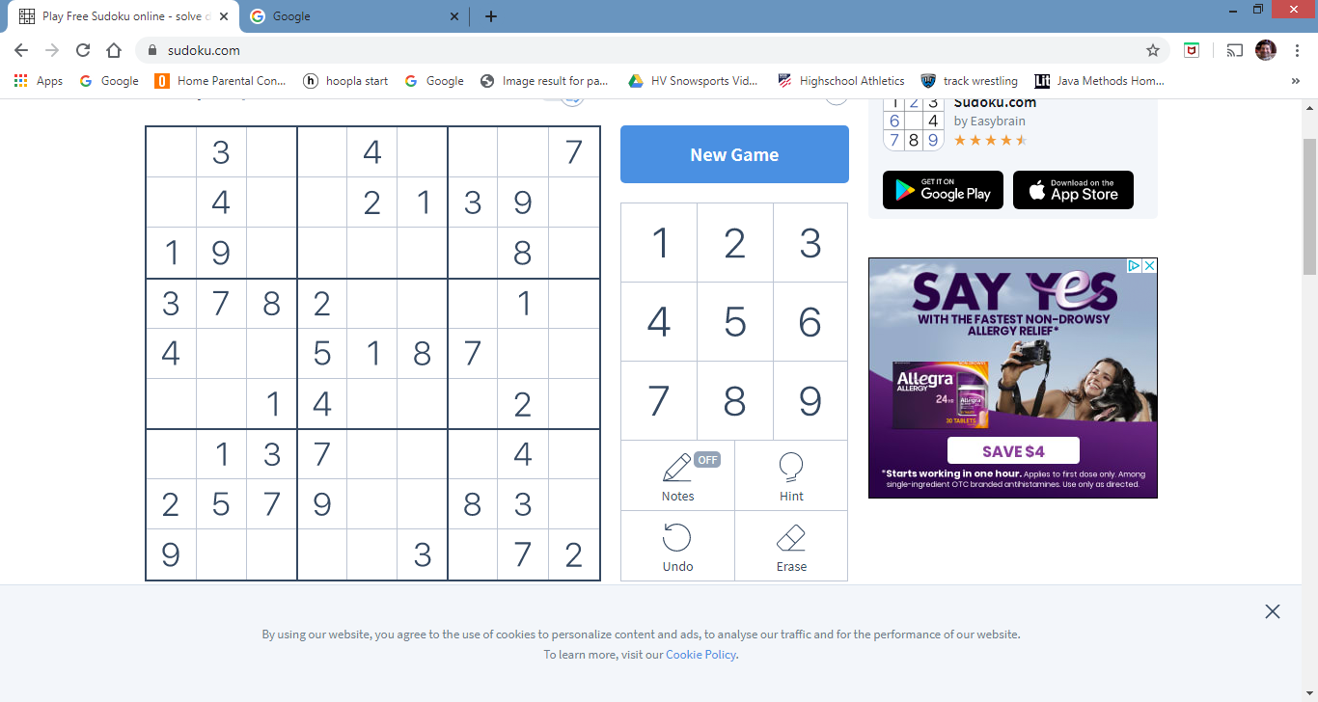
0 | 3 | 0 | 0 | 4 | 0 | 0 | 0 | 7
0 | 4 | 0 | 0 | 2 | 1 | 3 | 9 | 0
1 | 9 | 0 | 0 | 0 | 0 | 0 | 8 | 0
3 | 7 | 8 | 2 | 0 | 0 | 0 | 1 | 0
4 | 0 | 0 | 5 | 1 | 8 | 7 | 0 | 0
0 | 0 | 1 | 4 | 0 | 0 | 0 | 2 | 0
0 | 1 | 3 | 7 | 0 | 0 | 0 | 4 | 0
2 | 5 | 7 | 9 | 0 | 0 | 8 | 3 | 0
9 | 0 | 0 | 0 | 0 | 3 | 0 | 7 | 2

Sheet2
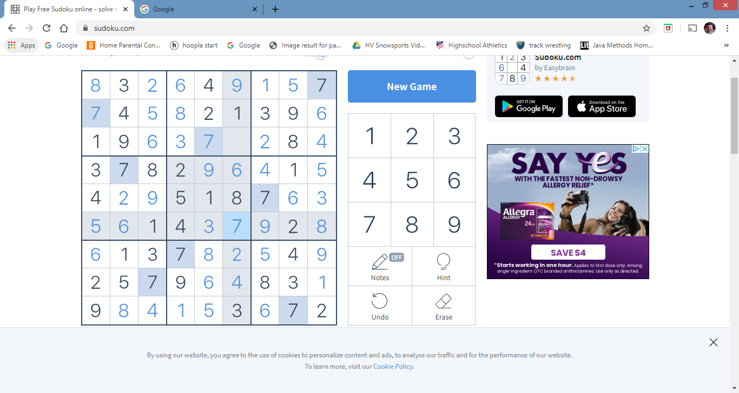
8 | 3 | 2 | 6 | 5 | 9 | 1 | 5 | 7
7 | 4 | 5 | 8 | 2 | 1 | 3 | 9 | 6
1 | 9 | 6 | 3 | 7 | 5 | 2 | 8 | 4
3 | 7 | 8 | 2 | 9 | 6 | 4 | 1 | 5
4 | 2 | 9 | 5 | 1 | 8 | 7 | 6 | 3
5 | 6 | 1 | 4 | 3 | 7 | 9 | 2 | 8
6 | 1 | 3 | 7 | 8 | 2 | 5 | 4 | 9
2 | 5 | 7 | 9 | 6 | 4 | 8 | 3 | 1
9 | 8 | 4 | 1 | 5 | 3 | 6 | 7 | 2

