Sayfa1
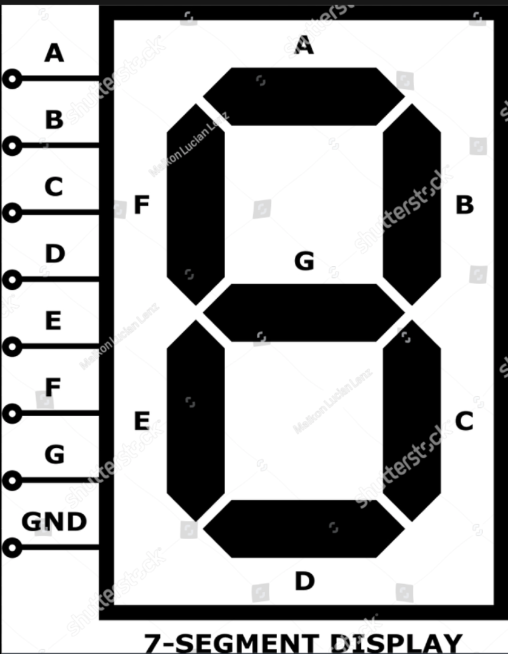
x3 | x2 | x1 | x0 | A | B | C | D | E | F | G | Desen
0 | 0 | 0 | 0 | 0 | 0 | 0 | 0 | 0 | 0 | 1 | -
0 | 0 | 0 | 1 | x | x | x | x | x | x | x | x
0 | 0 | 1 | 0 | 1 | 0 | 0 | 1 | 1 | 1 | 1 | E
0 | 0 | 1 | 1 | 1 | 1 | 1 | 1 | 0 | 0 | 1 | 3
0 | 1 | 0 | 0 | x | x | x | x | x | x | x | x
0 | 1 | 0 | 1 | 0 | 0 | 0 | 1 | 1 | 1 | 0 | L
0 | 1 | 1 | 0 | x | x | x | x | x | x | x | x
0 | 1 | 1 | 1 | x | x | x | x | x | x | x | x
1 | 0 | 0 | 0 | x | x | x | x | x | x | x | x
1 | 0 | 0 | 1 | x | x | x | x | x | x | x | x
1 | 0 | 1 | 0 | x | x | x | x | x | x | x | x
1 | 0 | 1 | 1 | x | x | x | x | x | x | x | x
1 | 1 | 0 | 0 | 1 | 0 | 0 | 1 | 1 | 1 | 0 | C
1 | 1 | 0 | 1 | 1 | 1 | 0 | 1 | 1 | 0 | 1 | 2
1 | 1 | 1 | 0 | 1 | 0 | 1 | 1 | 0 | 1 | 1 | 5
1 | 1 | 1 | 1 | x | x | x | x | x | x | x | x

x3x2\x1x0 |  | 00 | 01 | 11 | 10 | Y = AB + C
 | 00 | 0 | x | 1 | 1 | A = x3 x2 + x1
 | 01 | x | 0 | x | x
 | 11 | 1 | 1 | x | 1
 | 10 | x | x | x | x

x3x2\x1x0 |  | 00 | 01 | 11 | 10 | Y = AD + CD |  |  |  | x3x2\x1x0 |  | 00 | 01 | 11 | 10 | Y = BC' + A'CD'
 | 00 | 0 | x | 1 | 0 | B = x3 x0 + x1 x0 |  |  |  |  | 00 | 0 | x | 0 | 1 | E = x2 x1' + x3' x1 x0'
 | 01 | x | 0 | x | x |  |  |  |  |  | 01 | x | 1 | x | x
 | 11 | 0 | 1 | x | 0 |  |  |  |  |  | 11 | 1 | 1 | x | 0
 | 10 | x | x | x | x |  |  |  |  |  | 10 | x | x | x | x

x3x2\x1x0 |  | 00 | 01 | 11 | 10 | Y = CD + BC |  |  |  | x3x2\x1x0 |  | 00 | 01 | 11 | 10 | Y = B D' + A'B + C D'
 | 00 | 0 | x | 1 | 0 | C = x1 x0 + x2 x1 |  |  |  |  | 00 | 0 | x | 0 | 1 | F = x2 x0' + x3' x2 + x1 x0'
 | 01 | x | 0 | x | x |  |  |  |  |  | 01 | x | 1 | x | x
 | 11 | 0 | 0 | x | 1 |  |  |  |  |  | 11 | 1 | 0 | x | 1
 | 10 | x | x | x | x |  |  |  |  |  | 10 | x | x | x | x

x3x2\x1x0 |  | 00 | 01 | 11 | 10 | Y = A + C + D |  |  |  | x3x2\x1x0 |  | 00 | 01 | 11 | 10 | Y = C + AD + A' B'
 | 00 | 0 | x | 1 | 1 | D = x3 + x1 + x0 |  |  |  |  | 00 | 1 | x | 1 | 1 | G = x1 + x3 x0 + x3' x2'
 | 01 | x | 1 | x | x |  |  |  |  |  | 01 | x | 0 | x | x
 | 11 | 1 | 1 | x | 1 |  |  |  |  |  | 11 | 0 | 1 | x | 1
 | 10 | x | x | x | x |  |  |  |  |  | 10 | x | x | x | x

