Plant
Zimbabwe Sugarcane Farmers' Calendar for Plant Cane
Name: |  |  | Project start date: |  | Field:
Month 0 |  |  |  | Month 1 |  |  |  | Notes
Week 1 | Week 2 | Week 3 | Week 4 | Week 1 | Week 2 | Week 3 | Week 4
Date: | Date: | Date: | Date: | Date: | Date: | Date: | Date:
Secure seedcane from certified source Land preparation - ripping, discing | Soil Sampling, Ridging | Follow up on soil analysis results, Application of SSP | Planting followed by irrigation and application of pre-emergence herbicide *In late season apply ACTARA SC to control YSA | Emergence of cane plants *Depends on soil moisture and temperatures. In winter it may take longer *Irrigation cycles continue until dry-off , know your TAM!
Month 2 |  |  |  | Month 3
Week 5 | Week 6 | Week 7 | Week 8 | Week 9 | Week 10 | Week 11 | Week 12
Date: | Date: | Date: | Date: | Date: | Date: | Date: | Date:
Rogueing of SMUT, Early post-emergent herbicide application | N Fertiliser (1st split). Application of K based on soil results |  | N Fertiliser (2nd split), Application of K 2nd split |  | *In late season apply 3 splits of Nitrogen: Third application at 10 weeks after emergence |  | Pests and disease surveys:-SMUT Rogueing, White GRUBS surveys, BMB scouting, Pre-canopy eldana saccharina
Month 4 |  |  |  | Month 5
Week 13 | Week 14 | Week 15 | Week 16 | Week 17 | Week 18 | Week 19 | Week 20
Date: | Date: | Date: | Date: | Date: | Date: | Date: | Date:
Application of post-emergent herbicide, Hoeing (depending on weed presence) | YSA scouting, | YSA scouting, | YSA scouting, | YSA scouting, | YSA scouting,
Month 6 |  |  |  | Month 7
Week 21 | Week 22 | Week 23 | Week 24 | Week 25 | Week 26 | Week 27 | Week 28
Date: | Date: | Date: | Date: | Date: | Date: | Date: | Date:
Post-canopy eldana saccharina survey | Foliar sampling,
Month 8 |  |  |  | Month 9
Week 29 | Week 30 | Week 31 | Week 32 | Week 33 | Week 34 | Week 35 | Week 36
Date: | Date: | Date: | Date: | Date: | Date: | Date: | Date:

Month 10 |  |  |  | Month 11
Week 37 | Week 38 | Week 39 | Week 40 | Week 41 | Week 42 | Week 43 | Week 44
Date: | Date: | Date: | Date: | Date: | Date: | Date: | Date:
 |  |  |  |  |  |  |  |  | 7
Month 12 |  |  |  | Month 13
Week 45 | Week 46 | Week 47 | Week 48 | Week 49 | Week 50 | Week 51 | Week 52
Date: | Date: | Date: | Date: | Date: | Date: | Date: | Date:
 |  |  |  |  | Irrigation cycles end | Start of dry off *Dry off will depend on TAM | Maturity Test
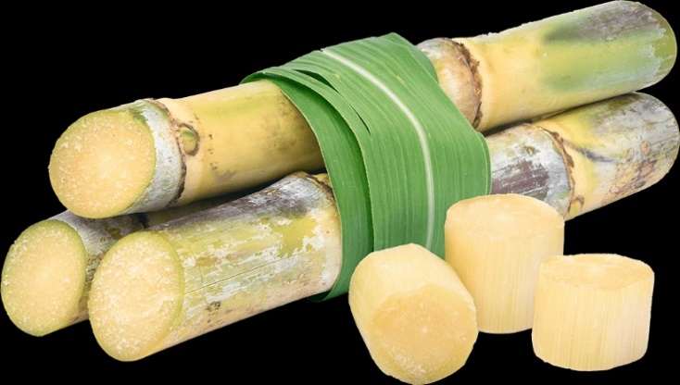
Month 14 |  |  |  | Some important information
Week 53 | Week 54 | Week 55 | Week 56 | This calendar is for plant cane - There is a separate calendar for ratoon came This calendar acts as a guide to help you track activities Irrigation should happen thoughout the period - avoid over or under irrigating Timelines may differ slighlighty depending on season, on farm conditions and availability of resources We advise you to contact ZSAES Scientists when in doubt For list of certified seedcane providers contact ZSAES Plant Pathology
Date: | Date: | Date: | Date:
 |  | Harvesting- Burning, Cutting, Haulage | Harvesting- Burning, Cutting, Haulage

