ReadME first!
BRS | Customer | SM | @mail | Code @Time | Comments | Fin de contrat | Customer contact - Don't use | vCenter
BRS201 - Imperio | Imperio | Evariste Mouttou Micheline BIENVENU | evariste.mouttou@kyndryl.com micheline.bienvenu@kyndryl.com |  |  |  |  | ypb666vcnt10
BRS293 - Louvre Hotels | Louvre Hotels | Chiem Nhu Nguyen Hoang Aurore De Monchy | Chiem.Nhu.Nguyen.Hoang@kyndryl.com Aurore.De.Monchy@kyndryl.com |  |  |  | lbreugnot@louvre-hotels.com | ypb666vcnt10
BRS321 - Century 21 | Century 21 | Sébastien Saint-Paul Chiem Nhu Nguyen Hoang (Bckup) | Sebastien.Saint.Paul@kyndryl.com Chiem.Nhu.Nguyen.Hoang@kyndryl.com | Kyndryl Consult : CFR/00511-0001 Mngd : CFR/00511-0002 |  |  |  | ypb666vcnt10
BRS336 - CRPN PAC | CRPN PAC | Nathalie Froment | nathalie.froment@kyndryl.com | CFR/00230-0019.L.02 |  |  |  | ypb666vcnt10
BRS462 - Integra - Integra | Integra - (Ex: Asplenium) | Jean Philippe Hardon | jean-philippe.hardon@kyndryl.com |  |  | 1 juillet 2024 |  | ypb666vcnt10
BRS526 - Airbus - Airbus | Airbus | Hassen Drif | Hassen.Drif@kyndryl.com |  |  |  |  | ypb666vcnt10
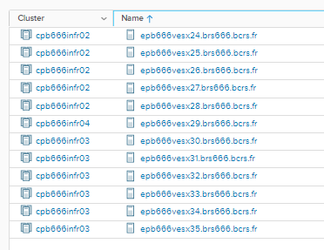
BRS634 - BVA | BVA | Bruno Doré Sébastien Saint-Paul Amadou Gassel Diallo (SAM) + BaaS Team Michal Matyas | Bruno.Dore@kyndryl.com Sebastien.Saint.Paul@kyndryl.com amadou.diallo@kyndryl.com + | CFR/00417-0003.L.01 | DPE SM SAM |  |  | ypb666vcnt06

USEFUL CONTACTS - Generic addresses

Service Manager | S&R France Service Managers | srfranceservicemanagers@kyndryl.onmicrosoft.com | eric.lozingot@kyndryl.com thierry.le.moullec@kyndryl.com ….
BRS000 - Kyndryl | Resiliency France xSeries | fr-rs-drsx@kyndryl.com | marc.aloe@kyndryl.com (Team leader) christophe.tournefier@kyndryl.com yvan.tseng@kyndryl.com frederic.sanchez@kyndryl.com benjamin.rocca@kyndryl.com lucas.spada@kyndryl.com
DAMS | DAMS | fr-rs-dams@kyndryl.com | laetitia.le.loirec@kyndryl. sophie.delon@kyndryl.com eric.bolon@kyndryl.com eric.bischoff@kyndryl.com anna.wojciarczyk@kyndryl.com pascal.blasset@kyndryl.com
BaaS team BRS384 |  |  | Michal.Matyas <Michal.Matyas@kyndryl.com>; Lukas.Pokorny <Lukas.Pokorny@kyndryl.com>
Cluster Mut : BRS384 - Truffaut | IAAS - cpb666infr02 - ypb666vcnt04 BRS140 only IAAS Mut - cpb666infr03 - ypb666vcnt04 | fr-rs-sm-custmut@kyndryl.com | Thierry.Le.Moullec@kyndryl.com | Don’t use anymore this distribution List
BRS201 - Imperio BRS293 - Louvre Hotels BRS336 - CRPN PAC BRS462 - Integra BRS634 - BVA | DRAASx Mut - Veeam | FR-RS-SM-DRAASX-Veeam@kyndryl.com | Nathalie.Froment@kyndryl.com Chiem.Nhu.Nguyen.Hoang@kyndryl.com fr-rs-hdcx@kyndryl.com Micheline.bienvenu@kyndryl.com Sebastien.Saint.Paul@kyndryl.com Bruno.dore@kyndryl.com amadou.diallo@kyndryl.com jean-philippe.hardon@kyndryl.com evariste.mouttou@kyndryl.com | Don’t use anymore this distribution List | FOR INFO DELL New site ID Kyndryl/Covea UCID: 1005960648 dedicated for COVEA
BRS384 - Truffaut BRS526 - Airbus | DRAASx Mut - Zerto | FR-RS-SM-DRAASX-Zerto@kyndryl.com | Thierry.Le.Moullec@kyndryl.com fr-rs-hdcx@kyndryl.com Hassen.Drif@kyndryl.com | Don’t use anymore this distribution List

Nb VM
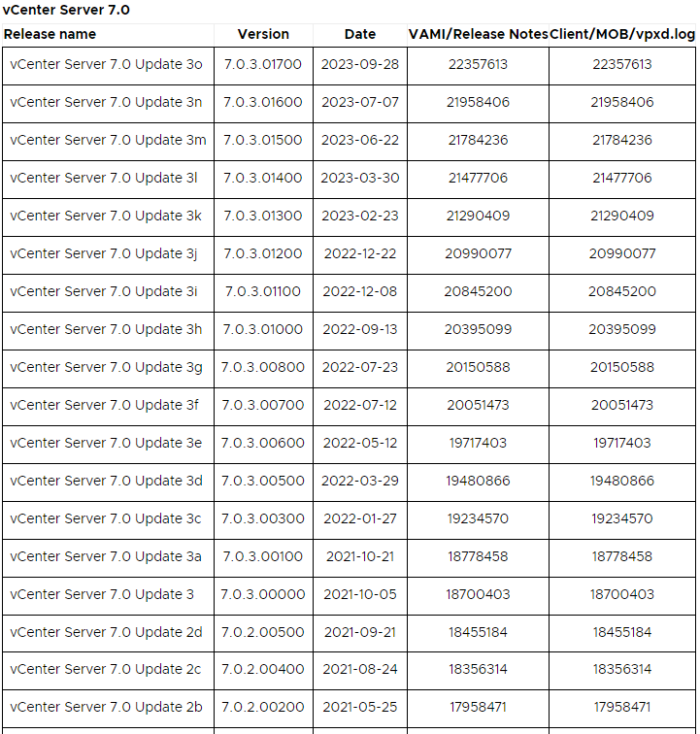
Hostname | Departement RCP | BP-ID | Auth | Provider Id | Version | Multi tenant ? | vCenter | cluster | Application | Action before Reboot - change | impact si ko ( Don't Communicate to SM ) | Service Manager | Approval or Notification | To communicate to SM | Contact | Maintenance | Change not possible in the same time with this VM | Links notif to template | Automatic Update | Backup Veeam | Somme Vm | CS | AV | Tenable Agnt | Supervision | Adresse IP | Adresse IP2 | Version2 | Build | EOL General Support | EOL OS | Remarque | Test de restoration VM unitaire | Planification test restauration | Add ca-rec-s ca-eme-s | Relabel | remove syslog
lpa666repo03 | HDC-RedHat | FR_RS_DRAAS | brs666.bcrs.fr | REDHAT | 9.5 | single | ypb000vcnt11 | cpb000infr12 | Veeam | Set Maintenance Mode in Veeam wpa666bvem01 |  | HDCX | Notification | N/A | hdcx | Group5 |  |  | 3rd Tuesday of the month |  | 1 |  |  |  |  | 10.192.42.44 |  |  |  |  | 2032-09-04 |  | JulY-25 | 2025Q2
 |  |  |  |  |  |  |  |  |  |  |  |  |  |  |  |  |  |  |  |  | 1
 |  |  |  |  |  |  |  |  |  |  |  |  |  |  |  |  |  |  | 0

Customer | BP_Using | CHIP Account ID | bam_id | IMT - Customer | Customer_code
 |  |  |  |  | From GECOS_SERIAL
 | (from Manual Inventory file) | (from GACDW) | (from Kyndryl Inventory) | (from ECM) | (from ISIM ”1929 - Primary Controls Accounts”)
RS Cloud Managed Backup | FR_RS_CMB | BAM000416F | BAM000416F | FRANCE_fr_rs_cloud_managed_backup | RSC
RS Core Infrastructure | FR_RS_CORE | BAM00048D8 | BAM00048D8 | FRANCE_fr_rs_core_infrastructure | RCI
RS Disaster Recovery Services | FR_RS_IRS | BAM000416E | BAM000416E | FRANCE_fr_rs_disaster_recovery_service | DRS
RS Hybrid Data Center | FR_RS_CAAS | BAM0004172 | BAM0004172 | FRANCE_fr_rs_hybrid_data_center | HDC
RS Rapid Recovery | FR_RS_DRAAS | BAM00040FE | BAM00040FE | FRANCE_fr_rs_rapid_recovery | RRE
RS Spare | FR_RS_SPARE | BAM0002C2D | BAM0002C2D |  | RSF
RS Work Area Recovery | FR_RS_WAR | BAM0004174 | BAM0004174 | FRANCE_fr_rs_work_area_recovery | WRS

EOF
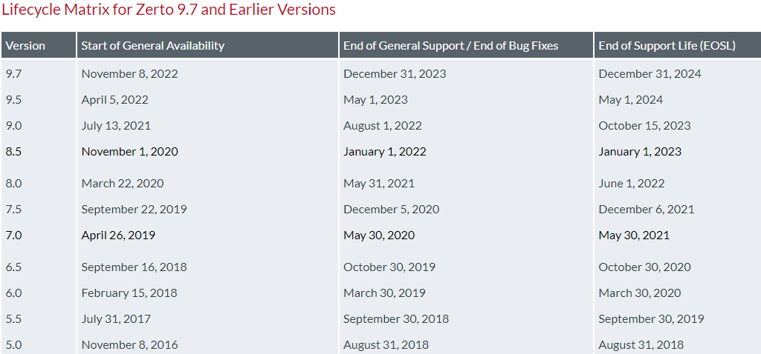
EOF
Zerto | https://help.zerto.com/bundle/Lifecycle.Matrix.HTML/page/product_version_lifecycle_matrix_for_zerto.html

NSX | https://lifecycle.vmware.com/#/

vmware | https://lifecycle.vmware.com/#/
 | https://support.broadcom.com/group/ecx/productlifecycle

Veeam | https://www.veeam.com/product-lifecycle.html

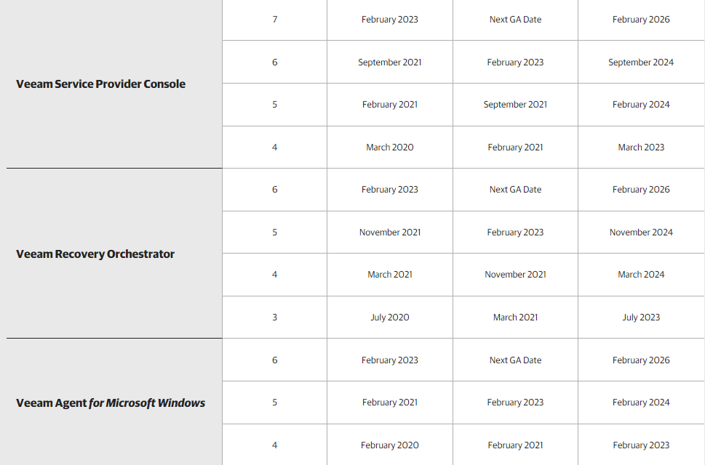
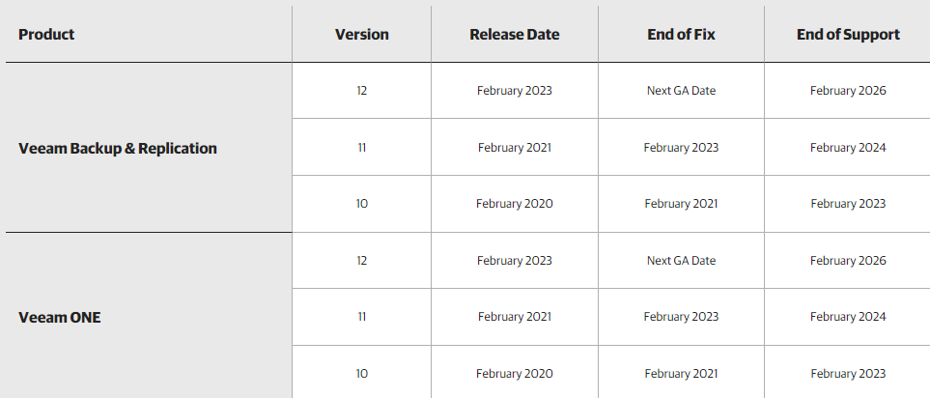

Windows | https://endoflife.date/windows-server
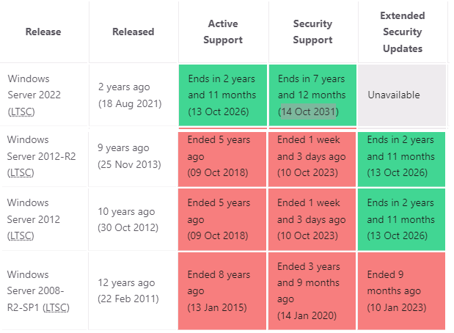

REHL | https://access.redhat.com/support/policy/updates/errata#RHEL8_Planning_Guide

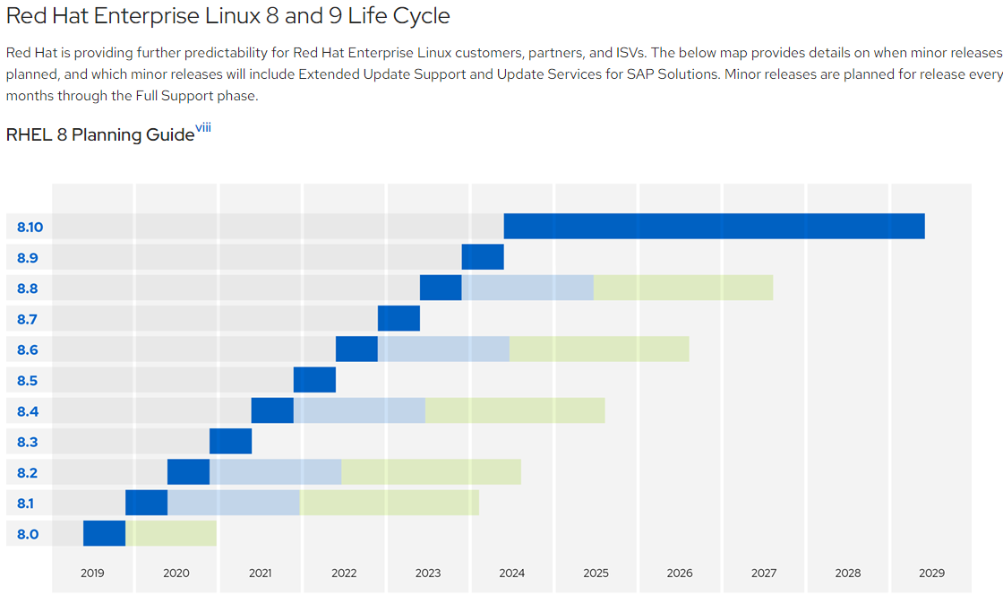
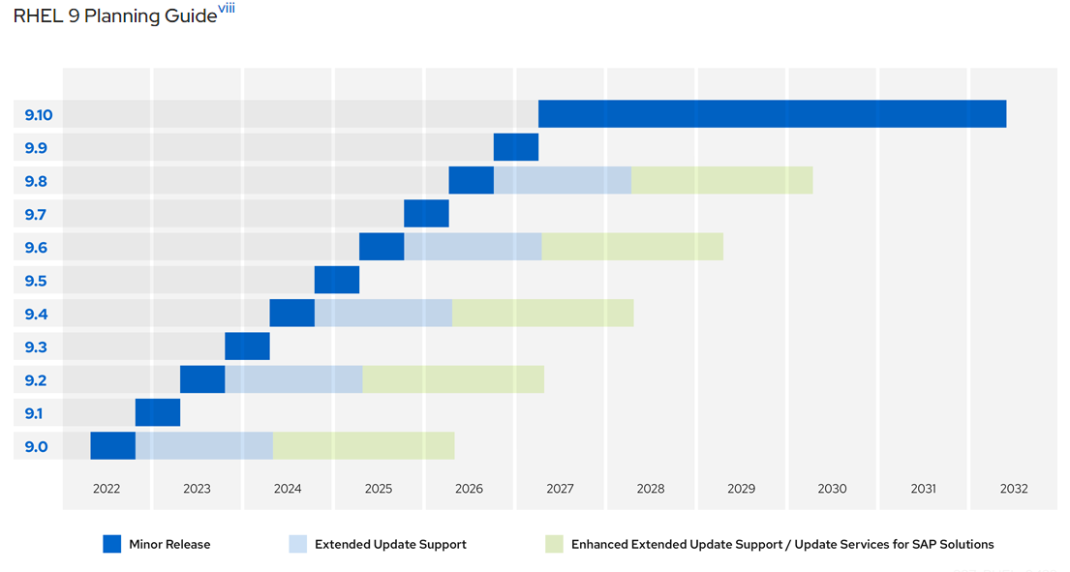

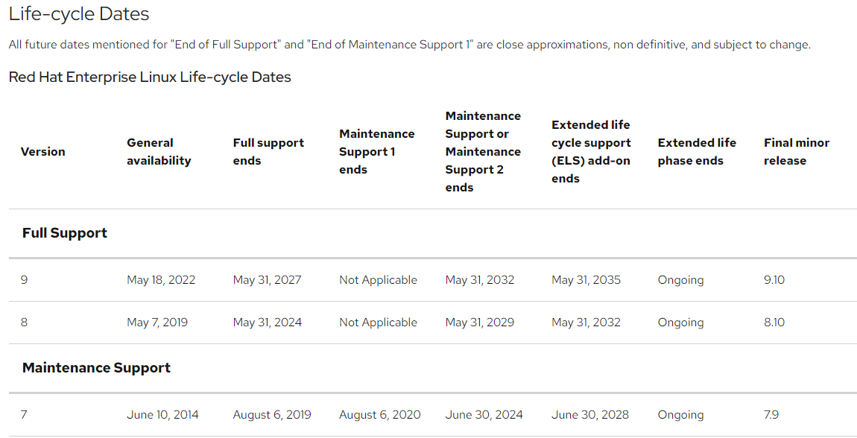

Ubuntu | https://ubuntu.com/about/release-cycle

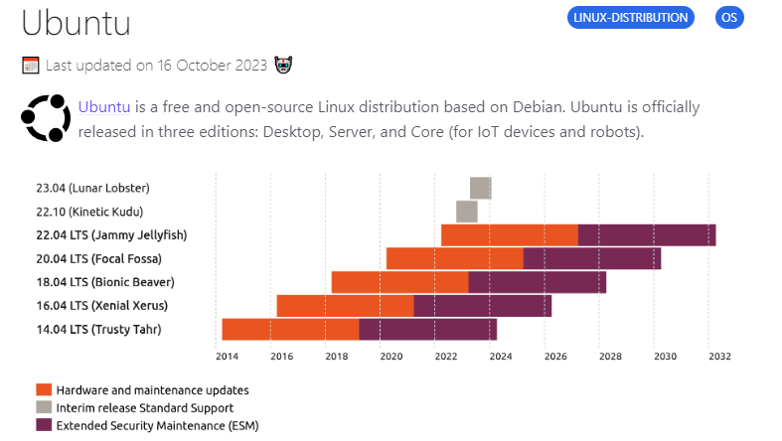

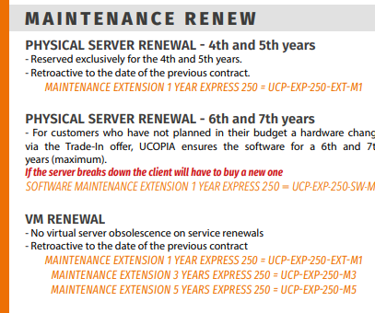

Ucopia
https://ucopia.com/wp-content/uploads/2020/06/Brochure-Maintenance-06.2020-EN.pdf

