Munka1
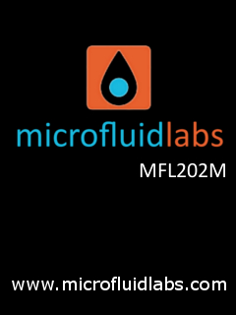 | Startup screen | 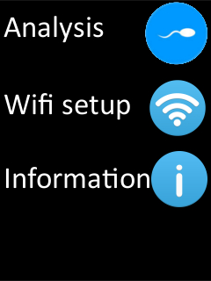 | Home screen from which pushing the button on the left side you can choose analysis, wifi setup to configure the wifi access or get additional information. |  | Generic error screen showing the error number
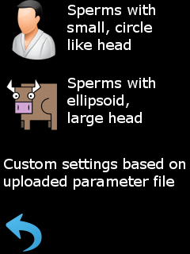 | Analysis startup image, you can select two predefined types of small, circular like sperm detector (like human) or larger ellipsoid type like bull sperm. The parameters can be tuned by wifi access. | 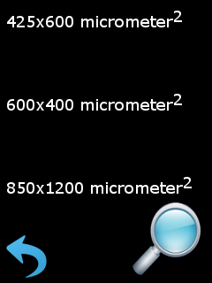 | First step to start analysis to select the processed area. | 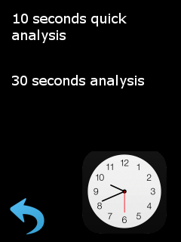 | Second step to start analyis, set the time frame.
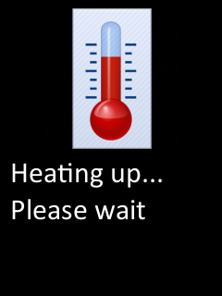 | After the startup settings, the sample holder is heated up to 37 C degree. | 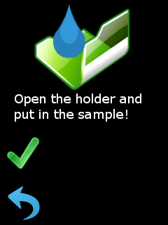 | When the heating is ready and maintained, you can open the cover and put in the slide, wait a moment to heat the slide up and drop in the sample and close the lid. | 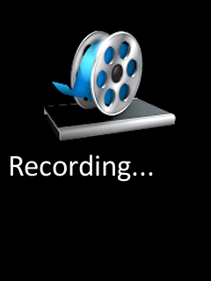 | Next a video is recorded to ensure real time tracking.
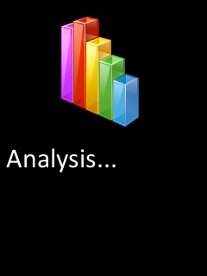 | After recording, the analysis starts, depending on the area and time it lasts a bit longer than the recording time. | 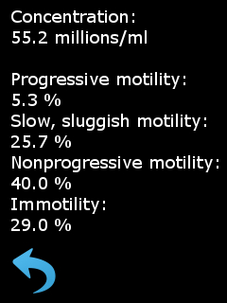 | After analysis, the results are shown.

