Sheet1
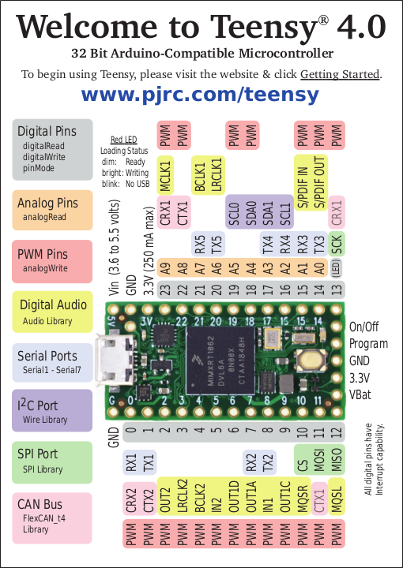

LCD | Audio |  |  |  |  |  |  |  |  |  | Audio | LCD
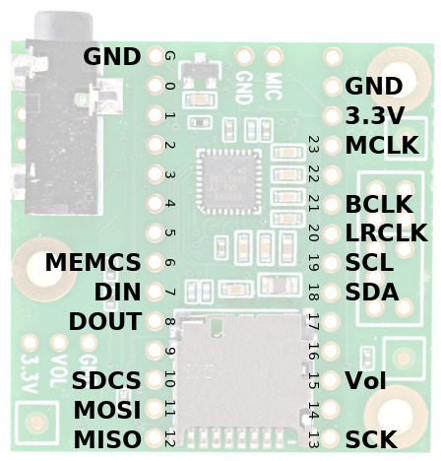

 | GND |  | GND |  |  |  |  |  | Vin
 |  | CS1 | 0 |  |  |  |  |  | GND |  | GND
 |  | MISO1 | 1 |  |  |  |  |  | 3.3V |  | 3.3V
 |  | OUT2 | 2 |  |  |  |  |  | 23 | MCLK1 | MCLK
 |  | LRCK2 | 3 |  |  |  |  |  | 22
 |  | BCLK2 | 4 |  |  |  |  |  | 21 | BCLK1 | BCLK
 |  | IN2 | 5 |  |  |  |  |  | 20 | LRCLK1 | LRCLK
 | MEMCS | OUT1D | 6 |  |  |  |  |  | 19 | SCL0 | SCL
 | DIN | OUT1A | 7 |  |  |  |  |  | 18 | SDA0 | SDA
 | DOUT | IN1 | 8 |  |  |  |  |  | 17 | SDA1
 |  | OUT1C | 9 | 33 | 31 | 29 | 27 | 25 | 16 | SCL1
 | SDCS | CS | 10 | 32 | 30 | 28 | 26 | 24 | 15 | S/PDIF IN
 | MOSI | MOSI | 11 |  |  |  |  |  | 14 | S/PDIF OUT
 | MISO | MISO | 12 | Vbat | 3.3V | GND | Prg | OnOff | 13 | SCK | SCK

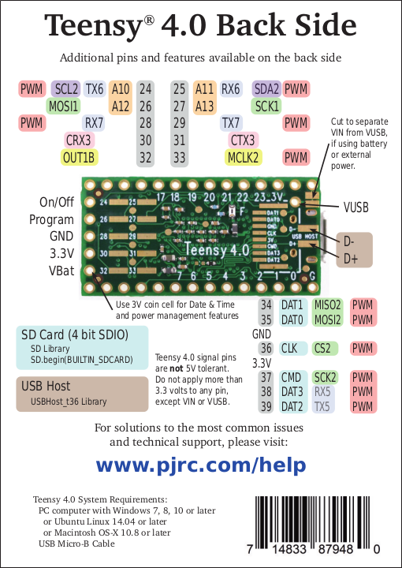
 | Teensy 4 SPIs
 |  | SPI | SPI1 | SPI2
 | MISO | 12 | 1 | 34
 | MOSI | 11 | 26 | 35
 | SCK | 13 | 27 | 37
 | CS | 10 | 0 | 36

Sheet3
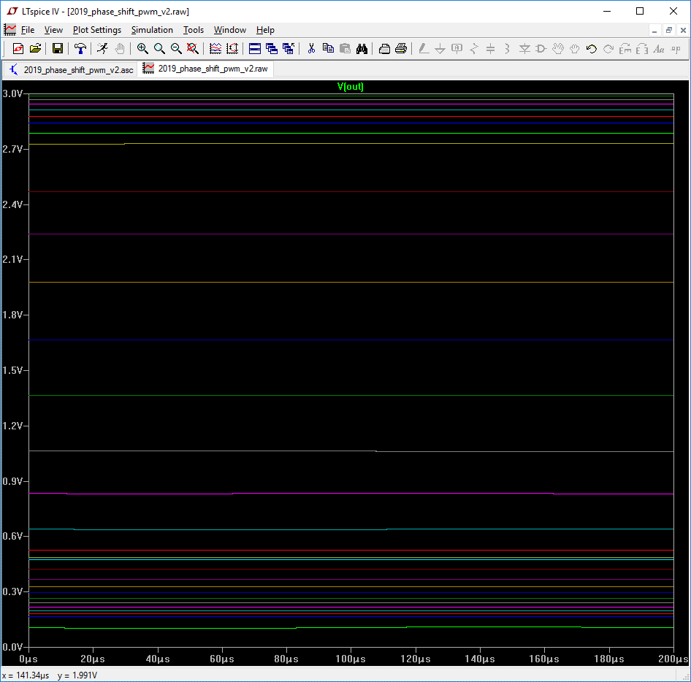
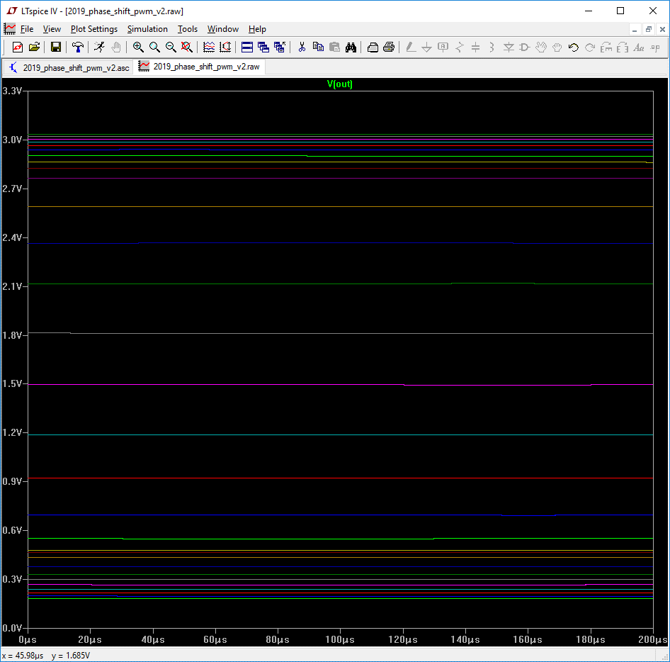
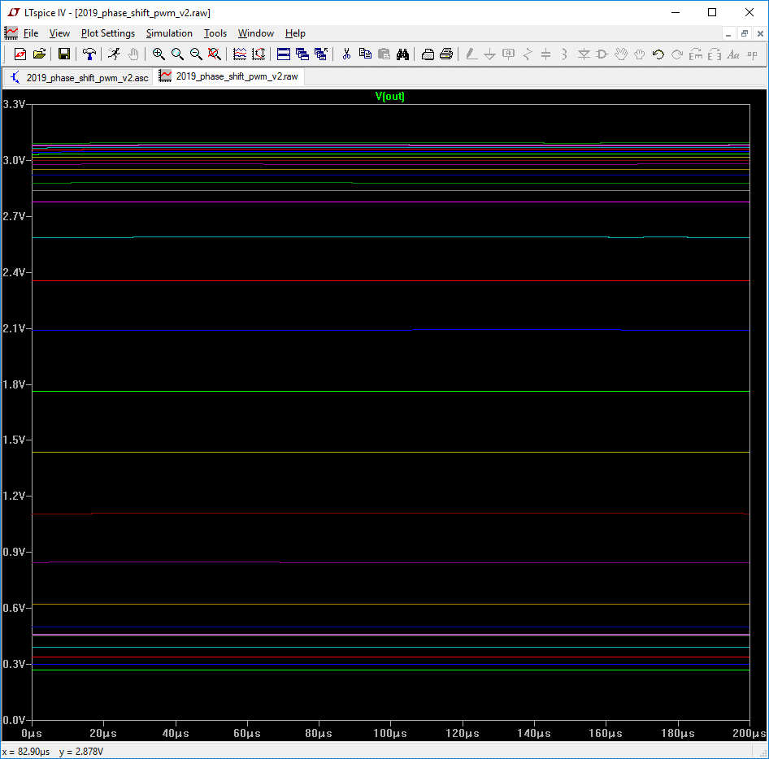
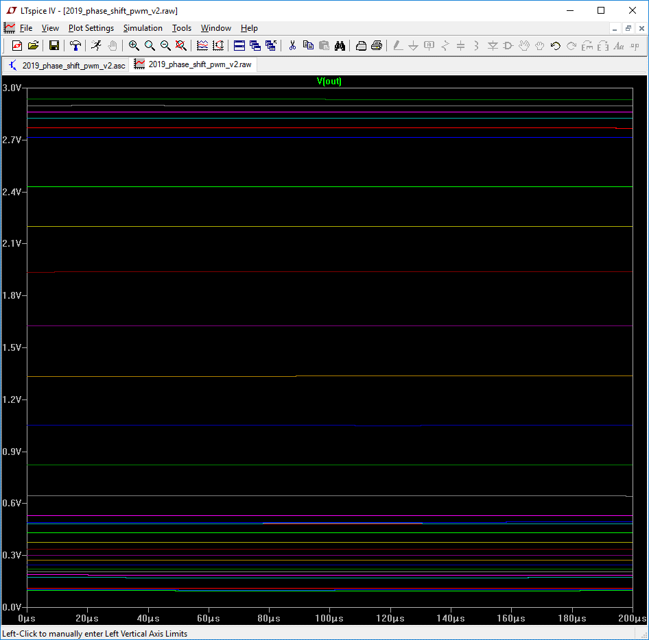
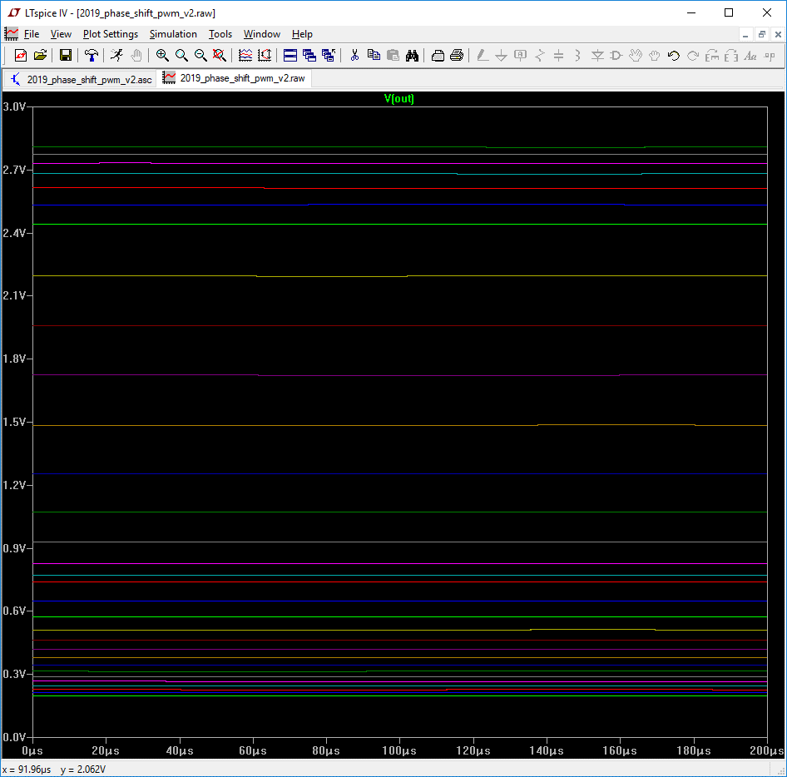
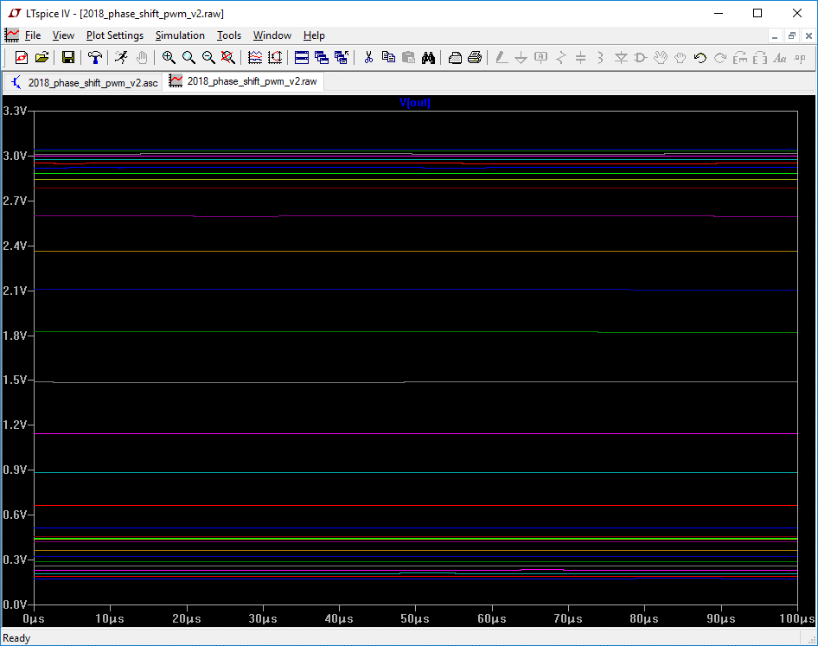
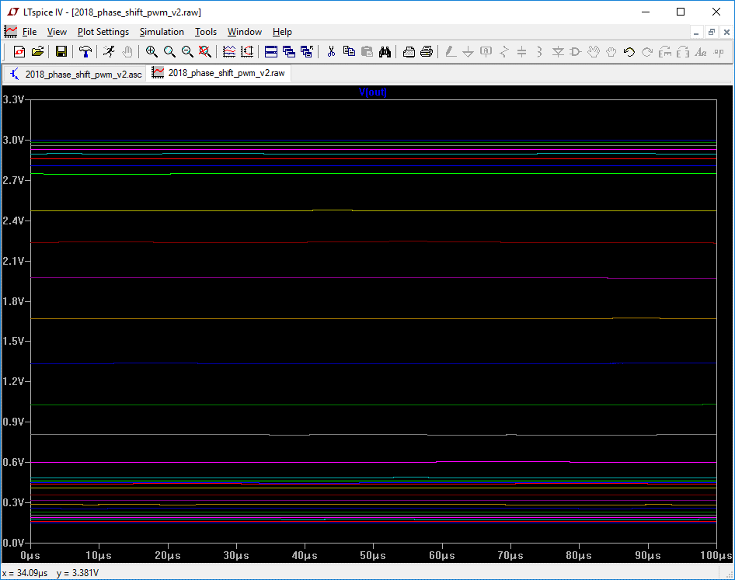
340 | 680 | 102 | 1470588 | 333 | 666 | 100 | 1500000

