BT_OV_SC410GS
连接器位号 | 管脚号 | 网络名称
J4 | A10 | 1120_DATA2_LVDS1_P | C0 | BT1120 20BIT模式 |  |  | BT656 10bit模式
 | A11 | 1120_DATA3_LVDS1_N | C1
 | B8 | 1120_DATA4_LVDS2_P | C2 |  | BT1120 16BIT模式，C0-C7 | BT656 8bit模式.
 | B9 | 1120_DATA5_LVDS2_N | C3
 | A8 | 1120_DATA6_LVDS3_P | C4
 | A9 | 1120_DATA7_LVDS3_N | C5
 | C8 | 1120_DATA8_LVDS4_P | C6
 | C9 | 1120_DATA9_LVDS4_N | C7
 | B6 | 1120_DATA10_LVDS5_P | C8
 | B7 | 1120_DATA11_LVDS5_N | C9
 | C3 | TTL_LVDS11_N | Y0
 | C0 | TTL_LVDS10_P | Y1
 | C2 | TTL_LVDS11_P | Y2 |  | BT1120 16BIT模式，Y0-Y7
 | C5 | TTL_LVDS6_N | Y3
 | C1 | TTL_LVDS10_N | Y4
 | A3 | TTL_LVDS7_N | Y5
 | C4 | TTL_LVDS6_P | Y6
 | A2 | TTL_LVDS7_P | Y7
 | A1 | TTL_LVDS_CLK_N | Y8
 | B5 | TTL_DATA23_LVDS_DEN | Y9
 | B10 | 1120_DATA0_LVDS0_P | BT_REST
 | A0 | TTL_LVDS_CLK_P | BT_PCLK
 | A6 | TTL_VS_LVDS_VSP | BT601模式，外部同步信号
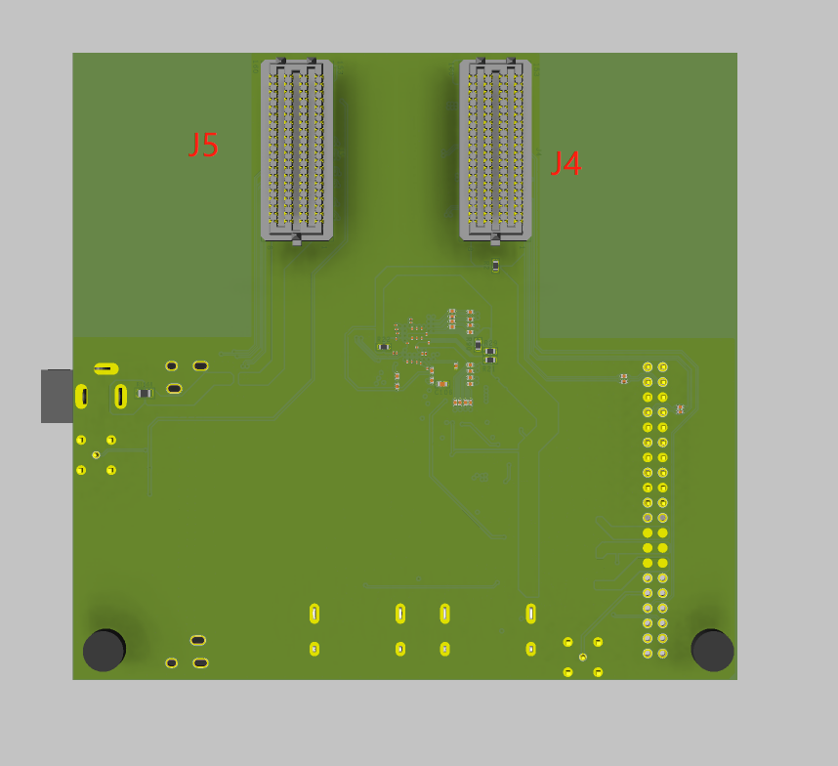
 | B4 | TTL_DE_LVDS_DEP
 | A4 | TTL_HS_LVDS_HSP
 | C10 | HT3_I2C_CLK | GSV2011_I2C信号
 | C11 | HT3_I2C_SDA
 | A7 | 1120_DATA12_LVDS_VSN | 暂时不需要管
 | A5 | 1120_DATA13_LVDS_HSN
 | B11 | 1120_DATA1_LVDS0_N
 | A0 | TTL_LVDS_CLK_P
 | B1 | TTL_LVDS8_N
 | B0 | TTL_LVDS8_P
 | B3 | TTL_LVDS9_N
 | B2 | TTL_LVDS9_P
 | C7 | I2C_SCL_M | SC410GS
 | C6 | I2C_SDA_M
 | D10 | CAM_RSTN_M
 | D1 | LVDS/CLKN
 | D0 | LVDS/CLKP
 | D3 | LVDS/D0N
 | D2 | LVDS/D0P
 | D9 | LVDS/D1N
 | D8 | LVDS/D1P
 | D7 | LVDS/D2N
 | D6 | LVDS/D2P
 | D5 | LVDS/D3N
 | D4 | LVDS/D3P |  |  | BOT_VIEW
J5 | D5 | LVDS_0N | OV_16LANE_SENSOR
 | D4 | LVDS_0P
 | D3 | LVDS_1N
 | D2 | LVDS_1P
 | D7 | LVDS_2N
 | D6 | LVDS_2P
 | D1 | LVDS_3N
 | D0 | LVDS_3P
 | D9 | LVDS_4N
 | D8 | LVDS_4P
 | C11 | LVDS_5N
 | C10 | LVDS_5P
 | D11 | LVDS_6N
 | D10 | LVDS_6P
 | C9 | LVDS_7N
 | C8 | LVDS_7P
 | C1 | LVDS_8N
 | C0 | LVDS_8P
 | B9 | LVDS_9N
 | B8 | LVDS_9P
 | C3 | LVDS_10N
 | C2 | LVDS_10P
 | A11 | LVDS_11N
 | A10 | LVDS_11P
 | C5 | LVDS_12N
 | C4 | LVDS_12P
 | A5 | LVDS_13N
 | A4 | LVDS_13P
 | C7 | LVDS_14N
 | C6 | LVDS_14P
 | A9 | LVDS_15N
 | A8 | LVDS_15P
 | A1 | LVDS_CLK_N
 | A0 | LVDS_CLK_P
 | A6 | I2C_SCL
 | B6 | I2C_SDA
 | A7 | CAM_RSTN

