Figure 5C
Figure 5C. anti-FLAG

25 kDa
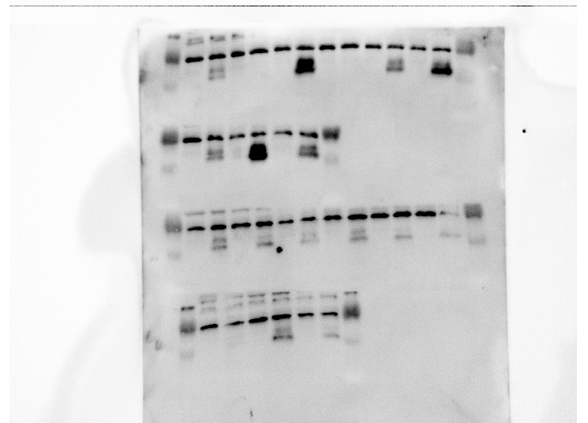
Tibialis anterior
20 kDa

25 kDa
20 kDa
Tibialis anterior

25 kDa
Gastrocnemius
20 kDa

25 kDa
Gastrocnemius
20 kDa

Figure 5E
Figure 5E. anti-CSRP3

25 kDa
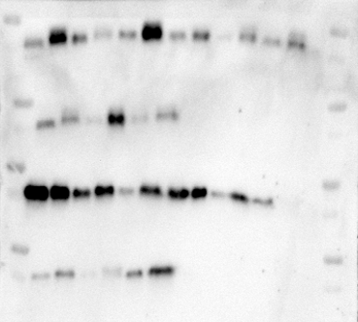
Gastrocnemius

25 kDa
Gastrocnemius

25 kDa

Tibialis anterior

25 kDa
Tibialis anterior

