Sheet1
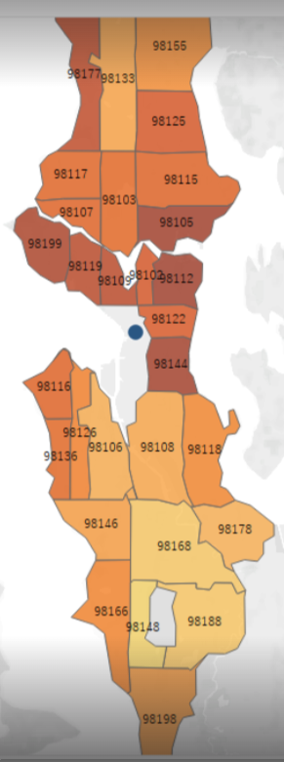
zipcode | City | County | Distric
98199 | Seattle | King County | A
98198 | Seattle | King County | C
98188 | Seattle | King County | C
98178 | Seattle | King County | C
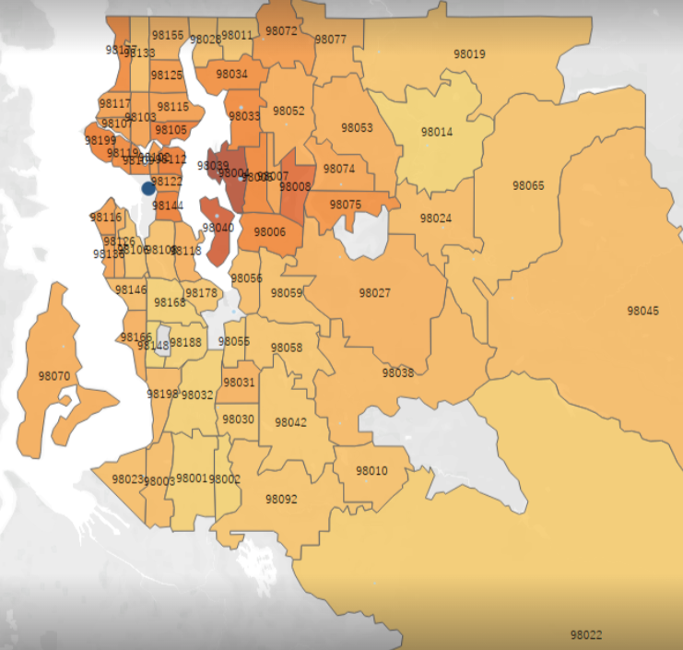
98177 | Seattle | King County | B
98168 | Seattle | King County | C
98166 | Seattle | King County | C
98155 | Seattle | King County | C
98148 | Seattle | King County | C
98146 | Seattle | King County | C
98144 | Seattle | King County | A
98136 | Seattle | King County | B
98133 | Seattle | King County | C
98126 | Seattle | King County | C
98125 | Seattle | King County | B
98122 | Seattle | King County | A
98119 | Seattle | King County | A
98118 | Seattle | King County | C
98117 | Seattle | King County | B
98116 | Seattle | King County | B
98115 | Seattle | King County | B
98112 | Seattle | King County | A
98109 | Seattle | King County | A
98108 | Seattle | King County | C
98107 | Seattle | King County | B
98106 | Seattle | King County | C
98105 | Seattle | King County | A
98103 | Seattle | King County | B
98102 | Seattle | King County | A
98092 | Auburn | King County | E
98077 | Woodinville | King County | E
98075 | Sammamish | King County | E
98074 | Sammamish | King County | E
98072 | Woodinville | King County | E
98070 | Vashon | King County | E
98065 | Snoqualmie | King County | E
98059 | Renton | King County | E
98058 | Renton | King County | E
98056 | Renton | King County | E
98055 | Renton | King County | E
98053 | Redmond | King County | E
98052 | Redmond | King County | E
98045 | North Bend | King County | E
98042 | Kent | King County | E
98040 | Mercer Island | King County | D
98039 | Medina | King County | D
98038 | Maple Valley | King County | E
98034 | Kirkland | King County | E
98033 | Kirkland | King County | E
98032 | Kent | King County | E
98031 | Kent | King County | E
98030 | Kent | King County | E
98029 | Issaquah | King County | E
98028 | Kenmore | King County | E
98027 | Issaquah | King County | E
98024 | Fall City | King County | E
98023 | Federal Way | King County | E
98022 | Enumclaw | King County | E
98019 | Duvall | King County | E
98014 | Carnation | King County | E
98011 | Bothell | King County | E
98010 | Black Diamond | King County | E
98008 | Bellevue | King County | B
98007 | Bellevue | King County | E
98006 | Bellevue | King County | B
98005 | Bellevue | King County | B
98004 | Bellevue | King County | D
98003 | Federal Way | King County | E
98002 | Auburn | King County | E
98001 | Auburn | King County | E

