Intro
Group 1 |  | 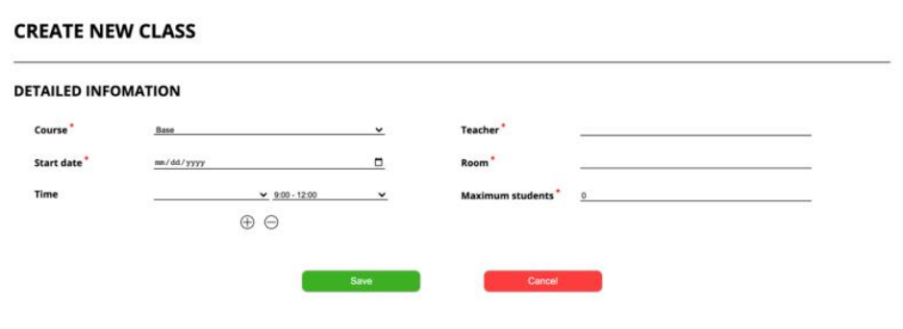 Option 2: Situation 1: Assume you are assigned to do the Integration Test between the front-end and back-end of theCreateClass function. Function description: o Actor/Role: Staff (Manager, Coordinator) o Purpose: Create a new class in the center o Function Interface: - Six text fields to insert information about class - Two buttons (Save, Cancel) Function Detail: - The actor selects the course and then fills in information about the class. - The system will verify all data that the actor fills in. If one of the data is not correct, the system will - Show notification and change color to red, which field is not correct. - If the actor clicks back will return to the list class page, and all data in create page will not save Situation 2: Assume that you are assigned to do the System Test of the "Create class schedule" feature. The business process will include the following steps Step 1: The Admin creates a new English class. Step 2: The Manager approves the new class schedule. Step 3: The teacher receives a notification email about the new class. Step 4: The teacher makes a confirmation about the assignment. Step 5: The system shows the new class information to students. It would be best if you designed the test cases for normal flow and alternative flowfor the abovefeature.
1. Đinh Quốc Chương | 1.1
2. Nguyễn Hữu Đức Hiếu | 1.2
3. Nguyễn Thị Thúy | 1.3
4. Lê Minh Vương | 2
5. Hồ Trọng Nghĩa | 2

Required Situation 1: Integration Test 1.1. Analyze the test condition using the Equivalence Partitioning and Boundary Value Analysis test design techniques 1.2. Design 10 integration test cases with the test data to cover as many Tags as possible 1.3. Create the high-level test case with the test data for your test case designed above Situation 2: System Test => Designed the test cases for normal flow and alternative flow

