Tools
For any help regarding the Message Set matrix, please refer to the Message Set confluence page

For any help regarding the .dbc generator tool, please refer to the CANdb++ confluence page
Create DBC file

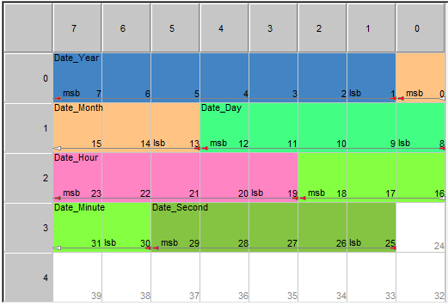
Big endian
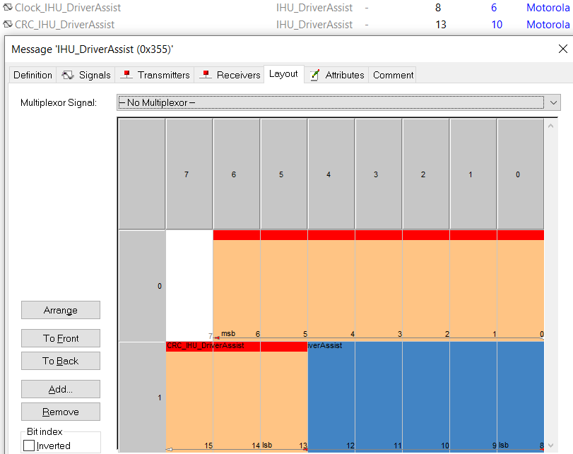
Compile
Message Composer
Size | Start bit | DLC | Endian | Big Endian (Motorola)
8 | 0 | 4
4 | 12
3 | 9
3 | 22
3 | 19
1 | 18
2 | 16
1 | 31
1 | 30
1 | 29
1 | 28
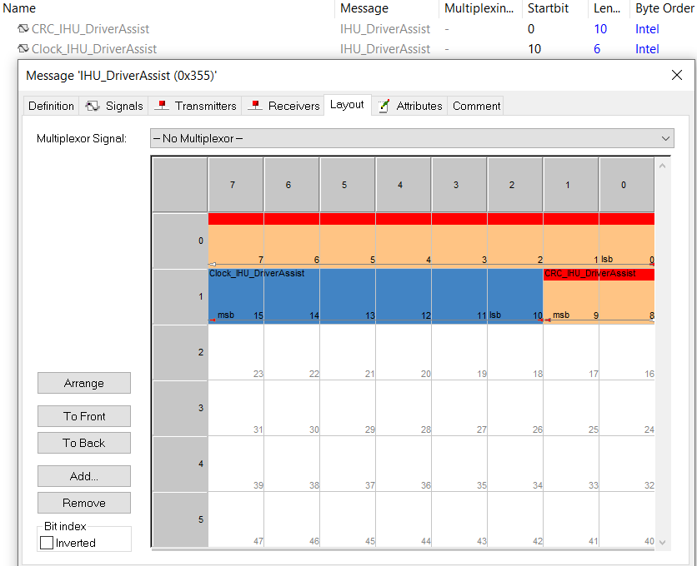
2 | 26
2 | 24

