Sheet1
Eco_code | Biome_ID | Realm | Ecoregion_name | Assigned_habitat_type | Ecoregion_Area_km2 | Global_area_share | Sorg_plants | Sorg_birds | Sorg_mammals | VS_plants | VS_birds | VS_mammals
PA1211 | 12 | PA | Italian sclerophyllous and semi-deciduous forests | non-forest | 101095 | 0.000767 | 3300 | 242 | 74 | 0.145117594 | 0.001012133 | 0.015446138
PA1209 | 12 | PA | Iberian sclerophyllous and semi-deciduous forests | non-forest | 298161 | 0.002263 | 2500 | 229 | 75 | 0.575618468 | 0.006721277 | 0.024588863 | The vulnerability score in PA1209 for plants is quite high compared to the other values in Europe
PA0608 | 6 | PA | Scandinavian and Russian taiga | forest | 2155374 | 0.016361 | 1400 | 270 | 82 | 0.169199865 | 0.013656345 | 0.026258 | Rather high vulnerability score for birds

2100 - cutoff
All
Scenario | Ecoregion | Year | Annual_EU_median | Permanent_EU_median | Pasture_EU_median | Urban_EU_median | Annual_RoW_median | Permanent_RoW_median | Pasture_RoW_median | Urban_RoW_median | For_ClearCut_EU_median | For_ClearCut_im_median | For_ClearCut_ex_median | For_Retention_EU_median | For_Plantation_im_median | For_TimberPlant_EU_median | For_TimberPlant_ex_median | For_SelectionSystem_EU_median | For_Selective_im_median | EP_EU_median | EP_conv_EU_median | EP_RoW_median | EP_conv_im_median | Afforested_EU_median | Afforested_RoW_median | Regrowth_median | ForOther_Extensive_EU_median | ForOther_Extensive_RoW_median | ForOther_Intensive_EU_median | ForOther_Intensive_RoW_median
RCP_MFM_noAF | PA1211 | 2100 | 0 | 6.98E-05 | 2.30E-05 | 1.37E-05 | 0 | 1.94E-08 | 4.15E-08 | 0 | 1.79E-05 | 3.01E-08 | 4.64E-06 | 0 | 0 | 0 | 0 | 0 | 0 | 3.72E-05 | 2.02E-05 | 0 | 0 | 1.54E-06 | 8.15E-09 | 0 | 0 | 0 | 0 | 0
RCP_MFM_noAF | PA1209 | 2100 | 1.62E-06 | 0.00017698171421 | 0.00013965341778 | 5.26E-06 | 0 | 0 | 0 | 0 | 4.00E-05 | 0 | 1.03E-05 | 0 | 0 | 0 | 0 | 0 | 0 | 4.35E-06 | 1.11E-05 | 0 | 0 | 1.92E-06 | 0 | 0 | 0 | 0 | 0 | 0
RCP_MFM_noAF | PA0608 | 2100 | 6.40E-07 | 2.94E-06 | 5.40E-06 | 8.11E-07 | 4.97E-07 | 2.03E-06 | 2.30E-05 | 2.19E-06 | 1.56E-05 | 3.81E-06 | 4.03E-06 | 0 | 0 | 0 | 0 | 0 | 0 | 7.11E-10 | 4.48E-07 | 8.92E-07 | 2.10E-09 | 2.98E-08 | 3.21E-08 | 4.26E-06 | 8.81E-08 | 7.32E-06 | 3.20E-05 | 1.01E-05

Plants
Scenario | Ecoregion | Year | Annual_EU_median | Permanent_EU_median | Pasture_EU_median | Urban_EU_median | Annual_RoW_median | Permanent_RoW_median | Pasture_RoW_median | Urban_RoW_median | For_ClearCut_EU_median | For_ClearCut_im_median | For_ClearCut_ex_median | For_Retention_EU_median | For_Plantation_im_median | For_TimberPlant_EU_median | For_TimberPlant_ex_median | For_SelectionSystem_EU_median | For_Selective_im_median | EP_EU_median | EP_conv_EU_median | EP_RoW_median | EP_conv_im_median | Afforested_EU_median | Afforested_RoW_median | Regrowth_median | ForOther_Extensive_EU_median | ForOther_Extensive_RoW_median | ForOther_Intensive_EU_median | ForOther_Intensive_RoW_median
RCP_MFM_noAF | PA1211 | 2100 | 0 | 6.19E-05 | 1.96E-05 | 1.17E-05 | 0 | 1.72E-08 | 3.53E-08 | 0 | 1.63E-05 | 2.73E-08 | 4.20E-06 | 0 | 0 | 0 | 0 | 0 | 0 | 3.30E-05 | 1.79E-05 | 0 | 0 | 1.32E-06 | 6.98E-09 | 0 | 0 | 0 | 0 | 0
RCP_MFM_noAF | PA1209 | 2100 | 1.45E-06 | 0.00015807618259 | 0.00012232209994 | 4.60E-06 | 0 | 0 | 0 | 0 | 3.36E-05 | 0 | 8.68E-06 | 0 | 0 | 0 | 0 | 0 | 0 | 3.89E-06 | 9.88E-06 | 0 | 0 | 1.68E-06 | 0 | 0 | 0 | 0 | 0 | 0
RCP_MFM_noAF | PA0608 | 2100 | 8.45E-08 | 1.28E-06 | 2.44E-06 | 3.16E-07 | 6.56E-08 | 8.83E-07 | 1.04E-05 | 8.52E-07 | 3.46E-06 | 8.47E-07 | 8.96E-07 | 0 | 0 | 0 | 0 | 0 | 0 | 3.09E-10 | 1.95E-07 | 4.23E-07 | 9.97E-10 | 1.20E-08 | 1.29E-08 | 1.71E-06 | 1.05E-08 | 8.76E-07 | 1.32E-05 | 4.15E-06
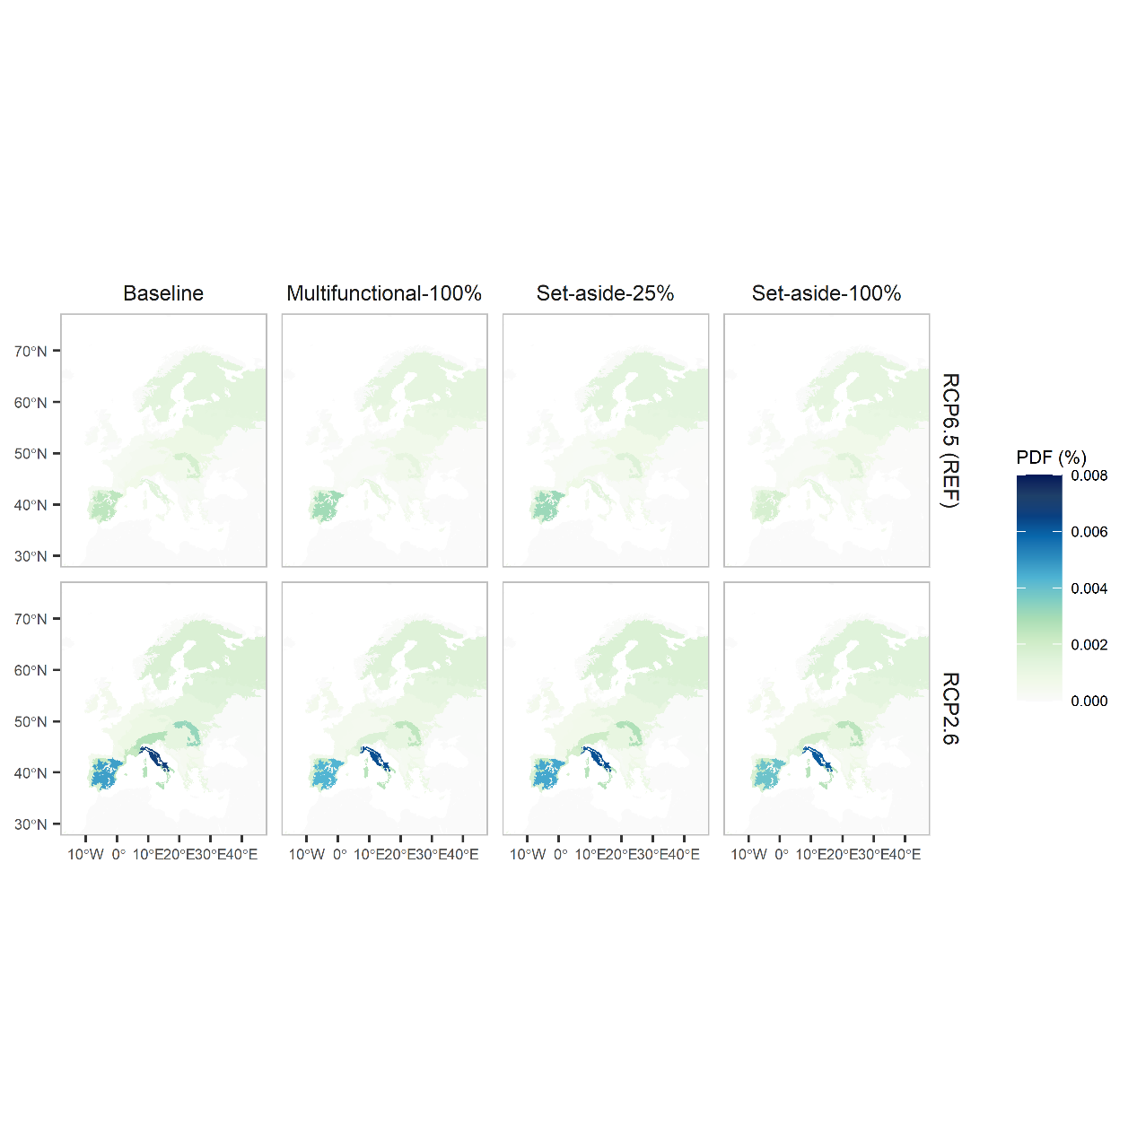
Birds
Scenario | Ecoregion | Year | Annual_EU_median | Permanent_EU_median | Pasture_EU_median | Urban_EU_median | Annual_RoW_median | Permanent_RoW_median | Pasture_RoW_median | Urban_RoW_median | For_ClearCut_EU_median | For_ClearCut_im_median | For_ClearCut_ex_median | For_Retention_EU_median | For_Plantation_im_median | For_TimberPlant_EU_median | For_TimberPlant_ex_median | For_SelectionSystem_EU_median | For_Selective_im_median | EP_EU_median | EP_conv_EU_median | EP_RoW_median | EP_conv_im_median | Afforested_EU_median | Afforested_RoW_median | Regrowth_median | ForOther_Extensive_EU_median | ForOther_Extensive_RoW_median | ForOther_Intensive_EU_median | ForOther_Intensive_RoW_median
RCP_MFM_noAF | PA1211 | 2100 | 0 | 2.21E-06 | 5.87E-07 | 4.13E-07 | 0 | 6.14E-10 | 1.06E-09 | 0 | 1.68E-06 | 2.82E-09 | 4.35E-07 | 0 | 0 | 0 | 0 | 0 | 0 | 1.18E-06 | 6.38E-07 | 0 | 0 | 4.60E-08 | 2.44E-10 | 0 | 0 | 0 | 0 | 0
RCP_MFM_noAF | PA1209 | 2100 | 9.10E-08 | 1.035578773E-05 | 6.7386520521E-06 | 2.98E-07 | 0 | 0 | 0 | 0 | 6.37E-06 | 0 | 1.65E-06 | 0 | 0 | 0 | 0 | 0 | 0 | 2.55E-07 | 6.47E-07 | 0 | 0 | 1.08E-07 | 0 | 0 | 0 | 0 | 0 | 0
RCP_MFM_noAF | PA0608 | 2100 | 4.23E-07 | 1.25E-06 | 1.56E-06 | 3.06E-07 | 3.28E-07 | 8.64E-07 | 6.64E-06 | 8.25E-07 | 1.21E-05 | 2.96E-06 | 3.13E-06 | 0 | 0 | 0 | 0 | 0 | 0 | 3.02E-10 | 1.90E-07 | 3.83E-07 | 9.03E-10 | 1.10E-08 | 1.18E-08 | 1.57E-06 | 7.75E-08 | 6.44E-06 | 1.51E-05 | 4.76E-06

Plants
Impacts in Italy are caused mainly by energy crops, and to a smaller extent to Clear cut
Impact in Spain are due to Clear cut

Birds
Impacts in Scandinavia are caused mainly by Clear cut and Other management --> Birds are much more sensible to Clear cut than plants

