Heat exchangers
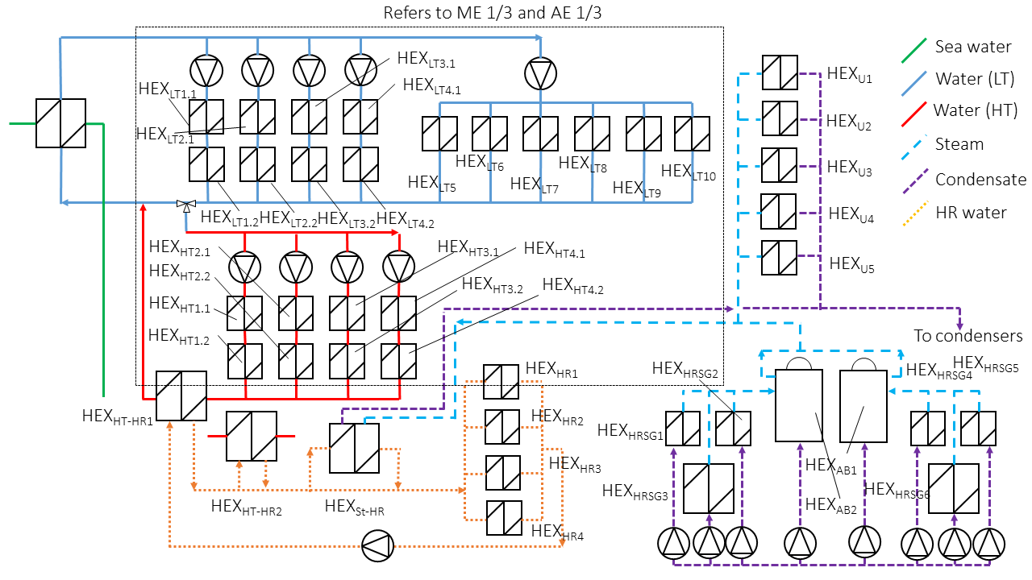
 |  |  |  |  |  | Hot side |  |  |  | Cold side
 |  |  | Power | MLTD | UA calc | mfr | fluid | T_in | T_out | mfr | fluid | T_in | T_out
 |  |  |  | K | kW/K | kg/s |  | K | K | kg/s | kJ/kgK | K | K
HEX_HT12 | HT Cooling | CAC cooler (ME) | 1346 | 54.3 | 24.8 | 11.3 | air | 486 | 371 | 33.33 | water | 353.3594459 | 363 | Note: for the design UA use 25 as value instead, which I calculated in Matlab
HEX_LT11 | LT Cooling | CAC cooler (ME) | 655 | 22.7 | 28.8 | 11.3 | air | 371 | 315 | 33.33 | water | 309 | 313.69453069 | Note: for the design UA use 25 as value instead, which I calculated in Matlab
HEX_HT11 | HT Cooling | Jacket water cooler (ME) | 630 | 51.9 | 12.1 | - | - | 403 | 403 | 33.33 | water | 348.84547409 | 353.3594459 | Note: Power from Project guide
HEX_LT12 | LT Cooling | Lubricating oil cooler (ME) | 770 | 22.9 | 33.6 | 28.3 | lub oil | 336 | 344 | 33.33 | water | 313.69453069 | 319.21160736 | Note: Power from project guide
HEX_HT32 | HT Cooling | CAC cooler (AE) | 473 | 80.9 | 5.8 | 4.9 | air | 494.40502355 | 401.58712716 | 16.67 | water | 356.22187724 | 363 | Note: in this case I have no better value, but these are probably the same exchanger. So I advise to use an average of the two (around 7)
HEX_LT31 | LT Cooling | CAC cooler (AE) | 375 | 44.8 | 8.4 | 4.9 | air | 401.58712716 | 328 | 16.67 | water | 309 | 314.37377597 | Note: in this case I have no better value, but these are probably the same exchanger. So I advise to use an average of the two (around 7)
HEX_HT31 | HT Cooling | Jacket water cooler (AE) | 488 | 50.2 | 9.7 | - | - | 403 | 403 | 16.67 | water | 349.22880344 | 356.22187724 | Note: Power from Project guide
HEX_LT32 | LT Cooling | Lubricating oil cooler (AE) | 361 | 25.3 | 14.2 | 14.2 | lub oil | 349 | 336 | 16.67 | water | 314.37377597 | 319.54693098 | Note: Power from project guide

HEX_HT-HR1 | Heat recovery | Heat recovery from HT | 2400 | 12.5 | 192.4 | 42.3 | water | 364 | 350.5 | 82.777777778 | water | 341 | 347.92459723
HEX_HR1 | Heat recovery | Hot water heater | 1200 | 8.8 | 137.1 | 16.7 | water | 363 | 345.80391689 | - | water | 343 | 343
HEX_HR2 | Heat recovery | AC-Reheating | 1780 | 9.8 | 181.7 | 20.8 | water | 363 | 342.59398137 | 21.256269405 | water | 333 | 353
HEX_HR3 | Heat recovery | AC-Preheating | 3500 | 39.8 | 87.9 | 30.6 | water | 363 | 335.64259505 | 30.960026183 | water | 296 | 323
HEX_St-HR | Heat recovery | Steam heater | 7150 | 79.9 | 89.5 | 3.4 | steam | 433 | 433 | 82.777777778 | water | 342.37047076 | 363

HEX_HRSG1 | HRSG | Main Engines | 1445 | 108.6 | 13.3 | 8.3 | eg | 642 | 480 | 0.688176 | steam | 433 | 433 | Note: the design condition is taken from the maximum heat recovered as seen from the measured data
HEX_HRSG3 | HRSG | Auxiliary Engines | 661 | 106.2 | 6.2 | 3.6 | eg | 646 | 476 | 0.31474285714 | steam | 433 | 433 | Note: the design condition is taken from the maximum heat recovered as seen from the measured data

HEX_U1 | Steam | Galley | 602 | ?
HEX_U2 | Steam | Tank heating (HT) | 271 | 90 | 3.0 |  | steam | 433 | 433 | - | fuel oil | 343 | 343
HEX_U3 | Steam | Tank heating (LT) | 246 | 110 | 2.2 |  | steam | 433 | 433 | - | fuel oil | 323 | 323
HEX_U4 | Steam | Hot water steam heater | 366 | 90 | 4.1 |  | steam | 433 | 433 | - | water | 343 | 343
HEX_U5 | Steam | Others | 474 | ?

