Foglio1
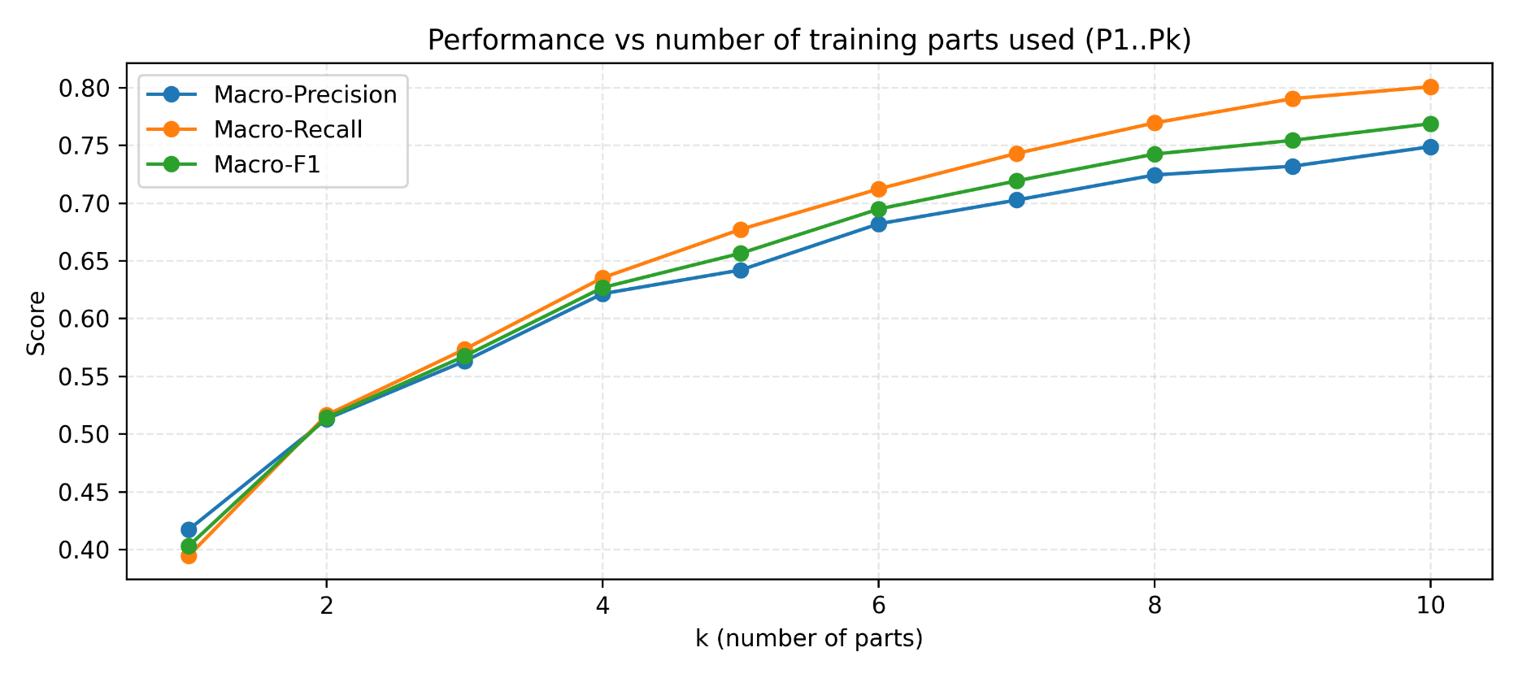
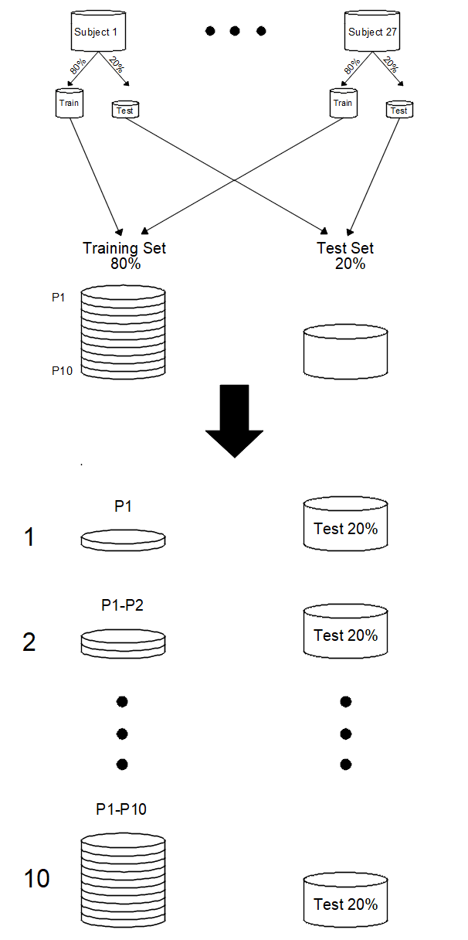
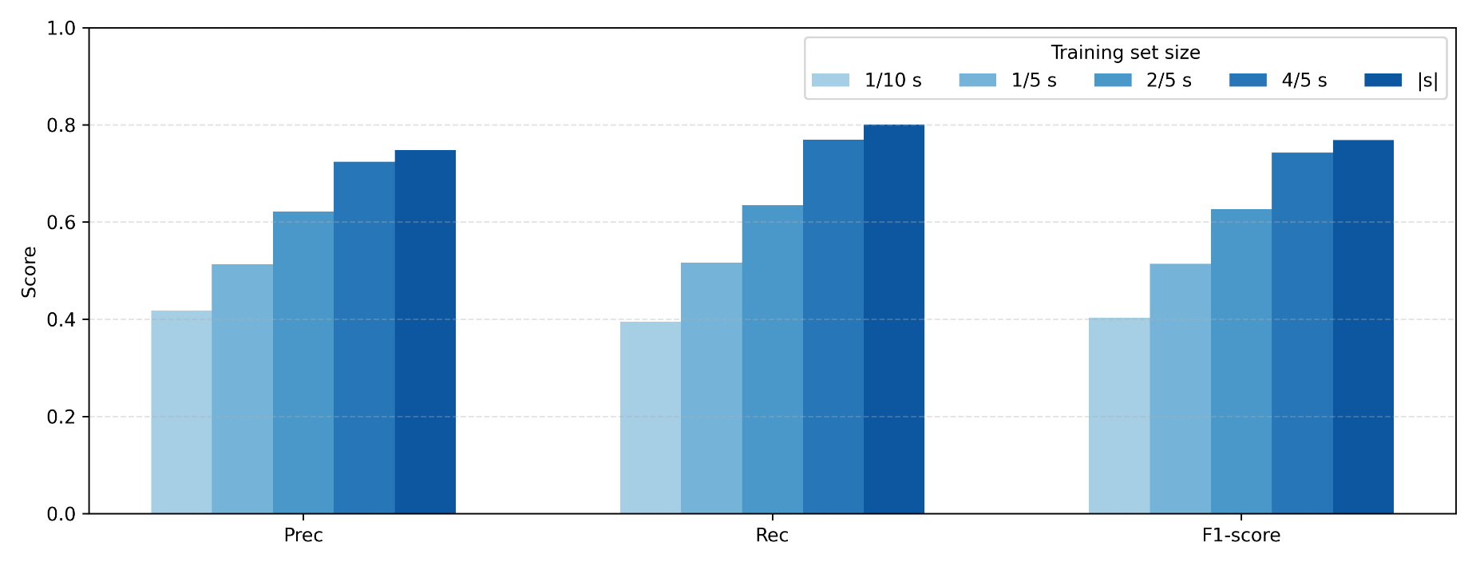
RESNET
Data Scarcity

 | Accuracy | Precision | Recall | F1-Score
P1 | 0.4484 | 0.4173 | 0.3947 | 0.4031
P1…P2 | 0.5339 | 0.5132 | 0.5166 | 0.5144
P1…P3 | 0.5808 | 0.5632 | 0.5735 | 0.5676
P1…P4 | 0.6332 | 0.6216 | 0.6354 | 0.6269
P1…P5 | 0.6564 | 0.6421 | 0.6773 | 0.6566
P1…P6 | 0.6926 | 0.6821 | 0.7123 | 0.6949
P1…P7 | 0.7148 | 0.7027 | 0.7431 | 0.7193
P1…P8 | 0.7367 | 0.7244 | 0.7695 | 0.7425
P1…P9 | 0.7451 | 0.7320 | 0.7905 | 0.7544
P1…P10 | 0.7596 | 0.7489 | 0.8008 | 0.7688

