Puzzle
Coding Temple Sudoku Puzzle
Tip: Use the pencil & eraser tools to make pencil marks on the puzzle, before committing to an answer. Example >
(Use esc to exit draw mode)
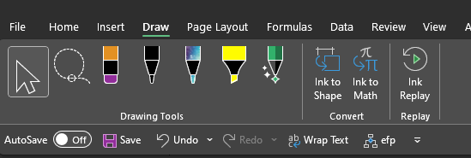
 | 8 |  |  |  |  | 4 |  | 1
9
 |  | 3 |  |  |  | 9

 | 7 |  |  |  |  |  | 2
 | 2
 |  |  | 8 |  |  | 3 | 1
 |  |  |  |  | 6
 |  |  |  | 5
 |  |  |  |  |  |  |  | by Liz Francese, Excel & Sudoku Enthusiast

