Structural Diagram
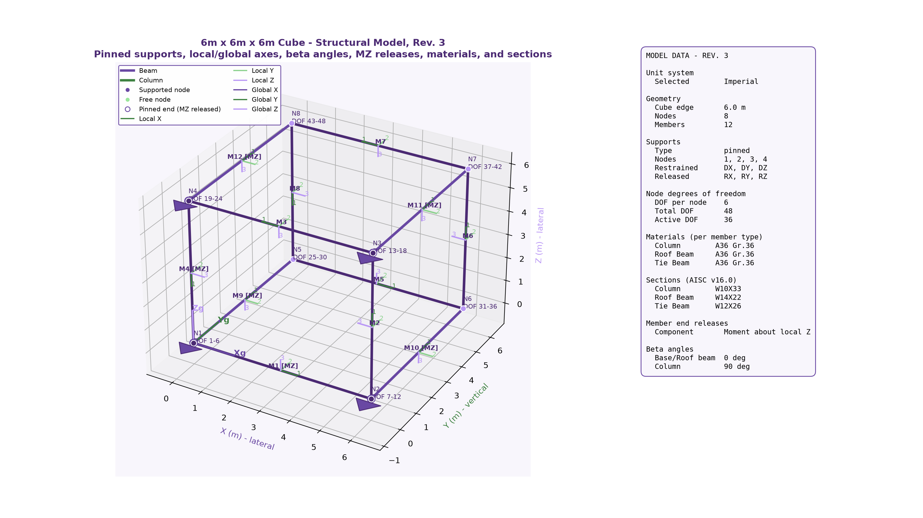
REV. 3 3D STRUCTURAL MODEL

Pinned supports, local/global axes, beta angles, node DOFs, and Moment-Z releases

