Sheet1

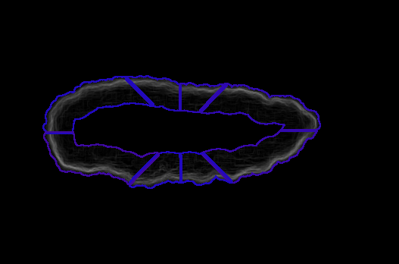
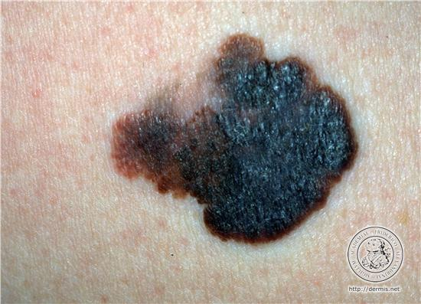
Benignant | 0.284349 | 0.290746 | 0.296407 | 0.306126 | 0.309154 | 0.326647 | 0.351295 | 0.356367
Malignant | 0.233606 | 0.235408 | 0.325565 | 0.40053 | 0.465501 | 0.601935 | 0.613569 | 0.693668

Average of the maximum values in each region

 |  |  |  |  |  |  |  |  |  | £

 |  | Regiones calculadas
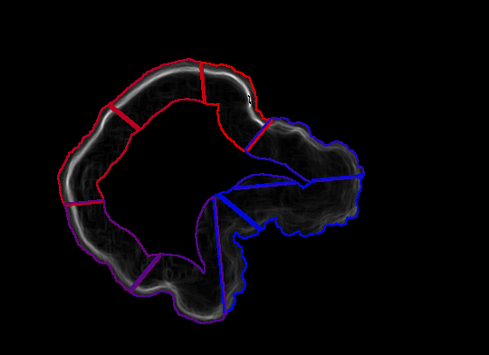
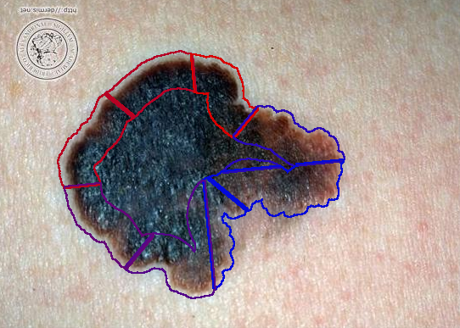
 |  |  |  |  |  |  |  |  | Bordes pronunciados

 |  |  |  |  |  |  |  |  | Bordes difusos

