Sheet1
Histogram of the gradient in the borders

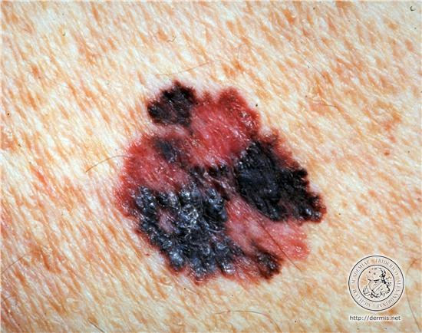

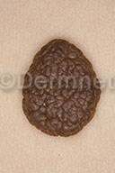
Benignant | 0.0507188 | 0.0831197 | 0.141744 | 0.13389 | 0.167133 | 0.274536 | 0.603035 | 0.601889 | 0.343209 | 0.0740531
Malignant | 0.0790946 | 0.319245 | 0.635405 | 0.517574 | 0.394542 | 0.22961 | 0.102451 | 0.0311806 | 0.013922 | 0.0125665

