Basel I
Counterparty Credit Risk
Original Exposure Method
 |  |  | Swap maturity |  | Conversion factor
*risk weights |  |  | 7 | years | 6.000%
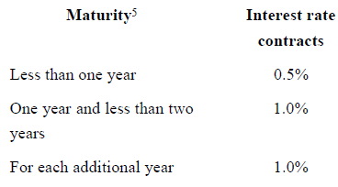

Interest Rate Swap
Maturity | 7 years
Duration | 0.00065 | per basis point (often called 6.5yr)
External Rating | BBB
Std. Dev of interest rate change | 10 basis point
DV01 | =Notional*Duration

Basel II
Counterparty Credit Risk
Current Exposure Method

CCR RWA | = EAD * Credit Assesment Weight

EAD | '= Notional Amount * Risk Weight
 |  |  | Swap notional: | 10000
*risk weights for interest rate contracts |  |  | EAD | 10000
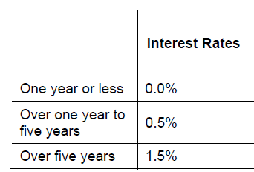
 |  |  | CCR RWA | 150

Credit weight by Counterparty Ratings

Interest Rate Swap |  |  | Market Risk
Maturity | 7 years |  | 1 day to 10 days | 3.1622776602
Duration | 0.00065 | per basis point (often called 6.5yr) | Swap notional | 10000
External Rating | BBB |  | Gaussian factor | 2.33
Std. Dev of interest rate change | 10 basis point |  | Duration | 0.00065
DV01 | =Notional*Duration |  | Std. Dev | 10

 |  |  | 10-day VaR | 478.93

 |  |  |  | 12.5
 |  |  | MR multiplier | 3
 |  |  | Market Risk RWA | 17959.760686

Basel III
Basel III Counterparty Credit Risk CVA RWA (CCR CVA RWA)

CCR CVA RWA = 12.5 * K

 |  |  |  |  |  | K | 20.642302529
 |  |  |  |  | CCR CVA RWA |  | 258.02878161
 | h | = 1 | one year risk horizon
 | Wi | = Counterparty Weight by Rating
 | EAD total | = Notional Amount * Conversion factor * Discount Factor
 | Discount Factor | = (1-exp(-0.05*Mi))/(0.05*Mi)
 | Mi | = Maturity of Contract
 | M hedge | = 0 | * hedge reference in the formula is not applicable here
 | B i | = 0 | * hedge reference in the formula is not applicable here
 | M ind | = 0 | * hedge reference in the formula is not applicable here
 | B ind | = 0 | * hedge reference in the formula is not applicable here
 | i | = 1 | *one transaction is appilcable here

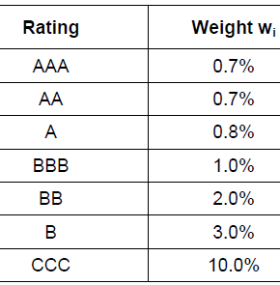
BIII Weights by CCR Ratings |  |  |  | Current Exposure Method
 |  |  |  | *conversion factor for interest rate contracts

Interest Rate Swap
Maturity | 7 years
Duration | 0.00065 | per basis point (often called 6.5yr)
External Rating | BBB
Std. Dev of interest rate change | 10 basis point
DV01 | =Notional*Duration
Notional | 10,000

