S
 | 0
0 | 93.05 | -> Valores singulares de mayor a menor. Representa la importancia de cada componente en la matriz de qxLog, por eso se usan solo las primeras filas de cada matriz para Lee Carter
1 | 13.84
2 | 13.16 |  |  | 0 | 1 | 2 | 3 | 4 | 5 | 6 | 7 | 8 | 9 | 10 | 11 | 12 | 13 | 14 | 15 | 16
3 | 7.60 |  | 0 | 93.05354909 | 0 | 0 | 0 | 0 | 0 | 0 | 0 | 0 | 0 | 0 | 0 | 0 | 0 | 0 | 0 | 0
4 | 5.81 |  | 1 | 0 | 13.840892102 | 0 | 0 | 0 | 0 | 0 | 0 | 0 | 0 | 0 | 0 | 0 | 0 | 0 | 0 | 0
5 | 4.57 |  | 2 | 0 | 0 | 13.159045086 | 0 | 0 | 0 | 0 | 0 | 0 | 0 | 0 | 0 | 0 | 0 | 0 | 0 | 0
6 | 3.85 |  | 3 | 0 | 0 | 0 | 7.6035617322 | 0 | 0 | 0 | 0 | 0 | 0 | 0 | 0 | 0 | 0 | 0 | 0 | 0
7 | 3.54 |  | 4 | 0 | 0 | 0 | 0 | 5.8090268365 | 0 | 0 | 0 | 0 | 0 | 0 | 0 | 0 | 0 | 0 | 0 | 0
8 | 3.43 |  | 5 | 0 | 0 | 0 | 0 | 0 | 4.5740995901 | 0 | 0 | 0 | 0 | 0 | 0 | 0 | 0 | 0 | 0 | 0
9 | 3.14 |  | 6 | 0 | 0 | 0 | 0 | 0 | 0 | 3.8457851045 | 0 | 0 | 0 | 0 | 0 | 0 | 0 | 0 | 0 | 0
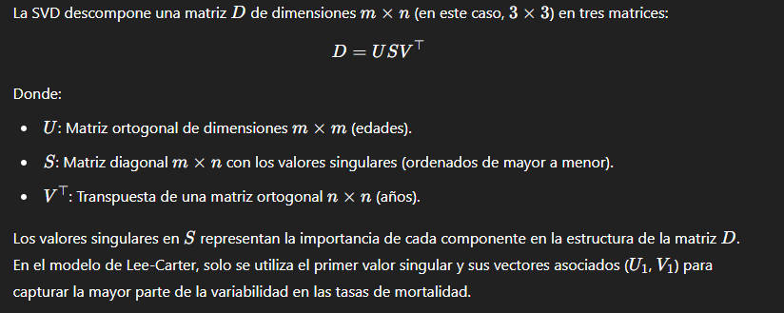
10 | 3.04 |  | 7 | 0 | 0 | 0 | 0 | 0 | 0 | 0 | 3.5358809852 | 0 | 0 | 0 | 0 | 0 | 0 | 0 | 0 | 0
11 | 2.60 |  | 8 | 0 | 0 | 0 | 0 | 0 | 0 | 0 | 0 | 3.4251922584 | 0 | 0 | 0 | 0 | 0 | 0 | 0 | 0
12 | 2.25 |  | 9 | 0 | 0 | 0 | 0 | 0 | 0 | 0 | 0 | 0 | 3.1354760454 | 0 | 0 | 0 | 0 | 0 | 0 | 0
13 | 2.11 |  | 10 | 0 | 0 | 0 | 0 | 0 | 0 | 0 | 0 | 0 | 0 | 3.035379091 | 0 | 0 | 0 | 0 | 0 | 0
14 | 1.87 |  | 11 | 0 | 0 | 0 | 0 | 0 | 0 | 0 | 0 | 0 | 0 | 0 | 2.5975274019 | 0 | 0 | 0 | 0 | 0
15 | 1.69 |  | 12 | 0 | 0 | 0 | 0 | 0 | 0 | 0 | 0 | 0 | 0 | 0 | 0 | 2.2467159429 | 0 | 0 | 0 | 0
16 | 1.59 |  | 13 | 0 | 0 | 0 | 0 | 0 | 0 | 0 | 0 | 0 | 0 | 0 | 0 | 0 | 2.110984078 | 0 | 0 | 0
17 | 1.52 |  | 14 | 0 | 0 | 0 | 0 | 0 | 0 | 0 | 0 | 0 | 0 | 0 | 0 | 0 | 0 | 1.8689229116 | 0 | 0
18 | 1.45 |  | 15 | 0 | 0 | 0 | 0 | 0 | 0 | 0 | 0 | 0 | 0 | 0 | 0 | 0 | 0 | 0 | 1.6930239224 | 0
19 | 1.27 |  | 16 | 0 | 0 | 0 | 0 | 0 | 0 | 0 | 0 | 0 | 0 | 0 | 0 | 0 | 0 | 0 | 0 | 1.591144446
20 | 1.23 |  | 17 | 0 | 0 | 0 | 0 | 0 | 0 | 0 | 0 | 0 | 0 | 0 | 0 | 0 | 0 | 0 | 0 | 0
21 | 1.19 |  | 18 | 0 | 0 | 0 | 0 | 0 | 0 | 0 | 0 | 0 | 0 | 0 | 0 | 0 | 0 | 0 | 0 | 0
22 | 1.13 |  | 19 | 0 | 0 | 0 | 0 | 0 | 0 | 0 | 0 | 0 | 0 | 0 | 0 | 0 | 0 | 0 | 0 | 0
23 | 1.02 |  | 20 | 0 | 0 | 0 | 0 | 0 | 0 | 0 | 0 | 0 | 0 | 0 | 0 | 0 | 0 | 0 | 0 | 0
24 | 0.96 |  | 21 | 0 | 0 | 0 | 0 | 0 | 0 | 0 | 0 | 0 | 0 | 0 | 0 | 0 | 0 | 0 | 0 | 0
25 | 0.94 |  | 22 | 0 | 0 | 0 | 0 | 0 | 0 | 0 | 0 | 0 | 0 | 0 | 0 | 0 | 0 | 0 | 0 | 0
26 | 0.89 |  | 23 | 0 | 0 | 0 | 0 | 0 | 0 | 0 | 0 | 0 | 0 | 0 | 0 | 0 | 0 | 0 | 0 | 0
27 | 0.87 |  | 24 | 0 | 0 | 0 | 0 | 0 | 0 | 0 | 0 | 0 | 0 | 0 | 0 | 0 | 0 | 0 | 0 | 0
28 | 0.84 |  | 25 | 0 | 0 | 0 | 0 | 0 | 0 | 0 | 0 | 0 | 0 | 0 | 0 | 0 | 0 | 0 | 0 | 0
29 | 0.80 |  | 26 | 0 | 0 | 0 | 0 | 0 | 0 | 0 | 0 | 0 | 0 | 0 | 0 | 0 | 0 | 0 | 0 | 0
30 | 0.77 |  | 27 | 0 | 0 | 0 | 0 | 0 | 0 | 0 | 0 | 0 | 0 | 0 | 0 | 0 | 0 | 0 | 0 | 0
31 | 0.73 |  | 28 | 0 | 0 | 0 | 0 | 0 | 0 | 0 | 0 | 0 | 0 | 0 | 0 | 0 | 0 | 0 | 0 | 0
32 | 0.71 |  | 29 | 0 | 0 | 0 | 0 | 0 | 0 | 0 | 0 | 0 | 0 | 0 | 0 | 0 | 0 | 0 | 0 | 0
33 | 0.64 |  | 30 | 0 | 0 | 0 | 0 | 0 | 0 | 0 | 0 | 0 | 0 | 0 | 0 | 0 | 0 | 0 | 0 | 0
34 | 0.63 |  | 31 | 0 | 0 | 0 | 0 | 0 | 0 | 0 | 0 | 0 | 0 | 0 | 0 | 0 | 0 | 0 | 0 | 0
35 | 0.61 |  | 32 | 0 | 0 | 0 | 0 | 0 | 0 | 0 | 0 | 0 | 0 | 0 | 0 | 0 | 0 | 0 | 0 | 0
...

