ARIMA Metrics Summary Female
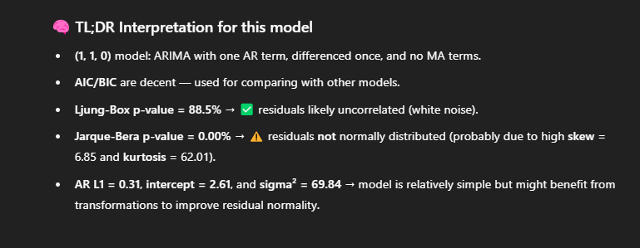
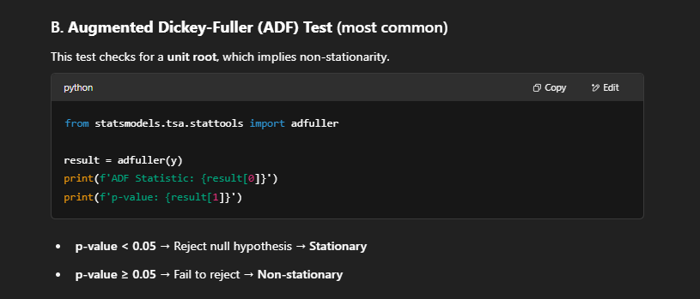
 | ARIMA Order | AIC | BIC | HQIC | MSE | MAE | LJ_Box_Stat | LJung_Box_P-Value | JB_Stat | JB_P-Value | ADF_Resid_Stat | ADF_Resid_P-Value | Skew | Kurtosis | intercept | ar.L1 | sigma2 | ma.L1 | ar.L2 | ma.L2 | ma.L3 | ar.L3
0 | (1, 1, 0) | 1,061.62 | 1,070.63 | 1,065.28317 | 193.10 | 5.48 | 0.02097 | 88.49% | 25,207.59 | 0.00% | (20.414) | - | 6.851 | 62.01 | (2.611) | -30.7% | 69.84
1 | (0, 1, 1) | 1,061.76 | 1,070.78 | 1,065.42522 | 193.18 | 5.51 | 0.02071 | 88.56% | 25,306.20 | 0.00% | (20.408) | - | 6.896 | 62.12 | (2.007) |  | 69.90 | -31.35%
2 | (1, 1, 1) | 1,063.48 | 1,075.49 | 1,068.35988 | 193.04 | 5.49 | 0.01053 | 91.83% | 25,277.02 | 0.00% | (20.350) | - | 6.876 | 62.09 | (2.398) | -19.8% | 69.77 | -12.00%
3 | (2, 1, 0) | 1,063.51 | 1,075.53 | 1,068.39265 | 193.06 | 5.49 | 0.01220 | 91.20% | 25,252.44 | 0.00% | (20.361) | - | 6.868 | 62.06 | (2.688) | -31.6% | 69.78 |  | -2.73%
4 | (0, 1, 2) | 1,063.64 | 1,075.65 | 1,068.51690 | 193.12 | 5.50 | 0.01470 | 90.35% | 25,273.11 | 0.00% | (20.375) | - | 6.881 | 62.08 | (2.004) |  | 69.84 | -31.54% |  | 3.31%
5 | (0, 1, 3) | 1,064.33 | 1,079.35 | 1,070.43633 | 192.52 | 5.49 | 0.00551 | 94.08% | 25,727.78 | 0.00% | (20.354) | - | 6.967 | 62.63 | (2.013) |  | 69.22 | -33.46% |  | 5.33% | -0.091919837485
6 | (1, 1, 2) | 1,065.38 | 1,080.40 | 1,071.48357 | 193.00 | 5.49 | 0.00911 | 92.40% | 25,336.19 | 0.00% | (20.342) | - | 6.891 | 62.16 | (2.809) | -40.2% | 69.72 | 8.10% |  | -7.23%
7 | (3, 1, 0) | 1,065.41 | 1,080.43 | 1,071.51373 | 193.01 | 5.49 | 0.01380 | 90.65% | 25,332.30 | 0.00% | (20.378) | - | 6.887 | 62.16 | (2.759) | -31.6% | 69.74 |  | -3.55% |  |  | -0.025758288975
8 | (0, 1, 0) | 1,074.43 | 1,080.44 | 1,076.86918 | 200.39 | 5.54 | 2.43443 | 11.87% | 22,299.86 | 0.00% | (22.496) | - | 6.157 | 58.45 | (1.993) |  | 77.19
9 | (2, 1, 1) | 1,065.53 | 1,080.55 | 1,071.63379 | 193.07 | 5.48 | 0.01289 | 90.96% | 25,233.72 | 0.00% | (20.365) | - | 6.862 | 62.04 | (3.251) | -53.4% | 69.79 | 21.97% | -9.14%
10 | (1, 1, 3) | 1,065.24 | 1,083.27 | 1,072.56464 | 192.03 | 5.46 | 0.00825 | 92.76% | 25,957.59 | 0.00% | (20.428) | - | 6.990 | 62.91 | (0.933) | 53.9% | 68.70 | -87.39% |  | 24.58% | -0.11849200894
11 | (3, 1, 1) | 1,065.72 | 1,083.74 | 1,073.03821 | 192.26 | 5.48 | 0.01457 | 90.39% | 25,895.87 | 0.00% | (20.459) | - | 6.987 | 62.83 | (0.847) | 44.2% | 68.92 | -76.92% | 18.96% |  |  | -0.049492427128
12 | (2, 1, 2) | 1,065.85 | 1,083.87 | 1,073.16968 | 192.32 | 5.49 | 0.00955 | 92.22% | 25,857.30 | 0.00% | (20.414) | - | 6.985 | 62.79 | (0.845) | 32.0% | 68.99 | -65.12% | 26.29% | -11.89%
13 | (2, 1, 3) | 1,066.10 | 1,087.13 | 1,074.64382 | 191.48 | 5.50 | 0.01524 | 90.17% | 26,170.09 | 0.00% | (20.533) | - | 7.005 | 63.17 | (1.109) | 103.8% | 68.16 | -137.01% | -58.81% | 98.62% | -0.29949652239
14 | (3, 1, 2) | 1,066.97 | 1,088.00 | 1,075.51583 | 191.91 | 5.55 | 0.00223 | 96.23% | 25,916.48 | 0.00% | (20.369) | - | 6.980 | 62.86 | (1.219) | -46.2% | 68.81 | 13.02% | 65.46% | -79.81% |  | 0.20754109263

 |  | coef | std err | z | P>|z| | [0.025 | 0.975]
 | intercept | (2.6112) | 0.864 | (3.023) | 0.30% | (4.304) | (0.918)
 | ar.L1 | (0.3069) | 0.028 | (11.088) | 0.00% | (0.361) | (0.253)
 | sigma2 | 69.836 | 2.416 | 28.903 | 0.00% | 65.100 | 74.572

