Dp controllers (1)
Selected differential pressure control sets

#1 | #2 | Water | Product | Technical Info | Article N° | Pipe | Qty | §

Dp controllers (from individual selection)
 |  | Water Temperature: 6 °C | DA 516 DN25/32 | 0.0014 m3/s | 52795-025 | Steel DIN 2440, ISO 65 | 1
 |  |  | 25 (1") | Dpl unknown |  | 50
 |  |  | Thread -> 25 (1") | Dpmin = 17361 Pa |  | 0.63 m/s
 |  |  | PT 90 | Scheme A |  | 102 Pa/m
 |  |  | [5000-30000] Pa
 |  |  | PN 25; -10/120 °C
 |  | Water Temperature: 6 °C | STAP 40 | 0.0014 m3/s | 52265-140 | Steel DIN 2440, ISO 65 | 1
 |  |  | 40 (1 1/2") | Dpl unknown |  | 50
 |  |  | Thread | Dpmin = 15259 Pa |  | 0.63 m/s
 |  |  | Standard | Scheme B |  | 102 Pa/m
 |  |  | [10000-40000] Pa
 |  |  | PN 16; -20/120 °C
 |  |  | STAD 50 | 0.0014 m3/s | *****-*** |  | 1
 |  |  | 50 (2") | 3000 Pa | (deleted)
 |  |  | Thread | 3.7 turns
 |  |  | With drain 1/2"
 |  |  | PN 20; -20/120 °C
Extension for measuring point M14x1 |  |  | Length 71 mm. Suitable when insulation is used. |  | 52179-016 |  | 2
Self-sealing measuring point extension |  |  | Length 60 mm. Can be installed without draining of the system. |  | 52179-006 |  | 2
 |  | Water Temperature: 6 °C | DA 516 DN25/32 | 0.0014 m3/s | 52795-125 | Steel DIN 2440, ISO 65 | 1
 |  |  | 25 (1") | Dpl unknown |  | 50
 |  |  | Thread -> 25 (1") | Dpmin = 17361 Pa |  | 0.63 m/s
 |  |  | PT 90 | Scheme C |  | 102 Pa/m
 |  |  | [10000-60000] Pa
 |  |  | PN 25; -10/120 °C
Impulse pipe connection kit (1/2") |  |  | For connecting 6 mm copper impulse pipe to STAD with 1/2" drain. |  | 52762-006 |  | 1
Measuring point, two-way with 6mm copper pipe side connection. |  |  | For connection of 6mm impulse pipe while permitting simultaneous use of IMI Hydronic Engineering balancing instrument. |  | 52179-206 |  | 1
 |  |  | STAD 50 | 0.0014 m3/s | *****-*** |  | 1
 |  |  | 50 (2") | 3000 Pa | (deleted)
 |  |  | Thread | 3.7 turns
 |  |  | With drain 3/4"
 |  |  | PN 20; -20/120 °C
Scheme A |  | 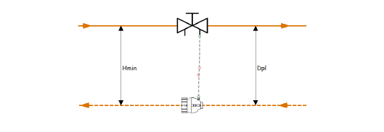
(DA 516)
Scheme B |  | 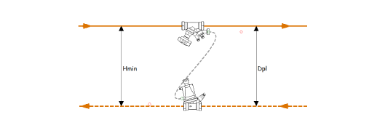
(STAP)
Scheme C |  | 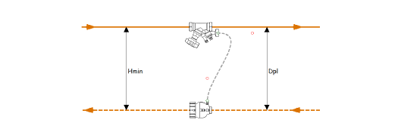
(DA 516)

