Dp controllers (1)
Selected differential pressure control sets

#1 | #2 | Water | Product | Technical Info | Article N° | Pipe | Qty | §

Dp controllers (from individual selection)
 |  | Water Temperature: 6 °C | DA 516 DN25/32 | 0,0014 m3/s | 52795-025 | ** Generic Steel Pipes ** | 1
 |  |  | 1 1/4" (32) | Dpl unknown |  | 1 1/2" (40)
 |  |  | ANSI Flange -> 1 1/4" (32) | Dpmin = 17640 Pa |  | 1,02 m/s
 |  |  | PT 90 | Scheme A |  | 331 Pa/m
 |  |  | [5000-30000] Pa
 |  |  | Press. rate 350 psi; -10/120 °C
 |  | Water Temperature: 6 °C | STAP 1 1/2" | 0,0014 m3/s | V014793CBV | ** Generic Steel Pipes ** | 1
 |  |  | 1 1/2" (40) | Dpl unknown |  | 1 1/2" (40)
 |  |  | NPT thread | Dpmin = 15504 Pa |  | 1,02 m/s
 |  |  | Standard | Scheme C |  | 331 Pa/m
 |  |  | [20000-80000] Pa
 |  |  | Press. rate 250 psi; -20/120 °C
Draining kit 1/2" |  |  | Can be installed during system operation. |  | 52265-201 |  | 1
Measuring point, two-way with G1/16 side connection. |  |  | For connection of capillary pipe while permitting simultaneous use of IMI Hydronic Engineering balancing instrument. |  | 52179-200 |  | 1
 |  |  | STAD* 1 1/2" | 0,0014 m3/s | 52867-540 |  | 1
 |  |  | 1 1/2" (40) | 6836 Pa
 |  |  | NPT thread | 4,00* turns
 |  |  | Without drain
 |  |  | Press. rate 350 psi; -20/120 °C
Extension for measuring point M14x1 |  |  | Length 71 mm. Suitable when insulation is used. |  | 52179-016 |  | 2
Self-sealing measuring point extension |  |  | Length 60 mm. Can be installed without draining of the system. |  | 52179-006 |  | 2
 |  | Water Temperature: 6 °C | DA 516 DN25/32 | 0,0014 m3/s | 52795-125 | ** Generic Steel Pipes ** | 1
 |  |  | 1" (25) | Dpl unknown |  | 1 1/2" (40)
 |  |  | ANSI Flange -> 1" (25) | Dpmin = 17640 Pa |  | 1,02 m/s
 |  |  | PT 90 | Scheme B |  | 331 Pa/m
 |  |  | [10000-60000] Pa
 |  |  | Press. rate 350 psi; -10/120 °C
Capillary pipe connection with shut-off DN20-DN50 |  |  | For replacement of existing measuring point on STAF/STAF-SG, DN 20 to 50. |  | 52265-209 |  | 1
Impulse pipe connection kit (1/2") |  |  | For connecting 6 mm copper impulse pipe to STAD with 1/2" drain. |  | 52762-006 |  | 1
Measuring point, two-way with 6mm copper pipe side connection. |  |  | For connection of 6mm impulse pipe while permitting simultaneous use of IMI Hydronic Engineering balancing instrument. |  | 52179-206 |  | 1
 |  |  | STAD* 1 1/4" | 0,0014 m3/s | 52867-532 |  | 1
 |  |  | 1 1/4" (32) | 12607 Pa
 |  |  | NPT thread | 4,00* turns
 |  |  | Without drain
 |  |  | Press. rate 350 psi; -20/120 °C
Extension for measuring point M14x1 |  |  | Length 71 mm. Suitable when insulation is used. |  | 52179-016 |  | 2
Scheme A |  | 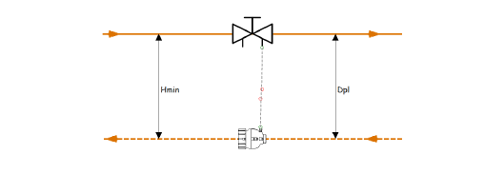
(DA 516)

Scheme B |  | 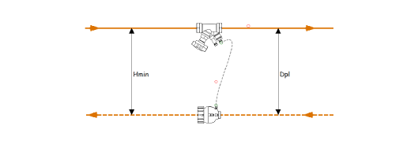
(DA 516)

Scheme C |  | 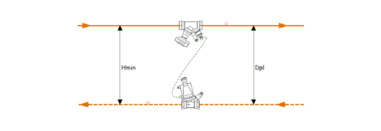
(STAP)

