Pressure maintenance prod. (1)
Selected pressure maintenance products

Calculated pressure maintenance selection
Input data |  |  |  |  |  | Calculated data
Description |  |  |  |  | Value | Description |  |  | Value
Application type |  |  |  |  | Cooling | Expansion coefficient [e] |  |  | 0,00990
Fluid type: |  | Water |  |  |  | Expansion volume [Ve] |  |  | 4,95e-5 m3
Water content [Vs] |  |  |  |  | 0,005 m3 | Min. water reserve [Vwr,min] |  |  | 0,003 m3
Installed power [Qs] |  |  |  |  | 50000 W | Water reserve [Vwr] |  |  | 0,005 m3
Static height [Hst] |  |  |  |  | 0 m | Contracted volume [Vcontr] |  |  | 4,483e-6 m3
Min. required equipment pressure [pz] |  |  |  |  | - | Vapour over-pressure [pv] |  |  | 0 Pa
Safety valve response pressure [pSV] |  |  |  |  | 300000 Pa | Minimum pressure [p0] |  |  | 30000 Pa
Maximum temperature [tsmax] |  |  |  |  | 45 °C | Initial pressure [pa] |  |  | 244265 Pa
Supply temperature |  |  |  |  | 6 °C | Filling pressure [pfill] |  |  | 244265 Pa
Return temperature |  |  |  |  | 12 °C | Final pressure [pe] |  |  | 250000 Pa
Minimum temperature [tsmin] |  |  |  |  | 6 °C | Specific flowrate of equalization volume [qN/Q] |  |  | -
Fill temperature |  |  |  |  | 15 °C | Necessary flowrate of equalization volume [qN] |  |  | -
Pressurisation on |  |  |  |  | pump suction | Pressure factor [PF] |  |  | 1,59
Pump head |  |  |  |  | - | Required nominal volume |  |  | 0,0049 m3
Max width |  |  |  |  | 0 m | Expansion pipe up to (10 m) [DNe] |  |  | -
Max height |  |  |  |  | 0 m | Expansion pipe up to (30 m) [DNe] |  |  | -
Product
#1 |  |  | #2 | Product |  |  |  | Article N° |  | Qty | §
 |  |  |  | Statico |  |  |  | 710 1000 |  | 1
 |  |  |  | SD 8.3
 |  |  |  | Connection = Thread ISO228 Male R
 |  |  |  | Nom. volume = 0,008 m3
 |  |  |  | PS = 300000 Pa
 |  |  |  | Temp. range = 5/70 °C
 |  |  |  | Weight = 3,5 kg
 |  |  |  | Max. weight = 11,5 kg
DH 15 |  |  |  | Push button valve for shut-off of manometers |  |  |  | 500 1060 |  | 1
DLV 15 |  |  |  | Lockshield valve DLV, female thread on both sides, screw connection on the vessel connection side. |  |  |  | 535 1432 |  | 1
Manometer H |  |  |  | Display range 0-4 bar, with 3 adjustable plastic segments for the marking of the desired green pressure bandwith. Bottom connection. |  |  |  | 501 1037 |  | 1

 | 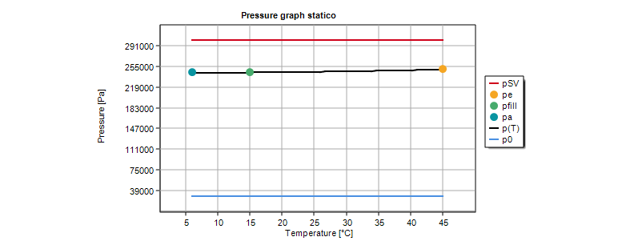 |  |  |  |  |  | 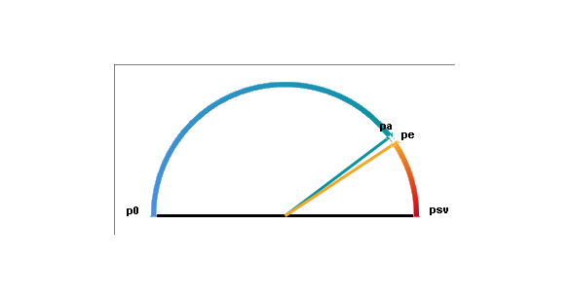

Calculated pressure maintenance selection
Input data |  |  |  |  |  | Calculated data
Description |  |  |  |  | Value | Description |  |  | Value
Application type |  |  |  |  | Cooling | Expansion coefficient [e] |  |  | 0,00990
Fluid type: |  | Water |  |  |  | Expansion volume [Ve] |  |  | 4,95e-5 m3
Water content [Vs] |  |  |  |  | 0,005 m3 | Min. water reserve [Vwr,min] |  |  | 0,003 m3
Installed power [Qs] |  |  |  |  | 50000 W | Contracted volume [Vcontr] |  |  | 4,483e-6 m3
Static height [Hst] |  |  |  |  | 0 m | Vapour over-pressure [pv] |  |  | 0 Pa
Min. required equipment pressure [pz] |  |  |  |  | - | Minimum pressure [p0] |  |  | 30000 Pa
Safety valve response pressure [pSV] |  |  |  |  | 300000 Pa | Initial pressure [pa] |  |  | 60000 Pa
Maximum temperature [tsmax] |  |  |  |  | 45 °C | Filling pressure [pfill] |  |  | 30003 Pa
Supply temperature |  |  |  |  | 6 °C | Target pressure [pman] |  |  | 70000 Pa
Return temperature |  |  |  |  | 12 °C | Final pressure [pe] |  |  | 80000 Pa
Minimum temperature [tsmin] |  |  |  |  | 6 °C | Specific flowrate of equalization volume [qN/Q] |  |  | 1,0667e-10 m3/s/W
Fill temperature |  |  |  |  | 15 °C | Necessary flowrate of equalization volume [qN] |  |  | 5,333e-6 m3/s
Pressurisation on |  |  |  |  | pump suction | Pressure factor [PF] |  |  | 1,10
Pump head |  |  |  |  | - | Required nominal volume |  |  | 0,0034 m3
Max width |  |  |  |  | 0 m | Expansion pipe up to (10 m) [DNe] |  |  | 3/4" (20)
Max height |  |  |  |  | 0 m | Expansion pipe up to (30 m) [DNe] |  |  | 3/4" (20)
Product
#1 |  |  | #2 | Product |  |  |  | Article N° |  | Qty | §
 |  |  |  | TecBox - Compresso |  |  |  | 810 1411 |  | 1
 |  |  |  | C 10.1-3.75 F Connect
 |  |  |  | PS = 375000 Pa
 |  |  |  | Power = 600 W
 |  |  |  | Supply voltage = 230 VAC
 |  |  |  | Primary vessel |  |  |  | 712 1000 |  | 1
 |  |  |  | CU 200.6
 |  |  |  | Connection = Thread ISO228 Female RP
 |  |  |  | Nom. volume = 0,2 m3
 |  |  |  | PS = 600000 Pa
 |  |  |  | Temp. range = 5/70 °C
 |  |  |  | Weight = 34 kg
 |  |  |  | Max. weight = 234 kg

 | 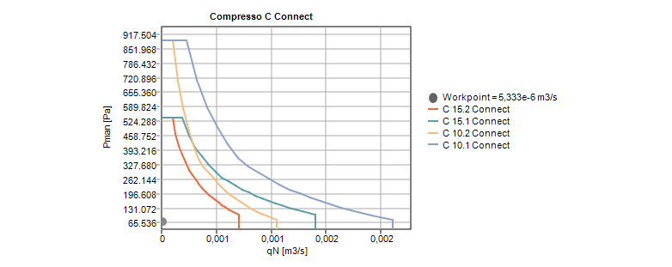 |  |  |  |  |  | 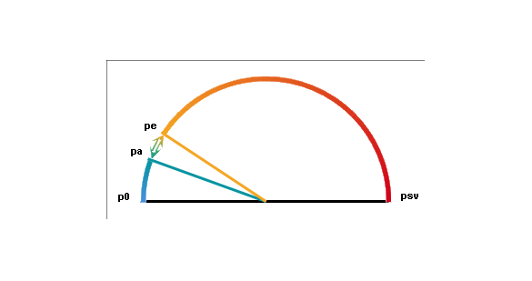

Calculated pressure maintenance selection
Input data |  |  |  |  |  | Calculated data
Description |  |  |  |  | Value | Description |  |  | Value
Application type |  |  |  |  | Cooling | Expansion coefficient [e] |  |  | 0,00990
Fluid type: |  | Water |  |  |  | Expansion volume [Ve] |  |  | 4,95e-5 m3
Water content [Vs] |  |  |  |  | 0,005 m3 | Min. water reserve [Vwr,min] |  |  | 0,003 m3
Installed power [Qs] |  |  |  |  | 50000 W | Contracted volume [Vcontr] |  |  | 4,483e-6 m3
Static height [Hst] |  |  |  |  | 0 m | Vapour over-pressure [pv] |  |  | 0 Pa
Min. required equipment pressure [pz] |  |  |  |  | - | Minimum pressure [p0] |  |  | 30000 Pa
Safety valve response pressure [pSV] |  |  |  |  | 300000 Pa | Initial pressure [pa] |  |  | 60000 Pa
Maximum temperature [tsmax] |  |  |  |  | 45 °C | Filling pressure [pfill] |  |  | 30001 Pa
Supply temperature |  |  |  |  | 6 °C | Target pressure [pman] |  |  | 70000 Pa
Return temperature |  |  |  |  | 12 °C | Final pressure [pe] |  |  | 80000 Pa
Minimum temperature [tsmin] |  |  |  |  | 6 °C | Specific flowrate of equalization volume [qN/Q] |  |  | 1,0667e-10 m3/s/W
Fill temperature |  |  |  |  | 15 °C | Necessary flowrate of equalization volume [qN] |  |  | 5,333e-6 m3/s
Pressurisation on |  |  |  |  | pump suction | Pressure factor [PF] |  |  | 1,10
Pump head |  |  |  |  | - | Required nominal volume |  |  | 0,0034 m3
Max width |  |  |  |  | 0 m | Expansion pipe up to (10 m) [DNe] |  |  | 3/4" (20)
Max height |  |  |  |  | 0 m | Expansion pipe up to (30 m) [DNe] |  |  | 3/4" (20)
Product
#1 |  |  | #2 | Product |  |  |  | Article N° |  | Qty | §
 |  |  |  | TecBox - Compresso |  |  |  | 810 1411 |  | 1
 |  |  |  | C 10.1-3.75 F Connect
 |  |  |  | PS = 375000 Pa
 |  |  |  | Power = 600 W
 |  |  |  | Supply voltage = 230 VAC
 |  |  |  | Primary vessel |  |  |  | 712 1002 |  | 1
 |  |  |  | CU 400.6
 |  |  |  | Connection = Thread ISO228 Female RP
 |  |  |  | Nom. volume = 0,4 m3
 |  |  |  | PS = 600000 Pa
 |  |  |  | Temp. range = 5/70 °C
 |  |  |  | Weight = 58 kg
 |  |  |  | Max. weight = 458 kg

Calculated pressure maintenance selection
Input data |  |  |  |  |  | Calculated data
Description |  |  |  |  | Value | Description |  |  | Value
Application type |  |  |  |  | Cooling | Expansion coefficient [e] |  |  | 0,00990
Fluid type: |  | Water |  |  |  | Expansion volume [Ve] |  |  | 4,95e-5 m3
Water content [Vs] |  |  |  |  | 0,005 m3 | Min. water reserve [Vwr,min] |  |  | 0,003 m3
Installed power [Qs] |  |  |  |  | 50000 W | Contracted volume [Vcontr] |  |  | 4,483e-6 m3
Static height [Hst] |  |  |  |  | 0 m | Vapour over-pressure [pv] |  |  | 0 Pa
Min. required equipment pressure [pz] |  |  |  |  | - | Minimum pressure [p0] |  |  | 30000 Pa
Safety valve response pressure [pSV] |  |  |  |  | 300000 Pa | Initial pressure [pa] |  |  | 60000 Pa
Maximum temperature [tsmax] |  |  |  |  | 45 °C | Filling pressure [pfill] |  |  | 30007 Pa
Supply temperature |  |  |  |  | 6 °C | Target pressure [pman] |  |  | 70000 Pa
Return temperature |  |  |  |  | 12 °C | Final pressure [pe] |  |  | 80000 Pa
Minimum temperature [tsmin] |  |  |  |  | 6 °C | Specific flowrate of equalization volume [qN/Q] |  |  | 1,0667e-10 m3/s/W
Fill temperature |  |  |  |  | 15 °C | Necessary flowrate of equalization volume [qN] |  |  | 5,333e-6 m3/s
Pressurisation on |  |  |  |  | pump suction | Pressure factor [PF] |  |  | 1,10
Pump head |  |  |  |  | - | Required nominal volume |  |  | 0,0034 m3
Max width |  |  |  |  | 0 m | Expansion pipe up to (10 m) [DNe] |  |  | 3/4" (20)
Max height |  |  |  |  | 0 m | Expansion pipe up to (30 m) [DNe] |  |  | 3/4" (20)
Product
#1 |  |  | #2 | Product |  |  |  | Article N° |  | Qty | §
 |  |  |  | TecBox - Compresso |  |  |  | 301021 41001 |  | 1
 |  |  |  | Simply Compresso C 2.1-80 S
 |  |  |  | PS = 375000 Pa
 |  |  |  | Power = 300 W
 |  |  |  | Supply voltage = 230 VAC
 |  |  |  | Integrated vessel |  |  |  | - |  | 1
 |  |  |  | CD 80.9
 |  |  |  | Connection = Thread ISO228 Male R
 |  |  |  | Nom. volume = 0,08 m3
 |  |  |  | PS = 900000 Pa
 |  |  |  | Temp. range = 5/70 °C
 |  |  |  | Weight = 16 kg
 |  |  |  | Max. weight = 96 kg

 | 