Menu
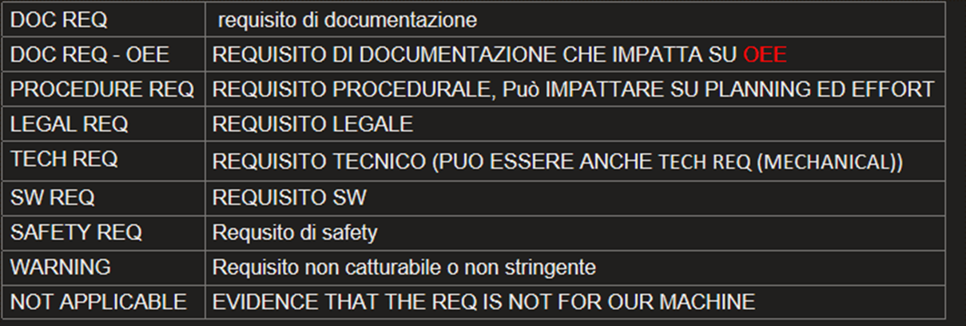
Customer Priority | Requirement Class | Requirement Type | Manz Resposability | Requirement state | Manz Compliant (req. Complex) | Test Complexity | Status | test result
low | Machine | Techincal | Concept | approved | yes | easy | completed | compliant
medium | Product | Procedure | UTM | rejected | partially | medium | on going | not compliant
high | Company | Legal | UTS | in discussion | no | hard | blocked | partially compliant
 |  | SW | UTE | acquired |  |  | failed
 |  | HW | SW
 |  | Safety | Testing
 |  | Documentation | Process
 |  | Safety | Assembly
 |  | Warning | Logistic
 |  | N.A. | Quality
 |  |  | PM
 |  |  | Purchasing
 |  |  | Sales
 |  |  | Service

