mape
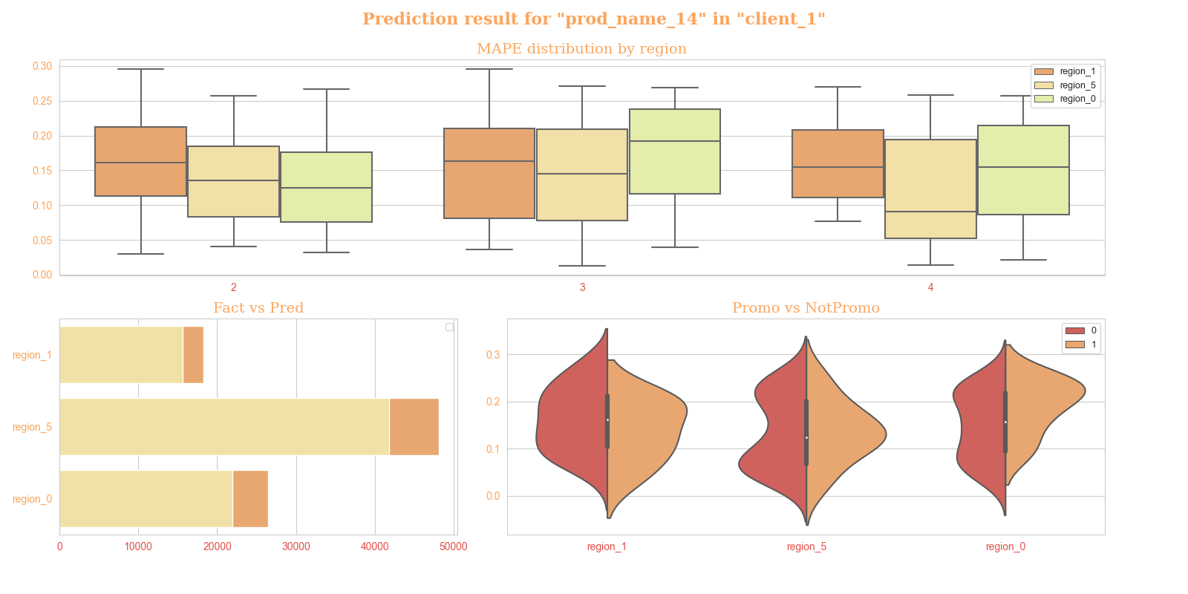
Accuracy of prediction, 2021

 |  | accuracy
 |  | prod_name_12 |  |  | prod_name_14 |  |  | prod_name_3
 |  | 2 | 3 | 4 | 2 | 3 | 4 | 2 | 3 | 4
client | region
client_1 | region_0 | 85.12% | 83.96% | 87.04% | 87.51% | 80.81% | 84.53% | 85.81% | 83.15% | 85.59%
 | region_1 | 89.76% | 87.62% | 82.43% | 83.89% | 83.67% | 84.51% | 83.78% | 82.03% | 88.66%
 | region_5 | 87.40% | 84.11% | 84.23% | 86.42% | 85.47% | 90.94% | 81.94% | 88.75% | 87.90%
client_10 | region_0 | 68.79% | 77.94% | 71.91% | 17.25% | -5.72% | 61.79% | 22.54% | 31.84% | 24.71%
 | region_1 | -3.69% | 75.08% | 39.78% | -59.28% | -80.18% | 18.07% | -40.88% | -46.93% | -50.38%
 | region_5 | 77.29% | 84.83% | 83.46% | 77.99% | 79.91% | 82.19% | 71.27% | 74.18% | 70.09%

