Downtown
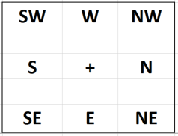 Key | Neighbor Order NORTH EAST SOUTH WEST |  | Arrows 124 - UP 125 - DOWN 126 - LEFT 127 - RIGHT | BLOCKED REGION | MAY NEED FIXES | CONTAINS TELEPORT
 |  | For Rent Interrior Downtown_2c | Furniture Interrior Downtown_2d |  |  | General Interrior Downtown_2g | **RELINK** Sandy's Spas Interrior Downtown_1g | Magic Shop Interrior Downtown_2i
 | 42nd St & Mainte St Downtown_3b | Maine St - For Rent Downtown_3c | Maine St - Fine Furniture Downtown_3d | Downtown_3e | Maine St Downtown_3f | Maine St Downtown_3g | Sandy's Spas - Maine St Downtown_3h | Magic Shop - Maine St Downtown_3i | Downtown_3j
 | Randy's Adventure Emporium Downtown_4b | La Vous New Interrior Downtown_4c | La Vous New - Rodeo Dr Downtown_4d | Plaza SW Downtown_4e | Plaza West Downtown_4f | Plaza NW Downtown_4g | Meeting Hall / Admin Ave Downtown_4h |  | Pawn Shop Downtown_4j | Downtown_4k
 | Tivolli's Garden Downtown_5b | Kerri's Interrior Downtown_5c | Kerri's Knick Knacks Rodeo Dr Downtown_5d | Plaza South Downtown_5e | Plaza Fountain Downtown_5f | Plaza North Downtown_5g | Hall of Records Downtown_5h |  | Downtown_5j | Kelly's Interrior Downtown_5k | Kelly's Bar Back Room Downtown_5l
 | Costello's Downtown_6b | Paint Shop Interrior Downtown_6c | Paint Shop - Rodeo Dr Downtown_6d | Plaza SE Downtown_6e | Plaza East Downtown_6f | Plaza NE Downtown_6g | City Hall Downtown_6h |  | Lefty's Downtown 6j | Lefty's Interrior Downtown_6k
 | Stock Market Downtown_7b | Quiz Shows Inc- Broadway Downtown_7c | Hamlet's Place - Broadway Downtown_7d | 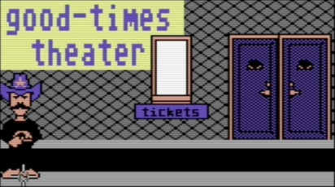 Good Times Theatre - Broadway Downtown_7e | Broadway 7F | 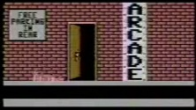 Arcade 7G | Broadway Bank 7h | Library 7I | Skid Row Downtown 7j
 |  | Quiz Shows Interrior Downtown_8c | Hamlet's Interrior Downtown_8d | Theatre Interrior Downtown_8e |  | Arcade Interrior Downtown_8g |  | Library Interrior Downtown_8i

Forest
 |  |  |  |  |  |  |  |  | 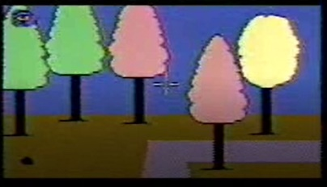 Woods Rd NW | 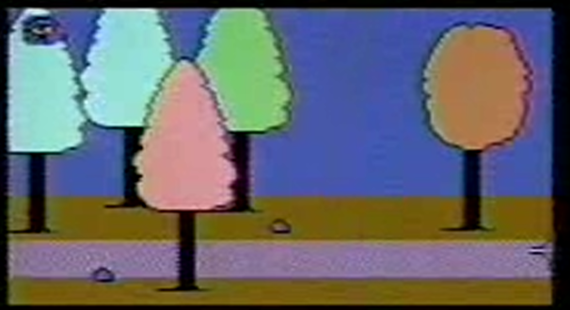 Woods Rd | 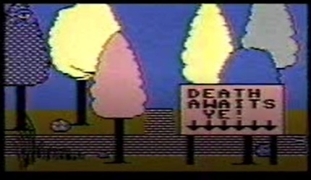 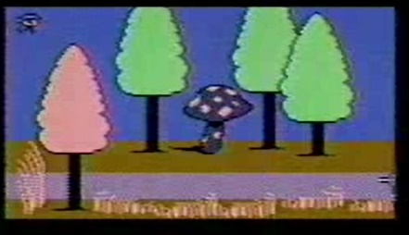 Woods Rd | 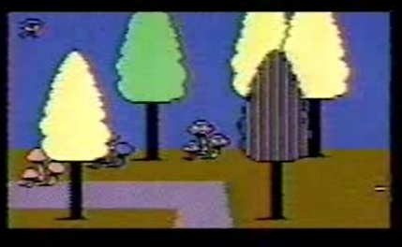 Woods Rd | Woods Rd
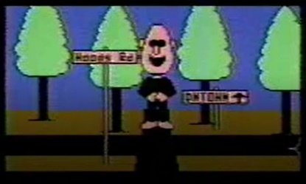 Woods Rd | 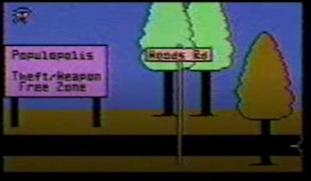 Woods Rd | 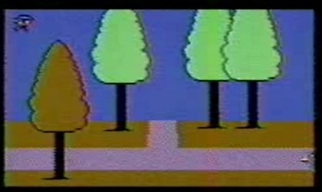 Woods Rd | 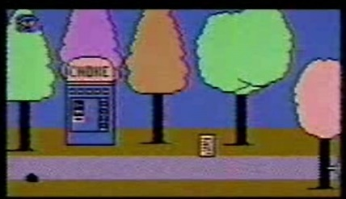 Woods Rd | 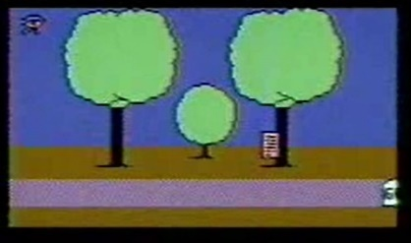 Woods Rd | 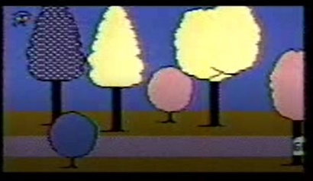 Woods Rd | 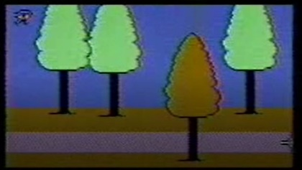 Woods Rd | 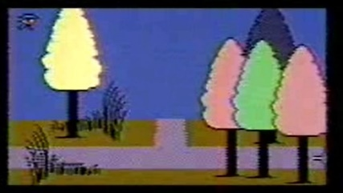 Woods Rd | 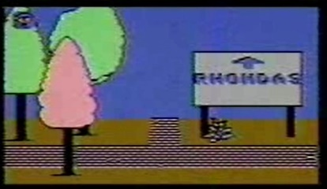 Woods Rd | 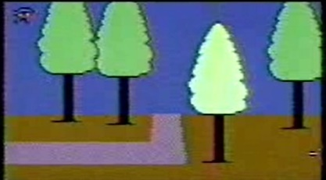 Woods Rd |  |  |  | Habitat Rd | 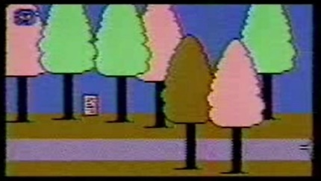 Habitat Rd | 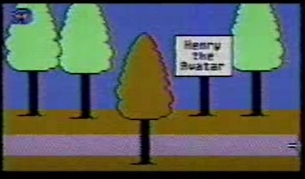 Habitat Rd (Henry Poem) | 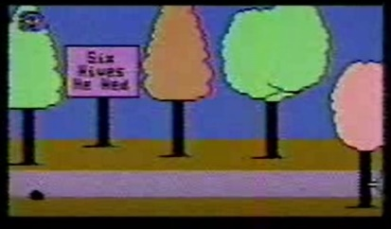 Habitat Rd (Henry Poem) | 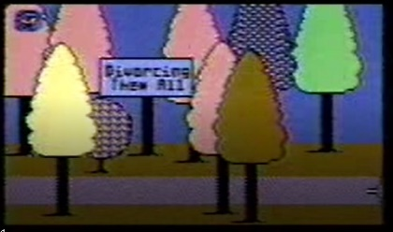 Habitat Rd (Henry Poem) | Habitat Rd (Henry Rd) | 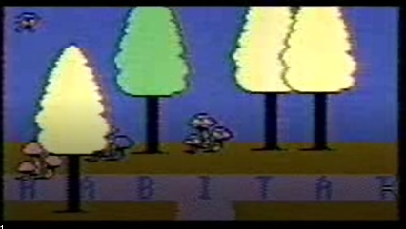 Habitat Crossroads
 |  |  |  |  |  |  |  |  |  |  |  |  |  |  |  |  |  |  | Forest
 |  |  |  |  |  |  |  |  |  |  |  |  |  |  |  |  |  |  | Forest
 |  |  |  |  |  |  |  |  |  |  |  |  |  |  |  |  |  |  | Forest
 |  |  |  |  |  |  |  |  |  |  |  |  |  |  |  |  |  |  | Forest
 |  |  |  |  |  |  |  |  |  |  |  |  |  |  |  |  | 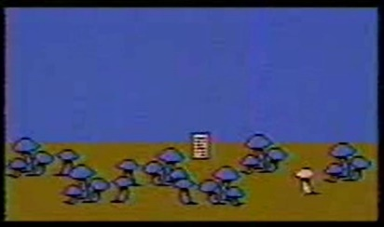 | 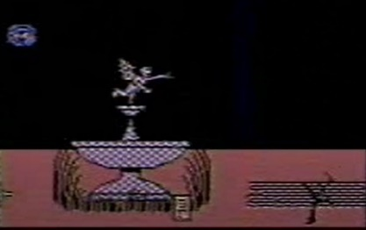 Bad Oracle | 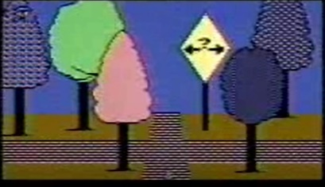 Forest | Forest Vendroid
 |  |  |  |  |  |  |  |  |  |  |  |  |  |  |  |  |  |  | 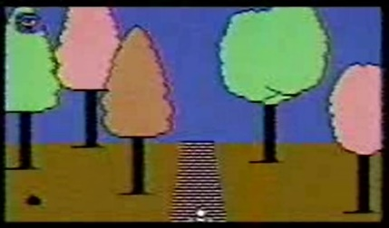 Forest
 |  |  |  |  |  |  |  |  |  |  |  |  |  |  |  |  |  |  | 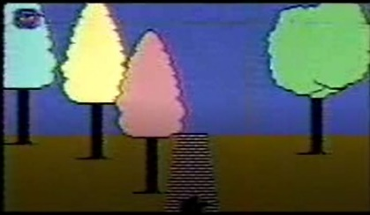 Forest
 |  |  |  |  |  |  |  |  |  |  |  |  |  |  |  |  |  |  | 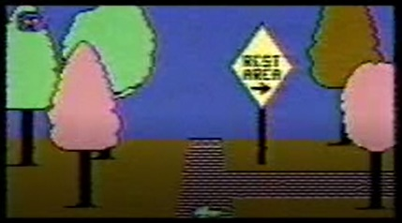 Forest
 |  |  |  |  |  |  |  |  |  |  |  |  |  |  |  |  |  |  | 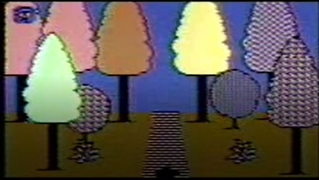 Forest
 |  |  |  |  |  |  |  |  |  |  |  |  |  |  |  |  |  |  | 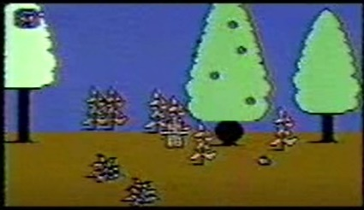 Money Tree
 |  |  |  |  |  |  |  |  |  |  |  |  |  |  |  |  |  |  | 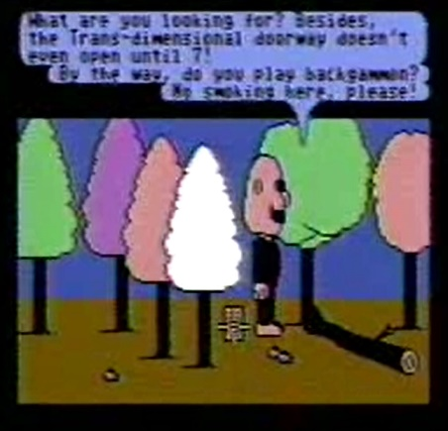 Quest Log

