WIND_offshore
...
Attribute | LimType | Year | REG1 | Pset_PN
NCAP_AF | UP | 0 | 3 | ELCRNWIN01
NCAP_AF | UP | 0 | 3 | ELCRNWIN01
NCAP_AF | UP | 0 | 3 | ELCRNWIN01
NCAP_AF | UP | 0 | 3 | ELCRNWIN01
Wind profile
 | Wind Profile
W01D3H01 | 0.978
W01D3H02 | 0.958
W01D3H03 | 0.947
W01D3H04 | 0.918
W01D3H05 | 0.896
W01D3H06 | 0.906
W01D3H07 | 0.884
W01D3H08 | 0.848
W01D3H09 | 0.796
W01D3H10 | 0.79
W01D3H11 | 0.79
W01D3H12 | 0.757
W01D3H13 | 0.721
W01D3H14 | 0.714
W01D3H15 | 0.746
W01D3H16 | 0.75
W01D3H17 | 0.739
W01D3H18 | 0.753
W01D3H19 | 0.811
W01D3H20 | 0.871
W01D3H21 | 0.908
W01D3H22 | 0.931
W01D3H23 | 0.949
W01D3H24 | 0.963
W01D4H01 | 0.973
W01D4H02 | 0.98
W01D4H03 | 0.983
W01D4H04 | 0.98
W01D4H05 | 0.97
W01D4H06 | 0.954
W01D4H07 | 0.939
W01D4H08 | 0.927
W01D4H09 | 0.918
W01D4H10 | 0.91
W01D4H11 | 0.899
W01D4H12 | 0.897
W01D4H13 | 0.897
W01D4H14 | 0.895
W01D4H15 | 0.888
W01D4H16 | 0.869
W01D4H17 | 0.847
W01D4H18 | 0.826
W01D4H19 | 0.806
W01D4H20 | 0.782
W01D4H21 | 0.757
W01D4H22 | 0.752
W01D4H23 | 0.763
W01D4H24 | 0.769
W01D5H01 | 0.763
W01D5H02 | 0.737
...
NCAP_AF | UP | 0 | 3 | ELCRNWIN01
NCAP_AF | UP | 0 | 3 | ELCRNWIN01
NCAP_AF | UP | 0 | 3 | ELCRNWIN01
NCAP_AF | UP | 0 | 3 | ELCRNWIN01
NCAP_AF | UP | 0 | 3 | ELCRNWIN01
NCAP_AF | UP | 0 | 3 | ELCRNWIN01
NCAP_AF | UP | 0 | 3 | ELCRNWIN01
NCAP_AF | UP | 0 | 3 | ELCRNWIN01
NCAP_AF | UP | 0 | 3 | ELCRNWIN01
NCAP_AF | UP | 0 | 3 | ELCRNWIN01
NCAP_AF | UP | 0 | 3 | ELCRNWIN01
NCAP_AF | UP | 0 | 3 | ELCRNWIN01
NCAP_AF | UP | 0 | 3 | ELCRNWIN01
NCAP_AF | UP | 0 | 3 | ELCRNWIN01
NCAP_AF | UP | 0 | 3 | ELCRNWIN01
NCAP_AF | UP | 0 | 3 | ELCRNWIN01
NCAP_AF | UP | 0 | 3 | ELCRNWIN01
NCAP_AF | UP | 0 | 3 | ELCRNWIN01
NCAP_AF | UP | 0 | 3 | ELCRNWIN01
NCAP_AF | UP | 0 | 3 | ELCRNWIN01
NCAP_AF | UP | 0 | 3 | ELCRNWIN01
NCAP_AF | UP | 0 | 3 | ELCRNWIN01
NCAP_AF | UP | 0 | 3 | ELCRNWIN01
NCAP_AF | UP | 0 | 3 | ELCRNWIN01
NCAP_AF | UP | 0 | 3 | ELCRNWIN01
NCAP_AF | UP | 0 | 3 | ELCRNWIN01
NCAP_AF | UP | 0 | 3 | ELCRNWIN01
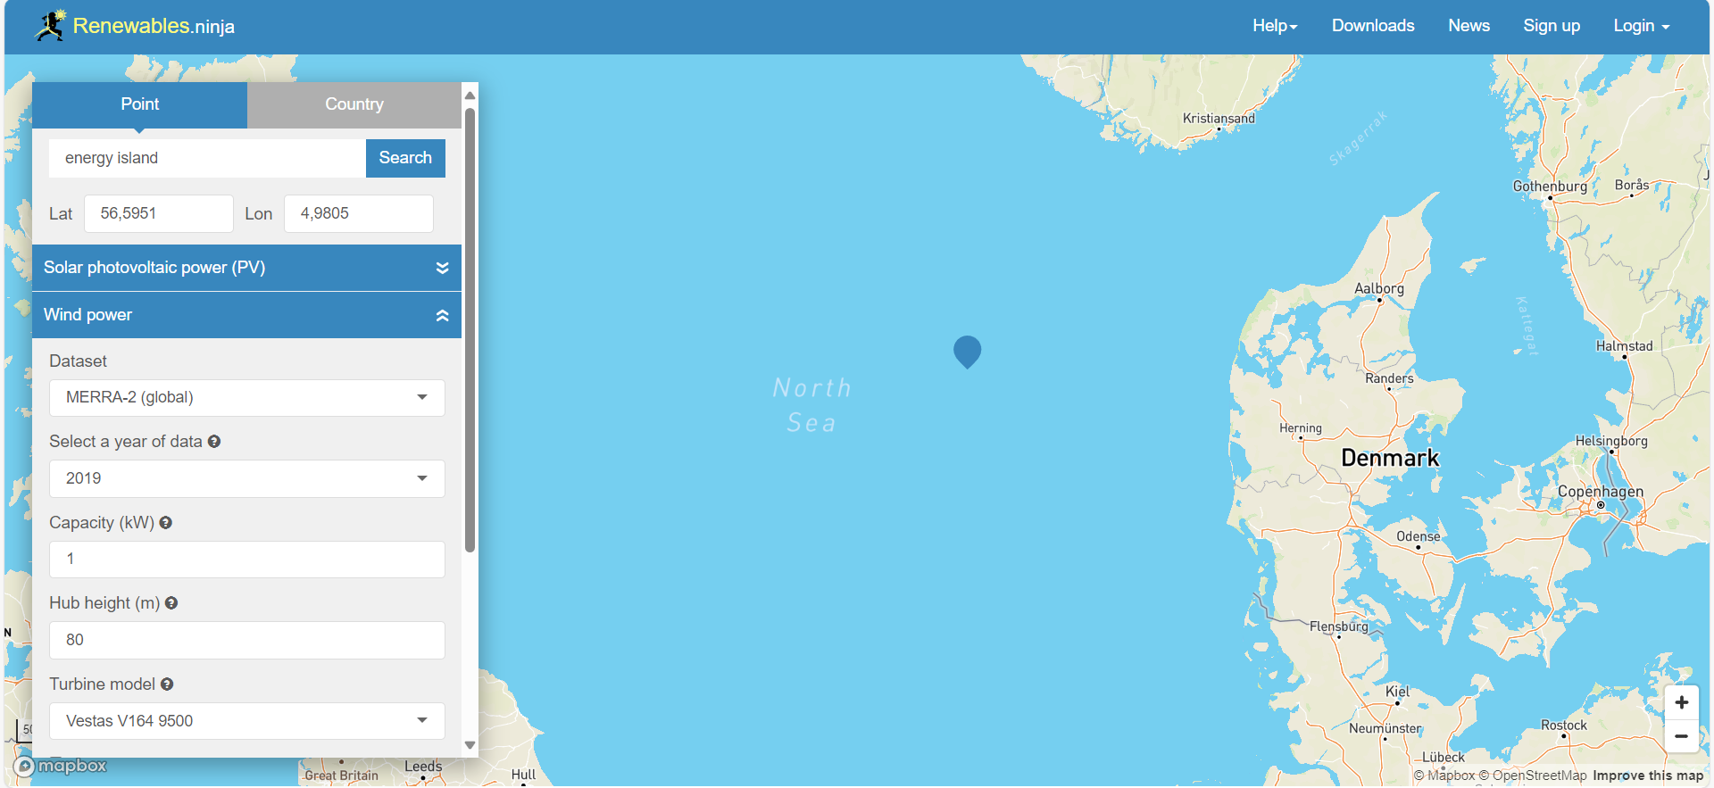
NCAP_AF | UP | 0 | 3 | ELCRNWIN01
NCAP_AF | UP | 0 | 3 | ELCRNWIN01
NCAP_AF | UP | 0 | 3 | ELCRNWIN01
NCAP_AF | UP | 0 | 3 | ELCRNWIN01
NCAP_AF | UP | 0 | 3 | ELCRNWIN01
 |  | 0 | 3 | ELCRNWIN01
 |  | 0 | 3 | ELCRNWIN01
 |  | 0 | 3 | ELCRNWIN01
 |  | 0 | 3 | ELCRNWIN01
 |  | 0 | 3 | ELCRNWIN01
 |  | 0 | 3 | ELCRNWIN01
 |  | 0 | 3 | ELCRNWIN01
 |  | 0 | 3 | ELCRNWIN01
 |  | 0 | 3 | ELCRNWIN01
 |  | 0 | 3 | ELCRNWIN01
 |  | 0 | 3 | ELCRNWIN01
 |  | 0 | 3 | ELCRNWIN01
 |  | 0 | 3 | ELCRNWIN01
 |  | 0 | 3 | ELCRNWIN01
 |  | 0 | 3 | ELCRNWIN01
 |  | 0 | 3 | ELCRNWIN01
 |  | 0 | 3 | ELCRNWIN01
 |  | 0 | 3 | ELCRNWIN01
 |  | 0 | 3 | ELCRNWIN01
 |  | 0 | 3 | ELCRNWIN01
 |  | 0 | 3 | ELCRNWIN01
 |  | 0 | 3 | ELCRNWIN01
 |  | 0 | 3 | ELCRNWIN01
 |  | 0 | 3 | ELCRNWIN01
 |  | 0 | 3 | ELCRNWIN01
 |  | 0 | 3 | ELCRNWIN01
 |  | 0 | 3 | ELCRNWIN01
 |  | 0 | 3 | ELCRNWIN01
 |  | 0 | 3 | ELCRNWIN01
 |  | 0 | 3 | ELCRNWIN01
 |  | 0 | 3 | ELCRNWIN01
 |  | 0 | 3 | ELCRNWIN01
 |  | 0 | 3 | ELCRNWIN01
 |  | 0 | 3 | ELCRNWIN01
 |  | 0 | 3 | ELCRNWIN01
 |  | 0 | 3 | ELCRNWIN01
 |  | 0 | 3 | ELCRNWIN01
 |  | 0 | 3 | ELCRNWIN01
 |  | 0 | 3 | ELCRNWIN01
 |  | 0 | 3 | ELCRNWIN01
 |  | 0 | 3 | ELCRNWIN01
 |  | 0 | 3 | ELCRNWIN01
 |  | 0 | 3 | ELCRNWIN01
 |  | 0 | 3 | ELCRNWIN01
 |  | 0 | 3 | ELCRNWIN01
 |  | 0 | 3 | ELCRNWIN01
 |  | 0 | 3 | ELCRNWIN01
 |  | 0 | 3 | ELCRNWIN01
 |  | 0 | 3 | ELCRNWIN01
 |  | 0 | 3 | ELCRNWIN01
 |  | 0 | 3 | ELCRNWIN01
...

WIND_nearshore
...
Attribute | LimType | Year | REG1 | Pset_PN
NCAP_AF | UP | 0 | 3 | ELCRNWIN02
NCAP_AF | UP | 0 | 3 | ELCRNWIN02
NCAP_AF | UP | 0 | 3 | ELCRNWIN02
NCAP_AF | UP | 0 | 3 | ELCRNWIN02
Wind profile
 | Wind Profile
W01D3H01 | 0.906606
W01D3H02 | 0.888066
W01D3H03 | 0.877869
W01D3H04 | 0.850986
W01D3H05 | 0.830592
W01D3H06 | 0.839862
W01D3H07 | 0.819468
W01D3H08 | 0.786096
W01D3H09 | 0.737892
W01D3H10 | 0.73233
W01D3H11 | 0.73233
W01D3H12 | 0.701739
W01D3H13 | 0.668367
W01D3H14 | 0.661878
W01D3H15 | 0.691542
W01D3H16 | 0.69525
W01D3H17 | 0.685053
W01D3H18 | 0.698031
W01D3H19 | 0.751797
W01D3H20 | 0.807417
W01D3H21 | 0.841716
W01D3H22 | 0.863037
W01D3H23 | 0.879723
W01D3H24 | 0.892701
W01D4H01 | 0.901971
W01D4H02 | 0.90846
W01D4H03 | 0.911241
W01D4H04 | 0.90846
W01D4H05 | 0.89919
W01D4H06 | 0.884358
W01D4H07 | 0.870453
W01D4H08 | 0.859329
W01D4H09 | 0.850986
W01D4H10 | 0.84357
W01D4H11 | 0.833373
W01D4H12 | 0.831519
W01D4H13 | 0.831519
W01D4H14 | 0.829665
W01D4H15 | 0.823176
W01D4H16 | 0.805563
W01D4H17 | 0.785169
W01D4H18 | 0.765702
W01D4H19 | 0.747162
W01D4H20 | 0.724914
W01D4H21 | 0.701739
W01D4H22 | 0.697104
W01D4H23 | 0.707301
W01D4H24 | 0.712863
W01D5H01 | 0.707301
W01D5H02 | 0.683199
...
NCAP_AF | UP | 0 | 3 | ELCRNWIN02
NCAP_AF | UP | 0 | 3 | ELCRNWIN02
NCAP_AF | UP | 0 | 3 | ELCRNWIN02
NCAP_AF | UP | 0 | 3 | ELCRNWIN02
NCAP_AF | UP | 0 | 3 | ELCRNWIN02
NCAP_AF | UP | 0 | 3 | ELCRNWIN02
NCAP_AF | UP | 0 | 3 | ELCRNWIN02
NCAP_AF | UP | 0 | 3 | ELCRNWIN02
NCAP_AF | UP | 0 | 3 | ELCRNWIN02
NCAP_AF | UP | 0 | 3 | ELCRNWIN02
NCAP_AF | UP | 0 | 3 | ELCRNWIN02
NCAP_AF | UP | 0 | 3 | ELCRNWIN02
NCAP_AF | UP | 0 | 3 | ELCRNWIN02
NCAP_AF | UP | 0 | 3 | ELCRNWIN02
NCAP_AF | UP | 0 | 3 | ELCRNWIN02
NCAP_AF | UP | 0 | 3 | ELCRNWIN02
NCAP_AF | UP | 0 | 3 | ELCRNWIN02
NCAP_AF | UP | 0 | 3 | ELCRNWIN02
NCAP_AF | UP | 0 | 3 | ELCRNWIN02
NCAP_AF | UP | 0 | 3 | ELCRNWIN02
NCAP_AF | UP | 0 | 3 | ELCRNWIN02
NCAP_AF | UP | 0 | 3 | ELCRNWIN02
NCAP_AF | UP | 0 | 3 | ELCRNWIN02
NCAP_AF | UP | 0 | 3 | ELCRNWIN02
NCAP_AF | UP | 0 | 3 | ELCRNWIN02 | NEARSHORE 7.3% LESS FULL LOAD HOURS THAN OFFSHORE (TECHNOLOGY CATHALOGUE)
NCAP_AF | UP | 0 | 3 | ELCRNWIN02
NCAP_AF | UP | 0 | 3 | ELCRNWIN02
NCAP_AF | UP | 0 | 3 | ELCRNWIN02
NCAP_AF | UP | 0 | 3 | ELCRNWIN02
NCAP_AF | UP | 0 | 3 | ELCRNWIN02
NCAP_AF | UP | 0 | 3 | ELCRNWIN02
NCAP_AF | UP | 0 | 3 | ELCRNWIN02
...

