Color change (enzyme base)
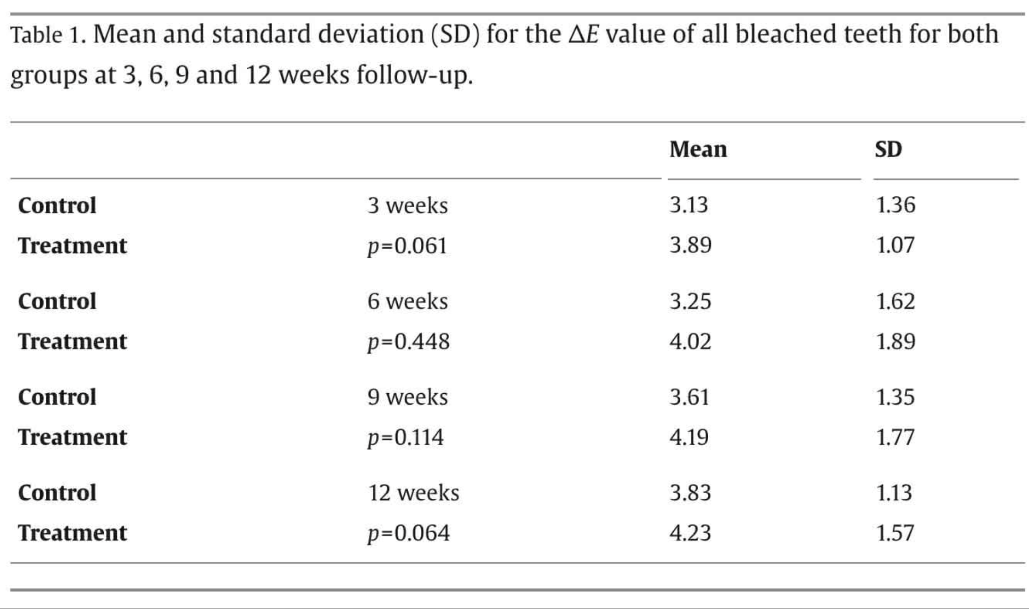
https://www.sciencedirect.com/science/article/pii/S0300571215300294#sec0025

