FacilityLocationProblemTemplate
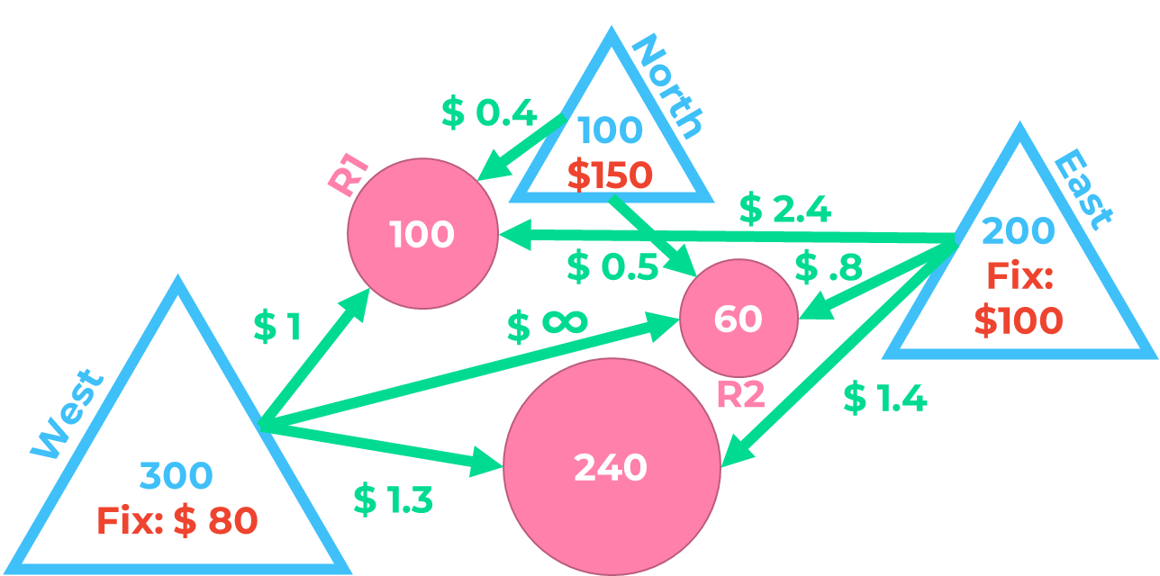
Data
 | Cost
 | Variable Cost | West | North | East |  |  | Demand
 | R1 | 1 | 0.4 | 2.4 |  |  | 100
 | R2 | 100000 | 0.5 | 0.8 |  |  | 60
 | R3 | 1.3 | 100000 | 1.4 |  |  | 240

 | Fix cost | 80 | 150 | 100

 | Capacity | 300 | 100 | 200

DVs | Choose or not
 | How many customers | West | North | East | Coverage |  | Demand
 | R1 |  |  |  |  | ⩾
 | R2 |  |  |  |  | ⩾
 | R3 |  |  |  |  | ⩾
 | Implied usage
 |  | <= | <= | <=
 | Available usage
 | Implied cost
 | fixed
 | variable cost

 |  |  |  | Total Cost

