(e)
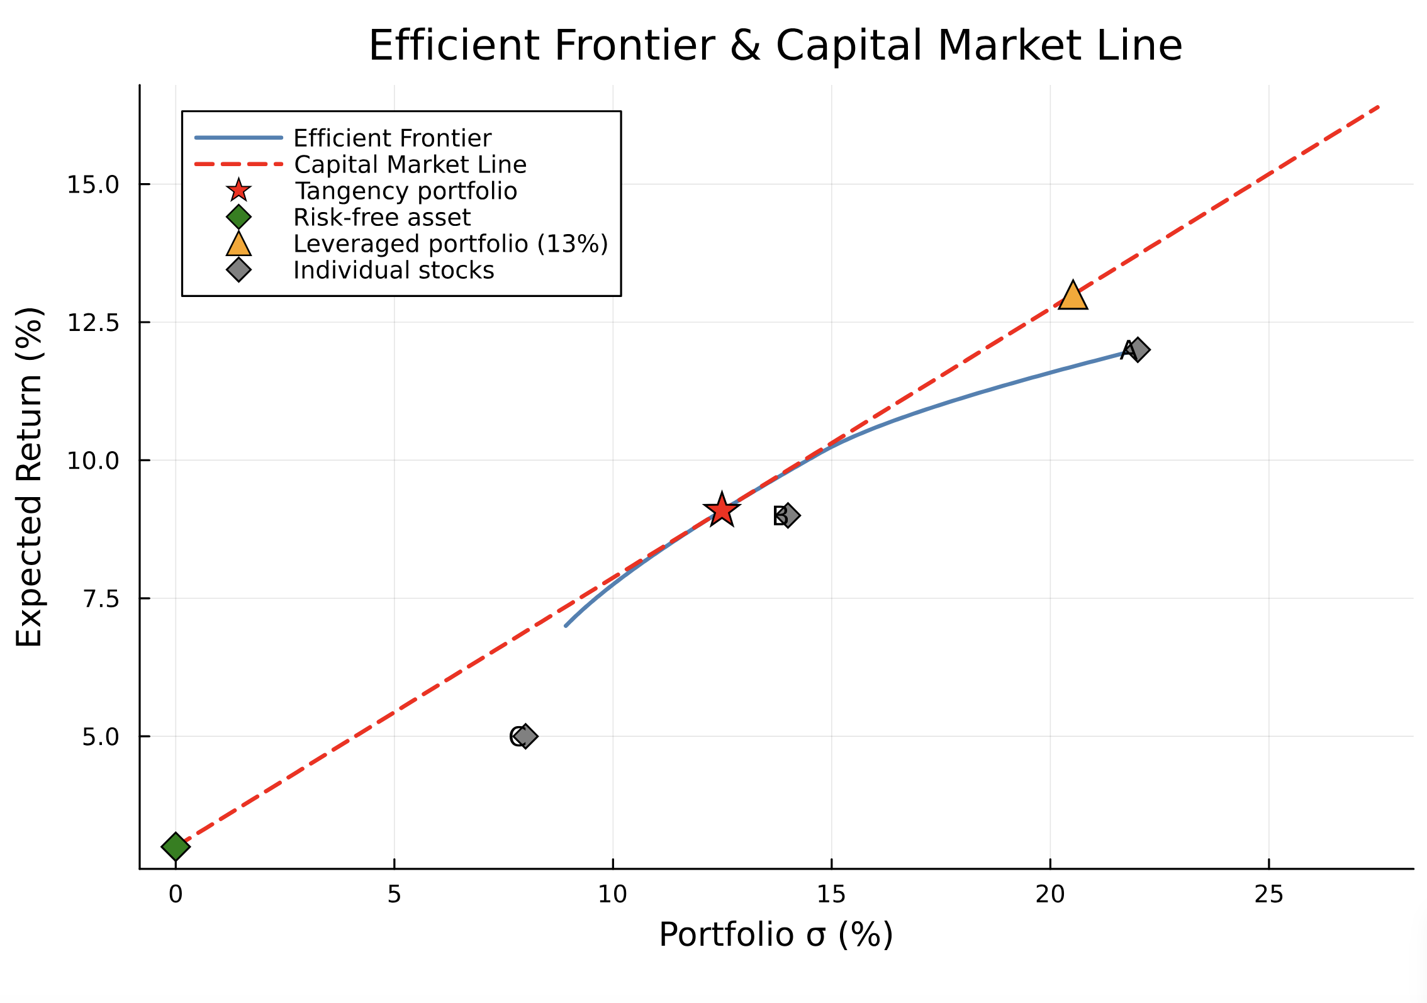
Data | Stock | Return | Sigma | Variance
 | A | 12% | 22% | 0.0484
 | B | 9% | 14% | 0.0196
 | C | 5% | 8% | 0.0064
 | F | 3% | 0% | 0.0000
 |  |  |  |  | Broadcasted sigmas
 | Correlation | A | B | C |  | 0.2200 | 0.1400 | 0.08
 | A | 1.0000 | 0.5000 | 0.2000 | 0.2200 | 0.0484 | 0.0308 | 0.0176
 | B | 0.5000 | 1.0000 | 0.5000 | 0.1400 | 0.0308 | 0.0196 | 0.0112
 | C | 0.2000 | 0.5000 | 1.0000 | 0.0800 | 0.0176 | 0.0112 | 0.0064

 | Covarianz | A | B | C
 | A | 0.0484 | 0.0154 | 0.0035
 | B | 0.0154 | 0.0196 | 0.0056
 | C | 0.0035 | 0.0056 | 0.0064

DVs | A | B | C | F
Investment | 51% | 79% | 34% | -64%
 | ≥ | ≥ | ≥
 | 0% | 0% | 0%
Constraints
Prob. sum to 100% | 100% | = | 100.00%
Target Return | 13.00% | ≥ | 13.00%

Objective | Variance | Standard Deviation | Sharpe Ratio
Risk | 0.042114324501 | 20.5% | 0.4873

