More Information
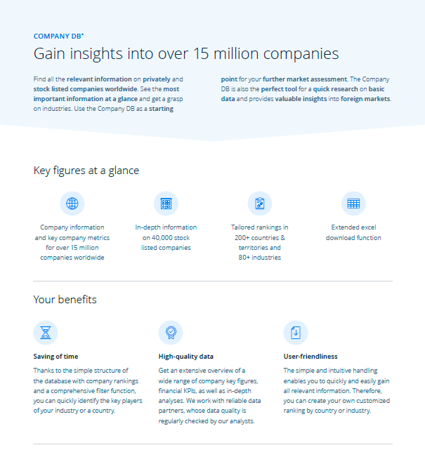
Find more information on top companies worldwide!

Click here to see all Statista Toplists

Click here to visit our Statista Company DB

New search page functions
Click here to check out our Company DB Video

