工作表1
Sec8 | 題目 | 答案
 | Two main issues for applying frequency domain processing to images | Spatially discrete (sampled) Finite spatial ranges.
 | To avoid overlapping between copies of the original | Consider a band-limited function we need at least two samples per period in the original signal
 | aliasing mean? | Simply said, aliasing is what happens when the condition is not satisfied.
 | The energy of a spectrum is usually highly concentrated at the low-frequency region. So,usually used what to show details of the spectrum | contrast enhancement method, such as log transformation

Sec9 | Wraparound Error in Convolution | Solution: zero padding Typically we just double the size of the image in both directions.
 | Notch Filter 為帶拒濾波器，也可稱為帶阻濾波器，目的在將某一特定頻率濾除
 | 高通濾波器（英語：High-pass filter）是容許高頻信號通過、但減弱（或減少）頻率低於截止頻率信號通過的濾波器
 | Large mask Frequency domain filtering is usually faster due to the use of FFT
 | Small mask Spatial domain filtering is usually faster
 | 頻域濾波通常更直觀。 可以在頻域做實驗，得到想要的結果，然後找到一個近似對應的空域濾波器，以便更快地執行。
 | Low Pass Filters (LPF) Idea To reduce high frequency components Corresponding to Smoothing filters
 | frequency reciprocity: The stronger the LPF is (smaller D 0 ), the wider the peak in h(x,y) is, and hence the more visible ringing after filtering.

 | Gaussian LPF The impulse response is also Gaussian (no ringing!)

 | High Pass Filters (HPF) Idea To reduce low frequency components Corresponding to Sharpening filters
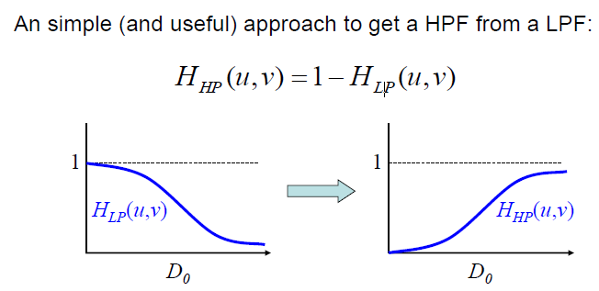

 | A band reject filter
 | image degradation 圖像質量下降：圖像質量下降是由於不同原因導致圖像質量下降的行為。在圖像質量下降的情況下，圖像會變得模糊並在很大程度上失去其質量。 Image restoration 圖像恢復：圖像恢復是在照片編輯器軟件的幫助下增強或提高圖像質量的過程。

 | Inverse Filtering Goal: To undo the effect of degradation function 同除H(u,v)
 | When H is small (usually at higher frequencies), the actual noise can dominate the result of inverse filtering. | Band-limiting (ignoring higher frequencies).

 | Wiener Filtering is another image restoration

Sec10 | Compression: The process of reducing the amount of data while preserving as much information as possible.

 | Three types of data redundancy involved in image compression: | Coding redundancy: Spatial and temporal redundancy: Irrelevant information:

 | Fidelity Criteria保真標準 for lossy coding | RMS、SNR、human viewers

 | string | codewords
 | fix | var | huffman
 | var | fix | LZW and similar methods
 | var | var | arithmetic

 | Gray codes 格雷碼最大限度地減少了因灰度值的微小變化而改變的位數

