Meta
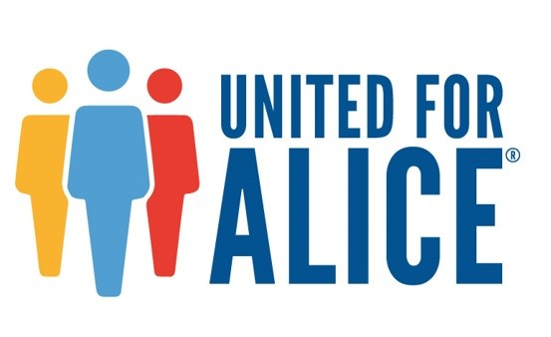
The ALICE Methodology is available at www.UnitedForALICE.org/Methodology | American Community Survey estimates: data for counties with populations over 65,000 are 1-year estimates; for populations between 20,000 and 65,000, data are 3-year estimates; and for populations below 20,000, data are 5-year estimates. Because there was not a 5-year survey for 2007, there is no data for the least populated counties in 2007. For statewide totals, the numbers from counties are extrapolated from overall percentages. Starting in 2014, there is no 3-year survey data, so that only 1- and 5-year estimates are used in the ALICE calculations. |  | Note: When performing your own calculations with the data provided in this spreadsheet, you may notice that the numbers are up to 1% different (+/-) from what is presented in the written report depending on your rounding convention. We present rounded numbers in the report to make it easier for the general audience to read and understand.
Geography | Variable | Key Statistics | Source
County | Households | Total number of households reporting income | American Community Survey, 2010-2023
 | Poverty Households | Number of households in Poverty | American Community Survey, 2010-2023
 | ALICE Households | Number of households ALICE | American Community Survey, 2010-2023; and ALICE Threshold, 2010-2023
 | Above ALICE Households | Number of households above the ALICE Threshold | American Community Survey, 2010-2023; and ALICE Threshold, 2010-2023
 | ALICE Threshold - HH 65 years and over | ALICE Threshold for households headed by someone 65 years and over | ALICE Threshold, 2010-2023
 | ALICE Threshold - HH under 65 | ALICE Threshold for households headed by someone under 65 years | ALICE Threshold, 2010-2023
Subcounty, Places, Zip Codes | Households | Total number of households reporting income | American Community Survey, 2023
 | Poverty Households | Number of households in Poverty | American Community Survey, 2023
 | ALICE Households | Number of households ALICE | American Community Survey, 2023; and ALICE Threshold, 2023
 | Above ALICE Households | Number of households above the ALICE Threshold | American Community Survey, 2023; and ALICE Threshold, 2023
 | Note: Not reported when less than 100 households in the geography

