Sheet1
 |  | RESIDENCE VERIFICATION REPORT |  |  |  |  |  | Pooja Finelease
BASIC DETAILS
APPLICANT'S_NAME |  |  | FI_TYPE |  |  | RESIDENCE |  |  | CASE_NO
LALTESH KUMAR |  |  | VERIFICATION |  |  | NA |  |  | CASE LOG DATE |  |  |  |  | 2024-07-12
APPLICANT'S_D.O.B |  | NA | FINANCE_AMOUNT |  |  | Rs. 110,000 |  |  | BRANCH
APPLICANT'S_AGE_(APPROX.) |  | NA
RESIDENCE_ADDRESS |  | 164 BIRONDA PS KASANA PO ALPHA-1 DIST G B NAGR UP /// 201301 /// MOTHER DAIRY /// 9999040111
LAND MARK |  | NA
APPLICANT'S INFORMATION OBTAINED BY PERSON MET
ADDRESS_FOUND_SAME_AS_GIVEN_DETAILS |  |  | YES |  |  |  |  |  | DATE OF VISIT |  |  | 2024-07-13
NAME_OF_PERSON_MET |  | NAKUL KUMAR |  |  |  |  |  |  | TIME OF VISIT |  |  | 4:21:00
RELATIONSHIP_WITH_APPLICANT |  | SELF
PROVIDE ADDRESS IF CHANGED |  | NA
CUSTOMER ADTIONAL DETAILS
CUSTOMER_AND_DEALER_DISTENCE_IN_KMS |  |  | CUSTOMER_NUMBER/ALTERNATE |  |  |  |  |  | PREVIOUS_OCCUPATION
NA |  |  | 1 | 9999040111 |  |  |  |  | NA
SELF_OR_FAMILY_INCOME_MONTHLY |  |  | 2 | 9999040111 |  |  |  |  | REMARKS
NA |  |  | 3 | NA
RESIDENCE_OWNED_BY |  |  | PARENTAL OWNED |  |  |  | EDUCATION_QUALIFICATION |  |  |  |  | NA
REMARKS |  |  |  |  |  |  | REMARKS
IF_RENTED |  |  |  |  |  |  | TENURE OF STAY (Years)
RENT_AMOUNT |  | NA |  |  |  |  | BY BIRTH
NAME_OF_LANDLORD |  | NA
APPLICANT'S FAMILY DETAILS
NUMBER_OF_FAMILY_MEMBERS |  | MARITAL_STATUS | TYPE_OF_FAMILY |  |  |  |  |  | OCCUPATION
2 |  | MARRIED | INDEPENDENT |  |  |  |  |  | NA
NUMBER_OF_DEPENDENTS
0
VERIFIER OBSERVATION
NAME_PLATE_SEEN |  | NOT AVAILABLE | NAME_MENTIONED_ON_PLATE |  |  | NOT AVAILABLE |  |  | AREA_(IN_SQUARE_FEET) |  |  |  |  | 990 SQR FEET
FLOOR NO |  | SINGLE STOREY | COLOR OF BUILDING |  |  | PINK |  |  | COLOR_OF_GATE
DETAILS OF ADDRESS AND ID PROOF
ID_PROOF_SEEN |  | NA | ID_PROOF_TYPE |  |  |  | NA
ADDRESS_PROOF_SEEN |  | NA | ADDRESS_PROOF_TYPE |  |  |  | NA
TYPE_OF_HOUSE |  |  | LOCALITY_STATUS |  |  |  |  |  | LOCALITY_TYPE
INDEPENDENT |  |  | LMC AREA |  |  |  |  |  | LMC AREA
FURNISHING_OF_THE_HOUSE |  |  | AREA_TYPE |  |  |  |  |  | LOCALITY_AND_RESIDENCE_AREA
AVERAGE |  |  | LMC AREA |  |  |  |  |  | LMC AREA
ASSET_SEEN
NA | TELEVISION |  | NA | REFRIGERATOR |  |  |  |  | NA |  | COOLER
NA | LAPTOP |  | NA | COMPUTER |  |  |  |  | NA |  | DOOR STEP VERIFICATION
NA | NA
RESIDENCE_ACCESSIBLE_BY |  |  | NEIGHBOUR VERIFICATION
TRUE | CAR |  | 1ST NEIGHBOUR NAME |  | SANJEEV |  |  |  | 2ND NEIGHBOUR NAME |  |  |  | KAILASH
TRUE | TWO WHEELER |  | AGE (APRROX.) |  | 30+ |  |  |  | AGE (APRROX.) |  |  |  | 30+
FALSE | METRO |  | PH NO | NA |  |  |  |  | PH NO |  | NA
FALSE | BUS |  | ADDRESS |  |  |  |  |  | ADDRESS
TRUE | WALK |  | 164 BIRONDA PS KASANA PO ALPHA-1 DIST G B NAGR UP /// 201301 /// MOTHER DAIRY /// 9999040111 |  |  |  |  |  | 164 BIRONDA PS KASANA PO ALPHA-1 DIST G B NAGR UP /// 201301 /// MOTHER DAIRY /// 9999040111
FALSE | OTHERS
FALSE | NA |  | FEEDBACK |  |  | POSITIVE |  |  | FEEDBACK |  |  |  |  | POSITIVE
VECHILE DETAILS
TYPE_OF_VECHILE |  |  | E - RIKSHAW |  |  |  |  |  | PREVIOUS_VICHLE_BUY
VALUE_OF_VICHLE |  |  | NA |  |  |  |  |  | NO
MANUFACTURE_NAME |  |  | NA
MODEL |  |  | NA
TYPE_OF_ERIKSHAW_BATTERY |  |  | NORMAL
VICHLE_BUY_FOR |  |  | NA
VICHLE ALREADY DELIVERED TO CUSTOMER IF YES THEN TAKE PHOTO OF VICHLE WITH CUSTOMER |  |  |  |  |  | NO
GUARANTOR DETAILS DETAILS
GUARANTOR NAME |  |  | VIJAY KUAMR
GUARANTOR ADDRESS |  |  | BIRONDA PS BITTA PO DADHA JILA GB NAGAR UP //// 201307 /// BABA MOHAN MANDIR /// 9910502547
ADDESS LAND MARK |  |  | NA
GUARANTOR AGREE TO SHARE DOCUMENT WITH SIGNATURE TO PUJA FINANCE |  |  |  |  | NA
CUSTOMER AND GUARANTOR DISTENCE WITHIN 5KMS |  |  |  |  | NA
CUSTOMER AND GUARANTOR KNOW EACHOTHER HOW LONG TIMES |  |  |  |  | NA
GUARANTOR KNOWS ALL DETAILS ABOUT CUSTOMER TAKING LOAN |  |  |  |  | NA
GUARANTOR'S FAMILY KNOW ALL THIS THINGS ABOUT THIS LOAN |  |  |  |  | NA
GUARANTOR FEEL ANY PRESSURE FROM CUSTOMER ABOUT THIS LOAN |  |  |  |  | NA
GUARANTOR_BEHALF_AS_A_ANY_FAMILY_MEMBER |  |  |  |  | NA
GUARANTOR_BEHALF_AS_A_ANY_FAMILY_MEMBER_NAME |  |  |  |  | NA
GUARANTOR_BEHALF_AS_A_ANY_FAMILY_MEMBER_PHOTO_TAKEN |  |  |  |  | NA
GUARANTOR_BEHALF_AS_A_ANY_FAMILY_MEMBER_AGREE_TO_SHARE_DOCUMENT_WITH_ SIGNATURE_TO_PUJA_FINANCE |  |  |  |  | NA
PREVIOUS VISIT REMARKS
PREVIOUS VISIT DONE ON THIS ADDRESS |  | NA |  |  |  |  | 1 |  |  | MET PERSON IN PREVIOUS VISIT |  |  |  | NA

ADDITIONAL INFORMATION
STATUS (VERIFIER) |  | NEGATIVE DUE TO(HOUSE WAS LOCKED AND MET WITH APPLICANT LANDLORD AND HE HAS CONFIRM THAT APPLICANT IS NOT RESAIDING IS THAT GIVEN ADDRESS AND TPC NOT CONFIRM)

VERIFIER NOTES |  | REFER TO CREDIT DUE TO(GUARANTOR NAME IS PAWAN NOT SOMVEER.)
REMARKS
FINAL STATUS
STATUS
APPLICANT(NEGATIVE)GUARANTOR(REFER TO CREDIT)

ADDRESS
FI DONE BY |  | MANISH |  |  |  |  | PH NUMBER |  |  | NA
PHOTOGRAPHS
CUSTOMERS PHOTOS
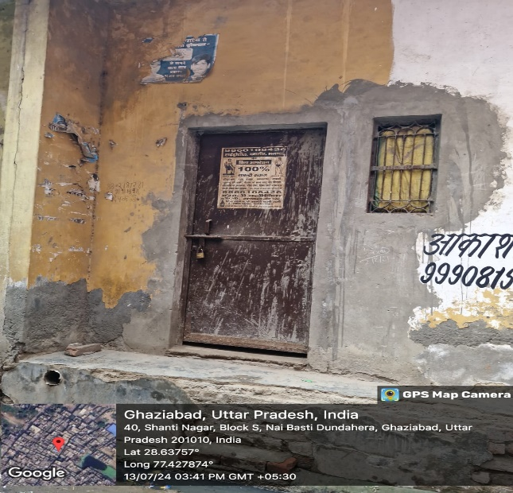 |  |  | 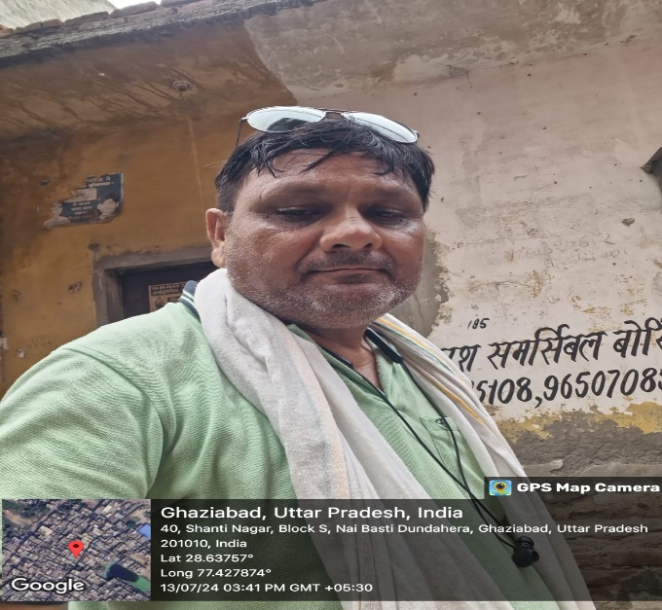 |  |  |  |  |  | 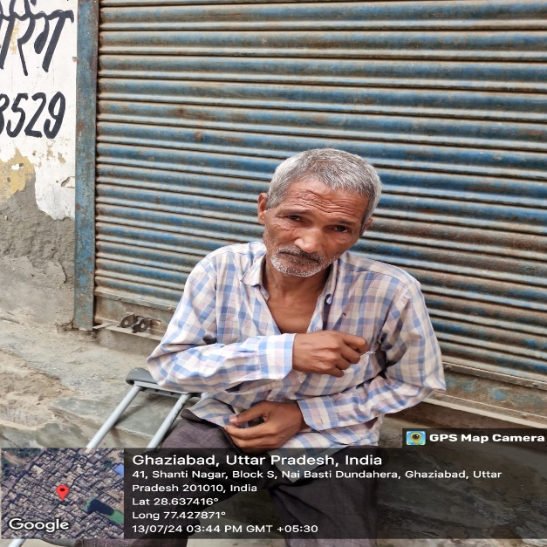

GUARANTOR PHOTOS
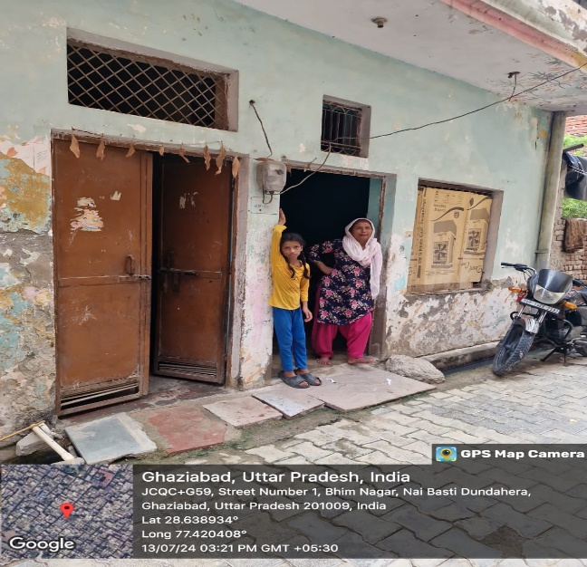 |  |  | 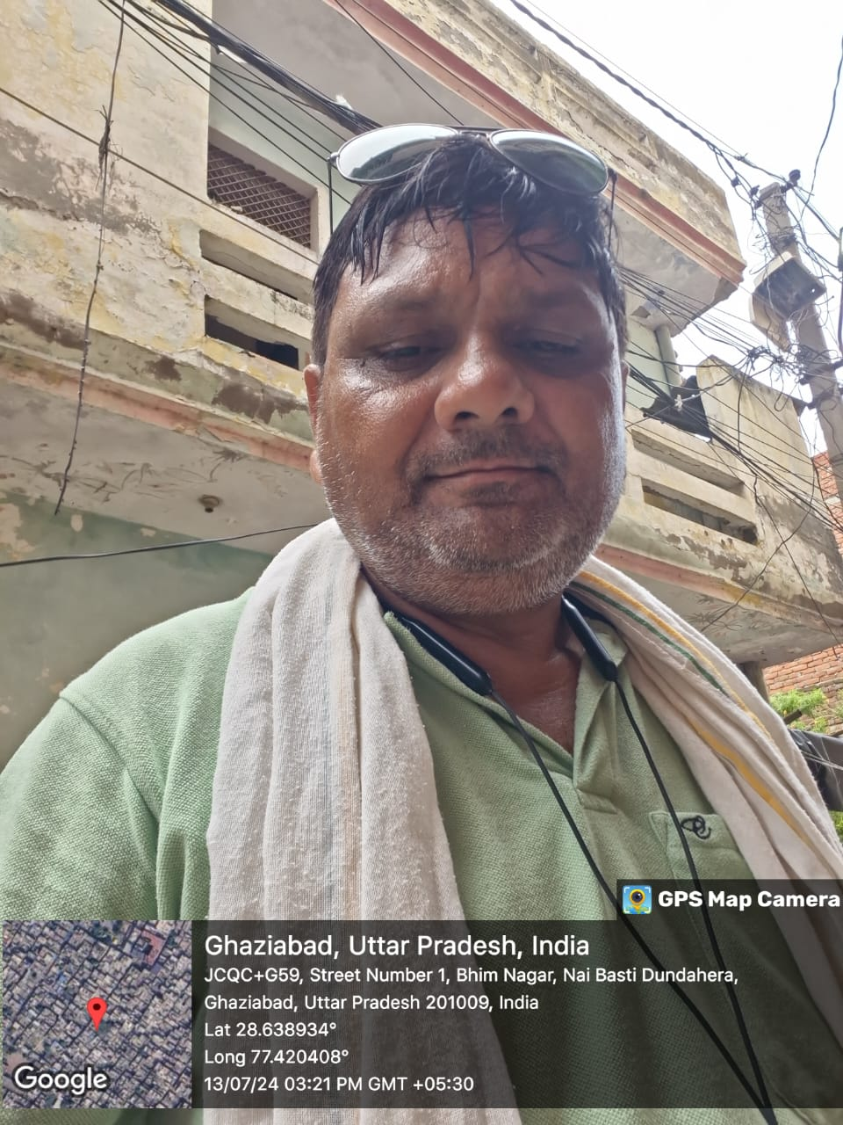 |  |  |  |  |  | 