Social Interaction
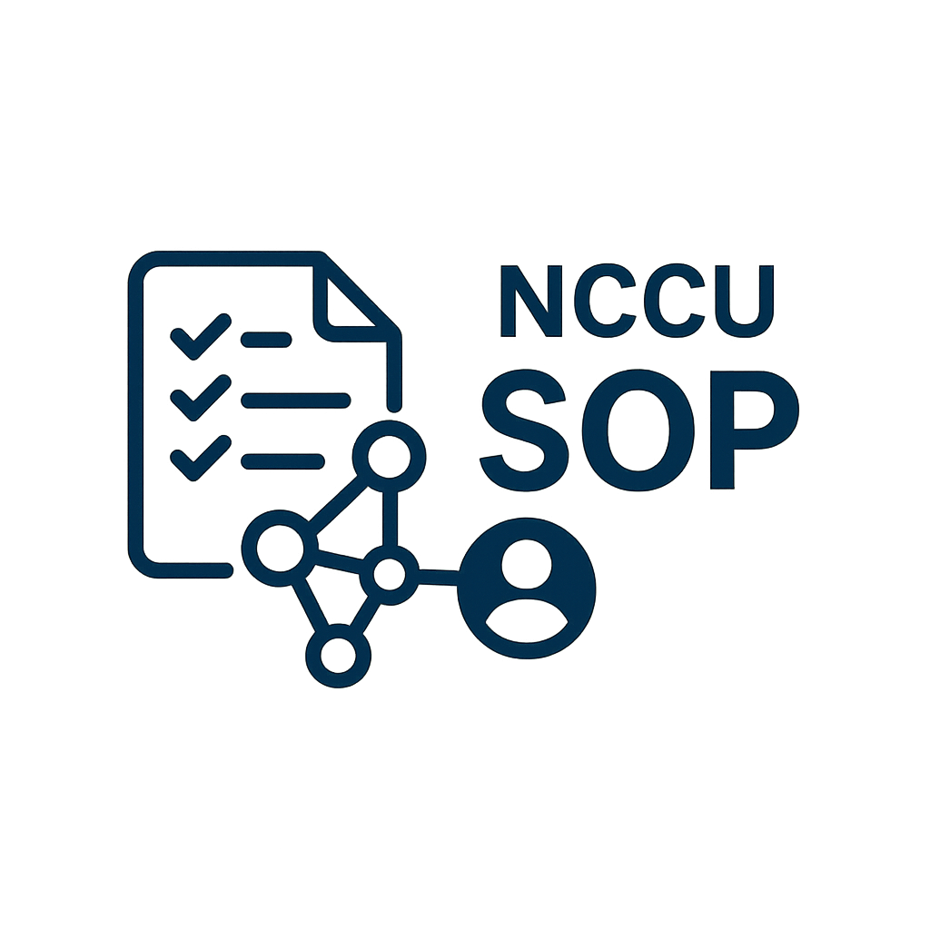

NCCU SOP Social Interaction Report

VIEW COUNT
Basic Information |  |  | Total View
Department | 學務處 |  | 60
Manager | 吳彥勳
Start Time | 2025-05-01 |  | Total Save
End Time | 2025-05-10 |  | 30

SOP ID | SOP NAME | VIEW COUNT | SAVE COUNT
S000000001 | John Smith | 30 | 15
S000000002 | John Smith | 30 | 15

SAVE COUNT

