Social Interaction
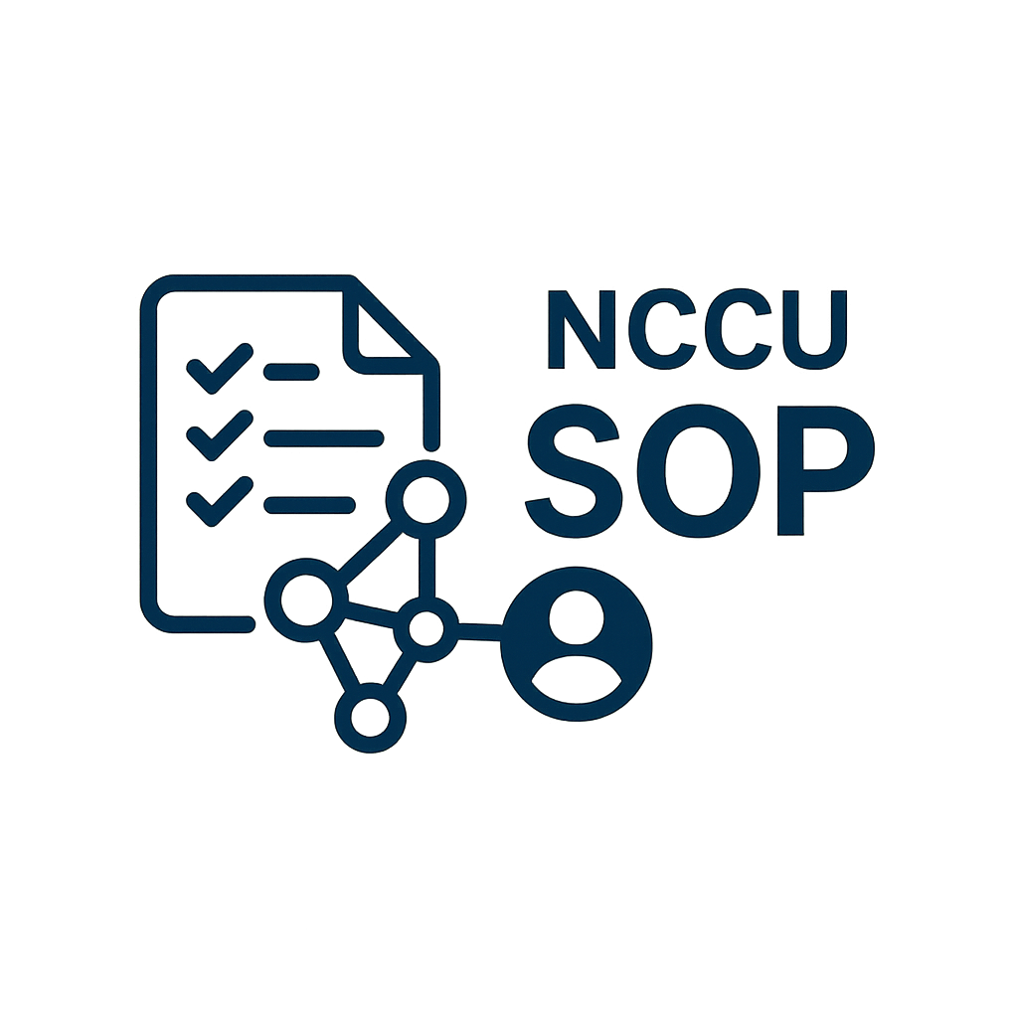

NCCU SOP Social Interaction Report

VIEW COUNT
Basic Information |  |  | Total View
Department | IT
Manager | Yen
Start Time | 2025-05-21 09:00 |  | Total Save
End Time | 2025-05-21 18:00

SOP ID | SOP NAME | VIEW COUNT | SAVE COUNT
sop001 | yen | 10 | 20
sop002 | yen | 10 | 20

SAVE COUNT

