Social Interaction
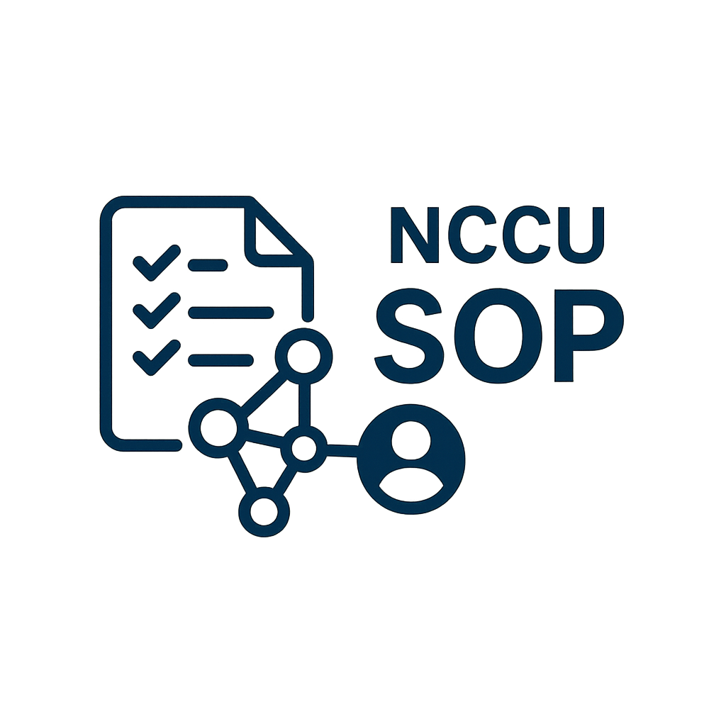

NCCU SOP Social Interaction Report

VIEW COUNT
Basic Information |  |  | Total View
Department | 秘書處第三組
Manager | 葉O榮
Start Time | 2025-05-01 |  | Total Save
End Time | 2025-05-21

SOP ID | SOP NAME | VIEW COUNT | SAVE COUNT
S000000007 | 工程類實務捐贈 | 336 | 0
S000000008 | 新的 SOP 名稱 | 5 | 0
S000000011 | test002 | 6 | 0
SAVE COUNT
S000000012 | 嘎嘎 | 0 | 0

