Social Interaction
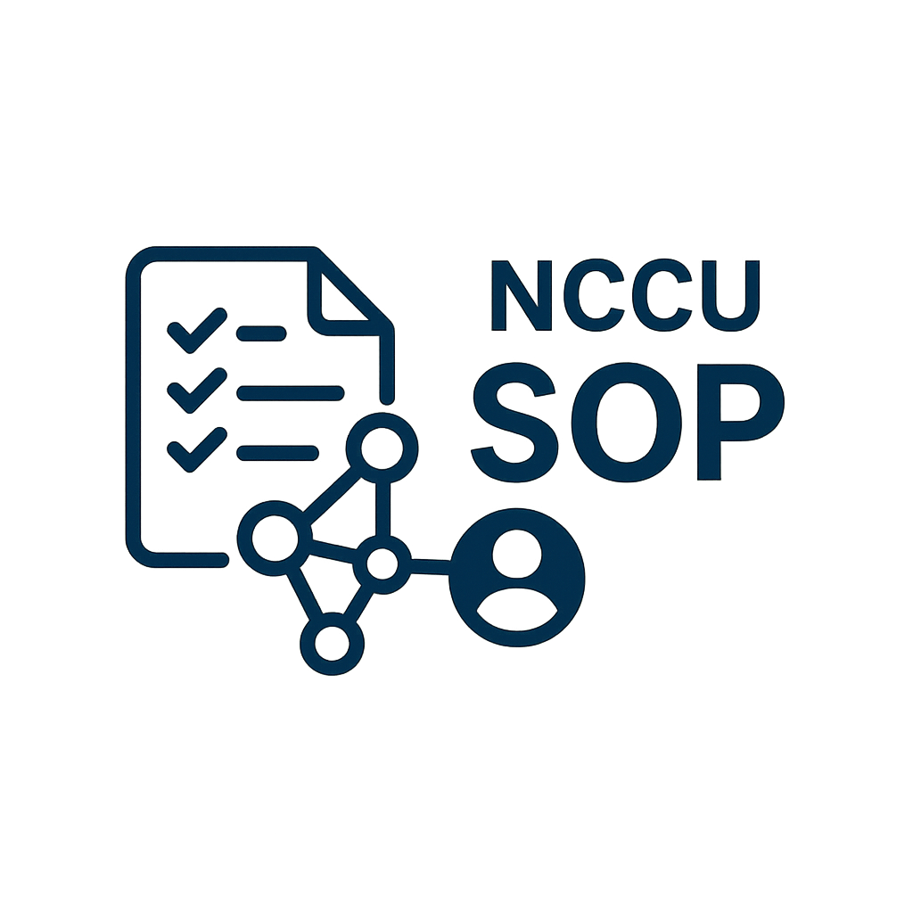

NCCU SOP Social Interaction Report

VIEW COUNT
Basic Information |  |  | Total View
Department | 教務處註冊組
Manager | 王O忠
Start Time | 2025-05-11 |  | Total Save
End Time | 2025-05-31

SOP ID | SOP NAME | VIEW COUNT | SAVE COUNT
S000000001 | 流程更新測試 | 105 | 1

SAVE COUNT

