Sheet6
Row Labels | Count of TI
2009 | 31 | 2009 | 31
2010 | 37 | 2010 | 37
2011 | 57 | 2011 | 57
2012 | 59 | 2012 | 59
2013 | 72 | 2013 | 72
2014 | 104 | 2014 | 104
2015 | 142 | 2015 | 142
2016 | 173 | 2016 | 173
2017 | 295 | 2017 | 295
2018 | 273 | 2018 | 273
2019 | 46 | 2019 | 46
Grand Total | 1289

Obras
As 20 obras mais citadas |  | Top 10 autores |  |  | Top 10 encontros |  |  | Top 10 instituições
Obra | Cit. / Ano | Autor | Artigos | Citações | Conferência | Artigos | Cit. | Instituição |  |  | Artigos
A Survey on Transfer Learning ( Pan, S 2010 ) | 224.0 | Pan, S | 2 | 2706 | ECCV | 17 | 355 | CHINESE ACADEMY OF SCIENCES |  |  | 57
Fully Convolutional Networks for Semantic Segmentation ( Shelhamer, E 2017 ) | 154.7 | Shelhamer, E | 1 | 464 | CVPR | 56 | 346 | UNIVERSITY OF TECHNOLOGY SYDNEY |  |  | 35
Region-Based Convolutional Networks for Accurate Object Detection and Segmentation ( Girshick, R 2016 ) | 73.5 | Duan, L | 2 | 309 | ICCV | 27 | 344 | UNIVERSITY OF CALIFORNIA SYSTEM |  |  | 34
Domain Adaptation via Transfer Component Analysis ( Pan, S 2011 ) | 51.8 | Girshick, R | 1 | 294 | IJCNN | 41 | 136 | NANYANG TECHNOLOGICAL UNIVERSITY |  |  | 32
Domain Transfer Multiple Kernel Learning ( Duan, L 2012 ) | 28.5 | Long, M | 4 | 274 | ACII | 6 | 122 | TSINGHUA UNIVERSITY |  |  | 31
Transfer Learning Based Visual Tracking with Gaussian Processes Regression ( Gao, J 2014 ) | 26.7 | Taylor, M | 2 | 265 | ICDM | 13 | 88 | UNIVERSITY OF LONDON |  |  | 27
Long-Term Recurrent Convolutional Networks for Visual Recognition and Description ( Donahue, J 2017 ) | 25.7 | Bruzzone, L | 1 | 217 | ICTAI | 16 | 80 | HONG KONG UNIV. OF SCIENCE TECH. |  |  | 25
Transfer learning using computational intelligence: A survey ( Lu, J 2015 ) | 23.0 | Ben-David, S | 1 | 184 | ICRA | 1 | 68 | UNIVERSITY OF TEXAS SYSTEM |  |  | 23
Transfer Learning for Reinforcement Learning Domains: A Survey ( Taylor, M 2009 ) | 22.9 | Gao, J | 1 | 160 | ECML PKDD | 9 | 66 | CARNEGIE MELLON UNIVERSITY |  |  | 21
Domain Adaptation Problems: A DASVM Classification Technique and a Circular Validation Strategy ( Bruzzone, L 2010 ) | 21.7 | Fu, Y | 3 | 159 | IJCAI | 6 | 53 | UNIVERSITY OF CAS |  |  | 21
Weakly-Supervised Cross-Domain Dictionary Learning for Visual Recognition ( Zhu, F 2014 ) | 21.7
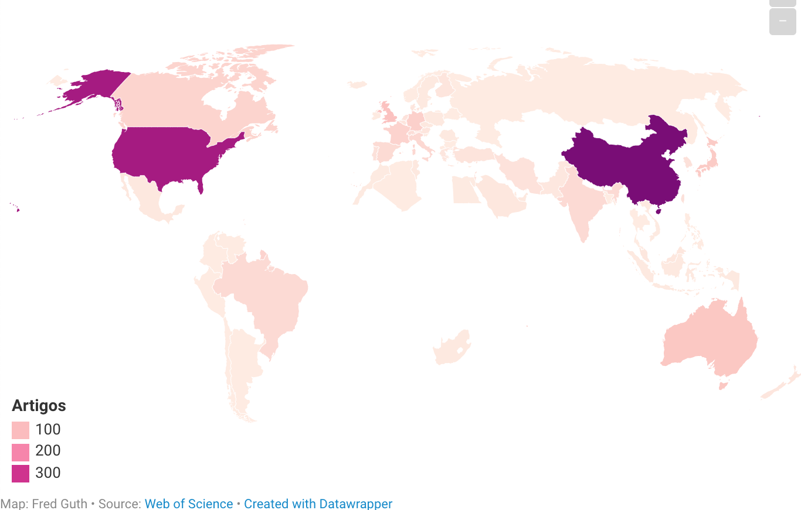
Learning with Augmented Features for Supervised and Semi-Supervised Heterogeneous Domain Adaptation ( Li, W 2014 ) | 19.7
PoseNet: A Convolutional Network for Real-Time 6-DOF Camera Relocalization ( Kendall, A 2015 ) | 19.6 |  |  |  |  |  |  |  | Top 5 países
A theory of learning from different domains ( Ben-David, S 2010 ) | 18.4 |  |  |  |  |  |  |  |  | País | Artigos
Transfer Learning for Visual Categorization: A Survey ( Shao, L 2015 ) | 17.6 |  |  |  |  |  |  |  | 1 | CHINA | 398
Compression Artifacts Reduction by a Deep Convolutional Network ( Dong, C 2015 ) | 17.6 |  |  |  |  |  |  |  | 2 | USA | 350
Adaptation Regularization: A General Framework for Transfer Learning ( Long, M 2014 ) | 16.0 |  |  |  |  |  |  |  | 3 | UNITED KINGDOM | 87
LSDT: Latent Sparse Domain Transfer Learning for Visual Adaptation ( Zhang, L 2016 ) | 15.8 |  |  |  |  |  |  |  | 4 | AUSTRALIA | 75
Transfer Feature Learning with Joint Distribution Adaptation ( Long, M 2013 ) | 15.7 |  |  |  |  |  |  |  | 5 | JAPAN | 68
Transductive Multi-View Zero-Shot Learning ( Fu, Y 2015 ) | 13.6 |  |  |  |  |  |  |  | 11 | BRAZIL | 36

Sheet5
Row Labels | Count of Title
2009 | 13 | 2009 | 13
2010 | 25 | 2010 | 25
2011 | 37 | 2011 | 37
2012 | 31 | 2012 | 31
2013 | 43 | 2013 | 43
2014 | 64 | 2014 | 64
2015 | 71 | 2015 | 71
2016 | 91 | 2016 | 91
2017 | 80 | 2017 | 80
2018 | 45 | 2018 | 45
Grand Total | 500

