EICs
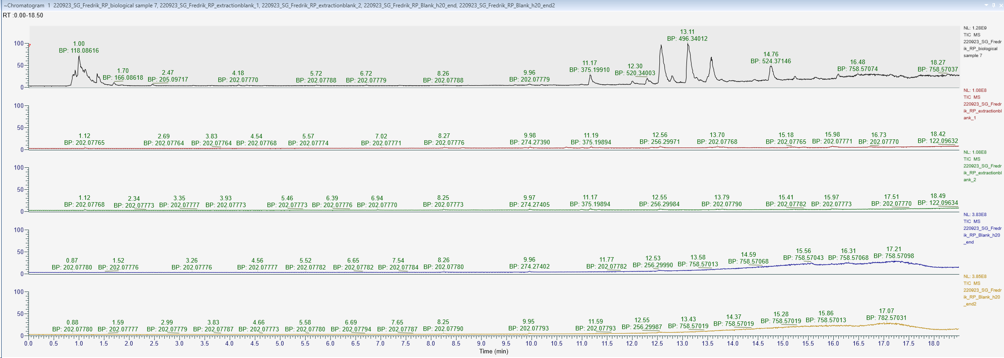
pooled QC
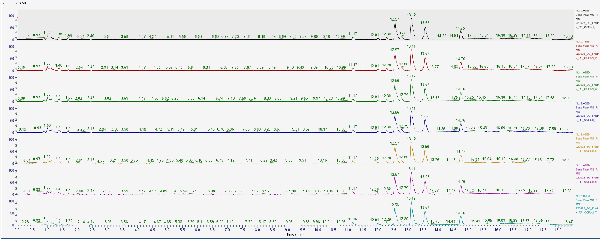

samples
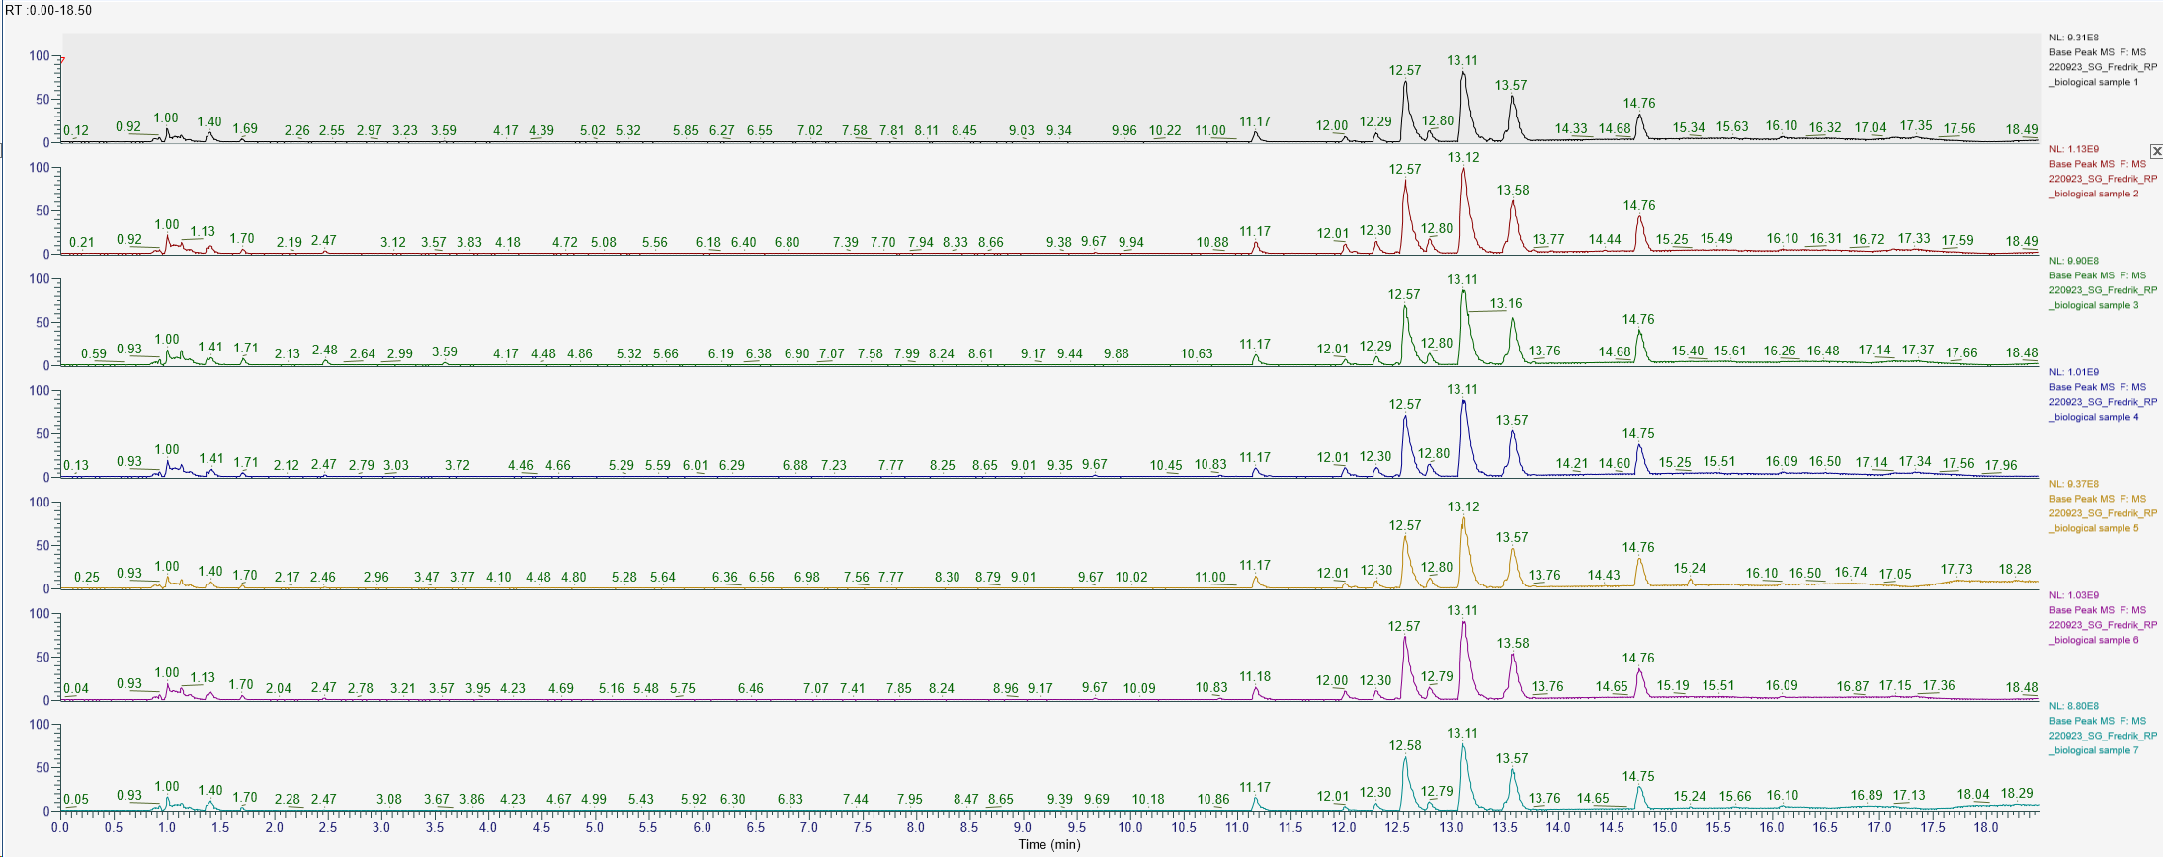

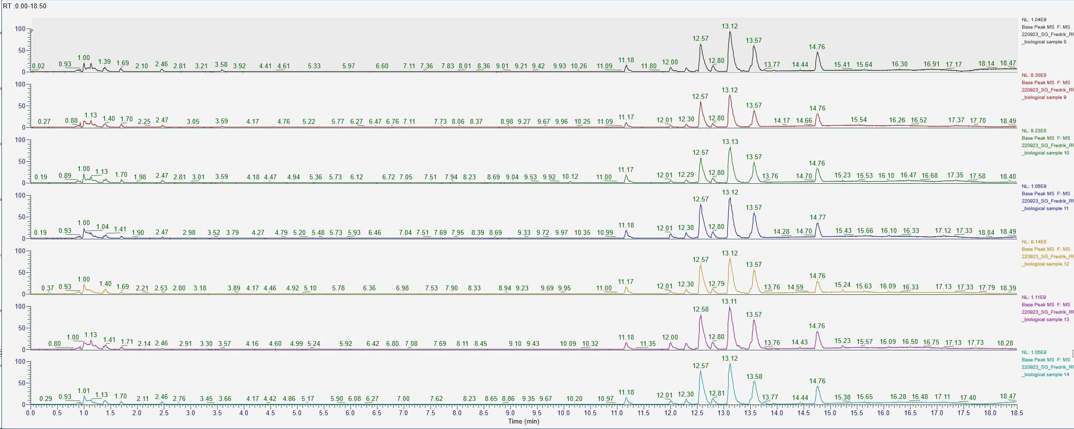

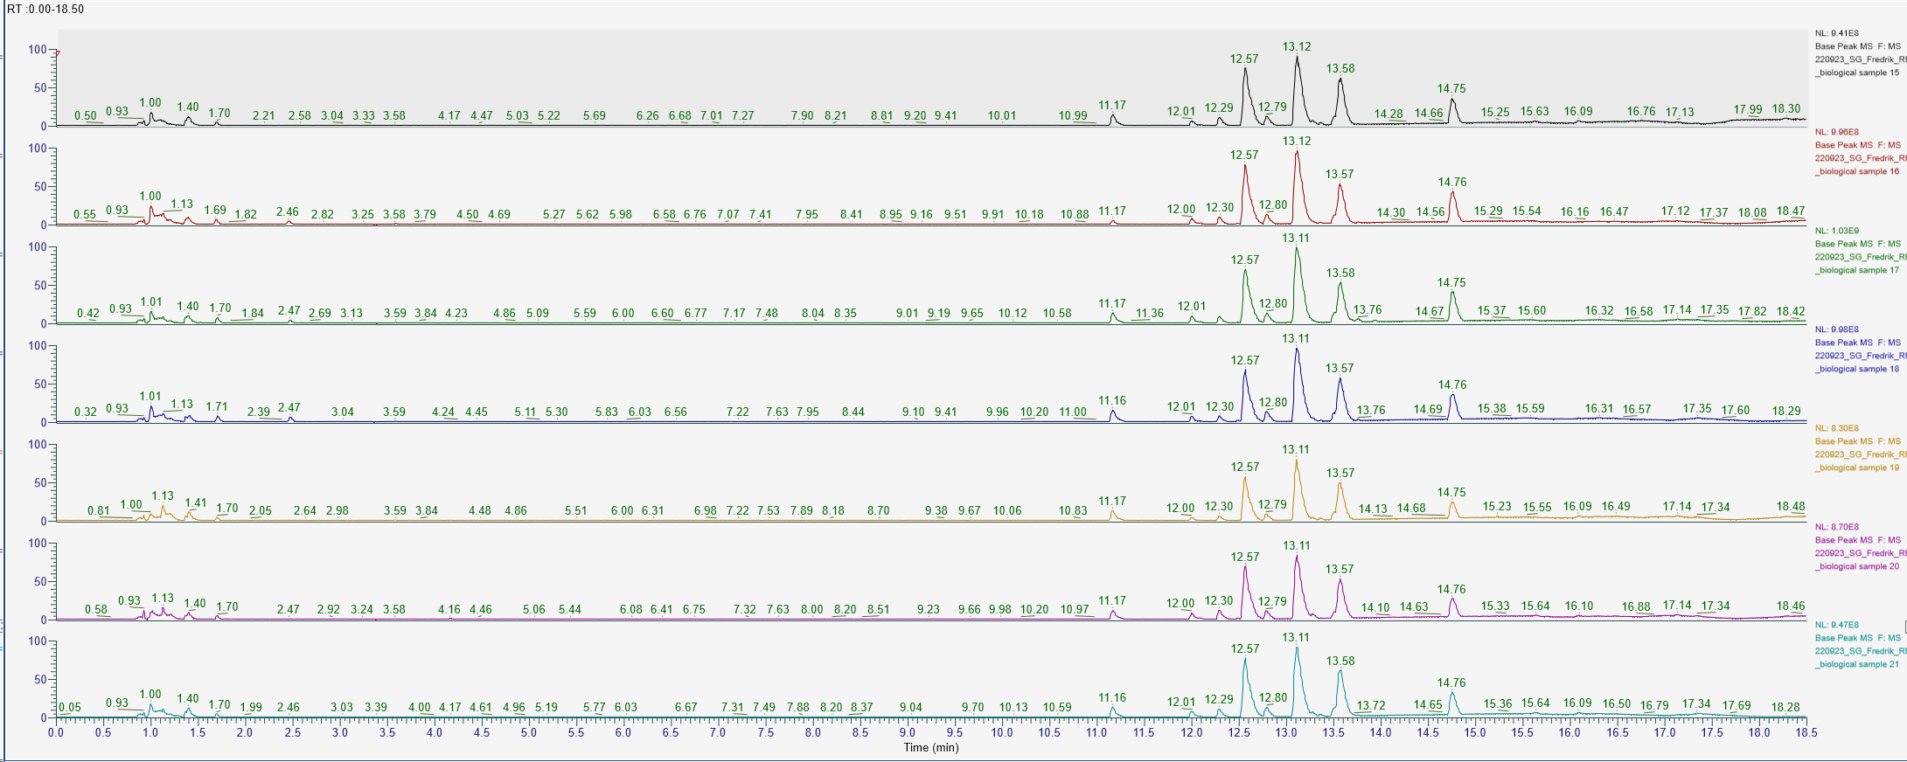

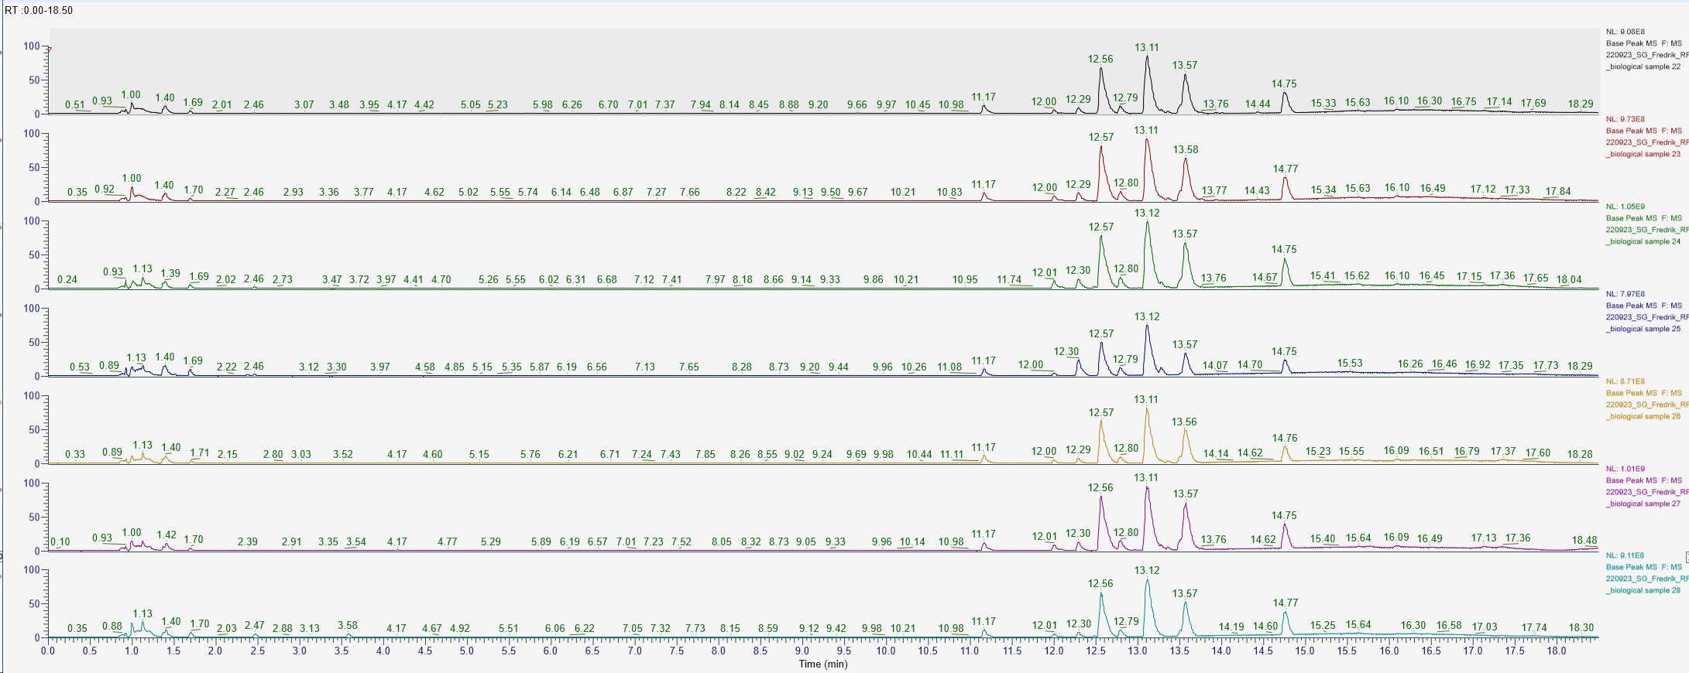

Extraction blanks and carry over (first one is a sample)

Manual check selected peaks
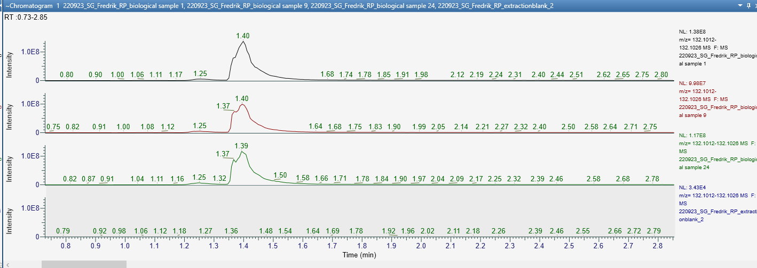
 |  | RT lib | RT exp | dif | peak width (s)

phenylalanine | C9H11NO2 | 1.66 | 1.69 | 0.03 | 9
tryptophan | C11H12N2O2 | 2.29 | 2.47 | 0.18 | 9
isoleucine | C6H13NO2 | 1.35 | 1.4 | 0.05

 |  |  |  | EIC |  | MS/MS exp | MS/MS library
phenylalanine

tryptophan

Isoleucine

