DS LOP
 |  | Cluster name | Data name | LOP type | Project phase | Activity | Document
1 | 2 | Pump | Pump Tag No. :
1 | 3 | Pump | Pump Service :
1 | 5 | General | General
1 | 6 | General | Applicable to : | OLOP | Concept | Process design | P&ID | Select
1 | 7 | General | Units : | DLOP | FEED | SCD design | SCD | Select
1 | 8 | General | Manufacturer : | CLOP | Detail | Loop design | Loop | Input data
1 | 9 | General | Pump type / model / size : |  |  |  |  | Input data
1 | 10 | General | Number of stages : |  |  |  |  | Input data
1 | 11 | General | Number required : |  |  |  |  | Input data
1 | 12 | General | Serial Number : |  |  |  |  | Input data
1 | 13 | General | Service : |  |  |  |  | Select | per | Select
1 | 14 | General | Number of starts : |  |  |  |  | Input data
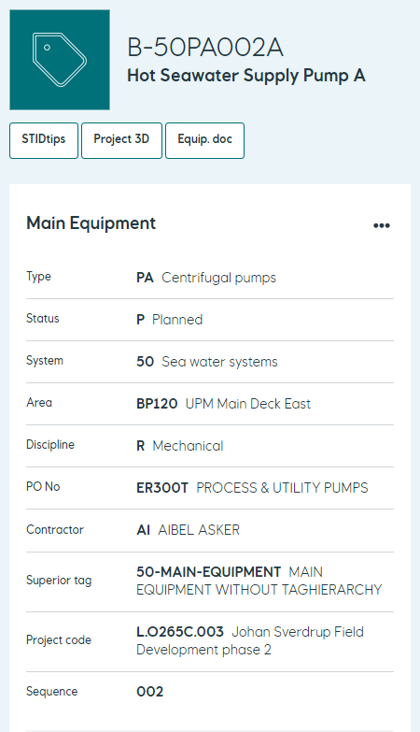
1 | 15 | General | Starting method : |  |  |  |  | Select
1 | 16 | General | Instantaneous start up required : |  |  |  |  | Select
1 | 17 | General | Pumps operate in : |  |  |  |  | Select
1 | 18 | Liquid characteristics | Liquid characteristics
1 | 19 | Liquid characteristics | Liquid name : |  |  |  |  | Input data
1 | 20 | Liquid characteristics | Liquid type : |  |  |  |  | Select
1 | 21 | Liquid characteristics |  |  |  |  |  | Rated | Max | Min | Units
1 | 22 | Liquid characteristics | Vapour pressure : |  |  |  |  | Input data | Input data | Input data
1 | 23 | Liquid characteristics | Relative density : |  |  |  |  | Input data | Input data | Input data
1 | 24 | Liquid characteristics | Specific heat : |  |  |  |  | Input data | Input data | Input data
1 | 25 | Liquid characteristics | Viscosity : |  |  |  |  | Input data | Input data | Input data
1 | 26 | Liquid characteristics | Corrosion due to : |  |  |  |  | Input data
1 | 27 | Liquid characteristics | Erosion due to : |  |  |  |  | Input data
1 | 28 | Liquid characteristics | H2S concentration : |  |  |  |  | Input data | ppm
1 | 29 | Liquid characteristics | Chloride concentration : |  |  |  |  | Input data | ppm
1 | 30 | Liquid characteristics | Particulate size : |  |  |  |  | Input data | μm
1 | 31 | Liquid characteristics | Particulate concentration : |  |  |  |  | Input data | ppm
1 | 32 | Operating conditions | Operating conditions
1 | 33 | Operating conditions | NPSHA datum : |  |  |  |  | Select
1 | 34 | Operating conditions |  |  |  |  |  | Rated | Normal | Max | Min | Other | Units
1 | 35 | Operating conditions | Flow : |  |  |  |  | Input data | Input data | Input data | Input data | Input data
1 | 36 | Operating conditions | NPSHA : |  |  |  |  | Input data | Input data | Input data | Input data | Input data
1 | 37 | Operating conditions | NPSHA-NPSH3 minimum margin at flow : |  |  |  |  | Input data | Input data | Input data | Input data | Input data
1 | 39 | Operating conditions | Pumping temperature : |  |  |  |  | Input data | Input data | Input data | Input data | Input data
1 | 40 | Operating conditions | Discharge pressure : |  |  |  |  | Input data | Input data | Input data | Input data | Input data
1 | 41 | Operating conditions | Suction pressure : |  |  |  |  | Input data | Input data | Input data | Input data | Input data
1 | 42 | Operating conditions | Differential pressure : |  |  |  |  | Error | Error | Error | Error | Error
1 | 43 | Operating conditions | Differential head : |  |  |  |  | Error | Error | Error | Error | Error
1 | 44 | Operating conditions | Hydraulic power : |  |  |  |  | Error
1 | 45 | Operating conditions | Hot insulation personnel protection required : |  |  |  |  | Select
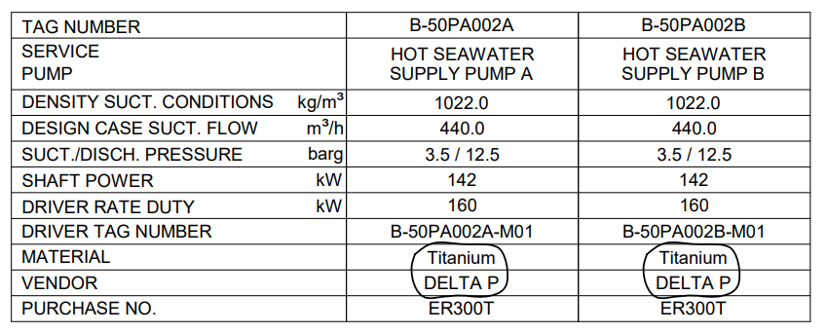
1 | 46 | Operating conditions | Heat tracing and insulation required : |  |  |  |  | Select
1 | 47 | Operating conditions | Extent of heat tracing and insulation : |  |  |  |  | Input data
1 | 48 | Site data | Site data
1 | 49 | Site data | Location : |  |  |  |  | Select | Select | Select
1 | 50 | Site data | Mounted at : |  |  |  |  | Select
1 | 51 | Site data | Special weather protection : |  |  |  |  | Select
1 | 52 | Site data | Elevation (MSL) : |  |  |  |  | Input data
1 | 53 | Site data | Barometer : |  |  |  |  | Input data
1 | 54 | Site data |  |  |  |  |  | Max |  | Min
1 | 55 | Site data | Range of ambient temperatures : |  |  |  |  | Input data | to | Input data
1 | 56 | Site data | Relative humidity : |  |  |  |  | Input data | to | Input data | %
1 | 57 | Site data | Unusual conditions : |  |  |  |  | Select
1 | 58 | Electric Area Classification | Electric Area Classification
1 | 59 | Electric Area Classification | Applicable to : |  |  |  |  | Select | Select
1 | 60 | Electric Area Classification | Group : |  |  |  |  | Select
1 | 61 | Electric Area Classification | Temperature class : |  |  |  |  | Select
1 | 62 | Electric Area Classification | Certificate for use in explosive atmosphere directive : |  |  |  |  | Select
2 | 5 | Utility conditions | Utility conditions
2 | 6 | Utility conditions | Electricity |  |  |  |  | Voltage | Phase | Frequency
2 | 7 | Utility conditions | Drivers : |  |  |  |  | Input data | Select | Select
2 | 8 | Utility conditions | Heating : |  |  |  |  | Input data | Select | Select
2 | 9 | Utility conditions | Control : |  |  |  |  | Input data | Input data | Input data
2 | 10 | Utility conditions | Shutdown : |  |  |  |  | Input data | Select | Select
2 | 11 | Utility conditions | Cooling water |  |  |  |  | Max inlet | Return | Design
2 | 12 | Utility conditions | Temperature : |  |  |  |  | Input data | Input data | Input data
2 | 13 | Utility conditions |  |  |  |  |  | Min inlet | Return | Design
2 | 14 | Utility conditions | Pressure : |  |  |  |  | Input data | Input data | Input data
2 | 15 | Utility conditions | Source : |  |  |  |  | Input data | ppm
2 | 16 | Utility conditions | Fouling factor : |  |  |  |  | Input data
2 | 17 | Utility conditions | Cooling water chloride concentration : |  |  |  |  | Input data
2 | 18 | Utility conditions | Instrument air |  |  |  |  |  | Max | Min
2 | 19 | Utility conditions | Pressure : |  |  |  |  |  | Input data | Input data
2 | 20 | Utility conditions | Steam |  |  |  |  |  | Max | Min
2 | 21 | Utility conditions | Drivers |  |  |  |  | Temperature : | Input data | Input data
2 | 22 | Utility conditions |  |  |  |  |  | Pressure : | Input data | Input data
2 | 23 | Utility conditions | Heating |  |  |  |  | Temperature : | Input data | Input data
2 | 24 | Utility conditions |  |  |  |  |  | Pressure : | Input data | Input data
2 | 25 | Performance | Performance
2 | 26 | Performance | Proposal curve no. : |  |  |  |  | Input data
2 | 27 | Performance | As tested curve no. : |  |  |  |  | Input data
2 | 28 | Performance |  |  |  |  |  | Rated | Max | Min
2 | 29 | Performance | Impeller diameter : |  |  |  |  | Input data | Input data | Input data
2 | 30 | Performance | Rated speed : |  |  |  |  | Input data | rpm
2 | 31 | Performance | Rated power : |  |  |  |  | 0
2 | 32 | Performance | Efficiency : |  |  |  |  | Input data | %
2 | 33 | Performance | Proposal curve BEP flow (at rated impeller dia.) : |  |  |  |  | Input data
2 | 34 | Performance | Minimum flow |  |  |  |  | Thermal : | Input data | to | Input data
2 | 35 | Performance |  |  |  |  |  | Stable : | Input data | to | Input data
2 | 36 | Performance | Preferred operating region : |  |  |  |  | Input data
2 | 37 | Performance | Allowable operating region : |  |  |  |  | Input data
2 | 38 | Performance | Max head @ rated impeller : |  |  |  |  | Input data
2 | 39 | Performance | Max power @ rated impeller : |  |  |  |  | Input data
2 | 40 | Performance | NPSH3 at rated flow : |  |  |  |  | Input data
2 | 41 | Performance | Centerline pump to underside baseplate : |  |  |  |  | Input data
2 | 42 | Performance | NPSHa-NPSH3 margin at rated flow : |  |  |  |  | Input data
2 | 43 | Performance | NPSHa-NPSH3 margin in allowable operating region : |  |  |  |  | Input data
2 | 44 | Performance | Specific speed : |  |  |  |  | Input data
2 | 45 | Performance | Suction specific speed : |  |  |  |  | Input data
2 | 46 | Performance | Max. allowable sound pressure level required : |  |  |  |  | Input data | dB(A)
2 | 47 | Performance | Estimated max. sound pressure level : |  |  |  |  | Input data | dB(A)
2 | 48 | Performance | Max. sound power level required : |  |  |  |  | Input data | dB(A)
2 | 49 | Performance | Estimated max. sound power level : |  |  |  |  | Input data | dB(A)
3 | 5 | Construction | Construction
3 | 6 | Construction | API pump type : |  |  |  |  | Select
3 | 7 | Construction | Radial split casing required if :
3 | 8 | Construction | Pumpage temperature : |  |  |  |  | Select
3 | 9 | Construction | Pumpage rated relative density : |  |  |  |  | Select
3 | 10 | Construction | Pumpage rated discharge pressure : |  |  |  |  | Select
3 | 11 | Construction | Casing
3 | 12 | Construction | Mounting : |  |  |  |  | Select
3 | 13 | Construction | Casing type : |  |  |  |  | Select
3 | 14 | Construction | Impeller type : |  |  |  |  | Select
3 | 15 | Construction | OH3 back-pullout lifting device required : |  |  |  |  | Select
3 | 16 | Construction | Nozzle connections |  |  |  |  |  | Size | Facing | Rating | Position
3 | 17 | Construction |  |  |  |  |  | Suction: | Input data | Select | Select | Select
3 | 18 | Construction |  |  |  |  |  | Discharge: | Input data | Select | Select | Select
3 | 19 | Construction | Required nozzle loads : |  |  |  |  | Select
3 | 20 | Construction | Apply Annex F : |  |  |  |  | Select
3 | 21 | Construction | Pressure casing auxiliary connections :
3 | 22 | Construction |  |  |  |  |  | No. | Size | Type | Facing | Rating | Position
3 | 23 | Construction | Balance / Leak off |  |  |  |  | Input | Input | Select | Select | Select | Input data
3 | 24 | Construction | Case drain |  |  |  |  | Input | Select | Select | Select | Select | Select
3 | 25 | Construction | Case vent |  |  |  |  | Input | Select | Select | Select | Select | Select
3 | 26 | Construction | Seal vent |  |  |  |  | Input | Select | Select | Select | Select | Select
3 | 27 | Construction | Pressure gauge |  |  |  |  | Input | Input | Select | Select | Select | Select
3 | 28 | Construction | Temperature gauge |  |  |  |  | Input | Input | Select | Select | Select | Select
3 | 29 | Construction | Warm-up line |  |  |  |  | Input | Input | Select | Select | Select | Select
3 | 30 | Construction | Flanged drain valve supplied by : |  |  |  |  | Select
3 | 31 | Construction | Bearing bracket(s) drain piped to : |  |  |  |  | Select
3 | 32 | Construction | Flanged vent valve supplied by : |  |  |  |  | Select
3 | 33 | Construction | Seal high point vent piped to skid edge flanged termination : |  |  |  |  | Select
3 | 34 | Construction | Threaded cons for pipeline service : |  |  |  |  | Select
3 | 35 | Construction | Special fittings for transitioning : |  |  |  |  | Select
3 | 36 | Construction | Pipe threads required : |  |  |  |  | Tapered ISO 7-1
3 | 37 | Construction | Machined and studded connections : |  |  |  |  | Select
3 | 38 | Construction | Drain piped to skid edge flanged termination : |  |  |  |  | Select
3 | 39 | Construction | Vent piped to skid edge flanged termination : |  |  |  |  | Select
3 | 40 | Construction | Heat tracing and/or insulation supplied and installed by : |  |  |  |  | Select
3 | 41 | Construction | Bolt threading : |  |  |  |  | Select
3 | 42 | Construction | Pressure fasteners - main casing joints : |  |  |  |  | Studs
3 | 43 | Construction | Pressure fasteners - other casing joints and connections : |  |  |  |  | External hex-headed
3 | 44 | Construction | Case Pressure rating |  |  |  |  | MAWP : | Input data | @ | Input data
3 | 45 | Construction |  |  |  |  |  | Hydrotest : | Input data | @ | Input data
3 | 46 | Construction | Hydrotest OH pump as assembly : |  |  |  |  | Select
3 | 47 | Construction | Hydrotest wetting agent proposed : |  |  |  |  | Input data
3 | 48 | Construction | Hydrostatic test of VS6/VS7 bowls and column : |  |  |  |  | Select
3 | 49 | Construction | Vertical Pump Pressure rating |  |  |  |  |  | MAWP | Hydro
3 | 50 | Construction |  |  |  |  |  | Head : | Input data | Input data
3 | 51 | Construction |  |  |  |  |  | Column pipe : | Input data | Input data
3 | 52 | Construction |  |  |  |  |  | Bowl : | Input data | Input data
3 | 53 | Construction |  |  |  |  |  | Suction can / barrel : | Input data | Input data
3 | 54 | Construction | Rotation (viewed from coupling end) : |  |  |  |  | Select
3 | 55 | Construction | Impellers individually secured : |  |  |  |  | Both directions
3 | 56 | Construction | Bolt OH3 pumps to pad or foundation : |  |  |  |  | Select
3 | 57 | Construction | Provide soleplate for OH3 pumps : |  |  |  |  | Select
3 | 58 | Construction | Rotor
3 | 59 | Construction | Shaft flexibility index (SFI) calculated by Vendor : |  |  |  |  | Yes | According to Annex K.1 and state in line 60
3 | 60 | Construction | Shaft flexibility index (SFI) : |  |  |  |  | Input data
3 | 61 | Construction |  |  |  |  |  | Input data
3 | 62 | Construction | First critical speeds wet (new and twice new clearances) : |  |  |  |  | Input data
4 | 6 | Construction | Rotors continued
4 | 7 | Construction | Component balance to ISO 21940-11, G1.0 : |  |  |  |  | Select
4 | 8 | Construction | Shrink fit limited movement impellers : |  |  |  |  | Yes
4 | 9 | Construction | Maximum allowed inclination from horizontal : |  |  |  |  | Input data | °
4 | 10 | Construction | Maximum allowed time period of oscillation from horizontal : |  |  |  |  | Input data | s
4 | 11 | Construction | Mechanical seal
4 | 12 | Construction | Mechanical seal design required : |  |  |  |  | Select
4 | 13 | Construction | API 682 datasheet attached : |  |  |  |  | Select
4 | 14 | Construction | Mechanical seal primary piping plan required : |  |  |  |  | Select
4 | 15 | Construction | Mechanical seal primary line : |  |  |  |  | Select
4 | 16 | Construction | Mechanical seal secondary piping plan required : |  |  |  |  | Select
4 | 17 | Construction | Identify location on baseplate : |  |  |  |  | Input data
4 | 18 | Construction | Mechanical seal secondary line : |  |  |  |  | Select
4 | 19 | Construction | Additional central flush port : |  |  |  |  | Select
4 | 20 | Construction | Heating jacket required : |  |  |  |  | Select
4 | 21 | Construction |  |  |  |  |  | Max | Min
4 | 22 | Construction | Static sealing pressure : |  |  |  |  | Input data | Input data
4 | 23 | Construction | Dynamic sealing pressure : |  |  |  |  | Input data | Input data
4 | 24 | Construction | Seal design temperature : |  |  |  |  | Input data | Input data
4 | 25 | Construction |  |  |  |  |  |  | Input data
4 | 26 | Construction |  |  |  |  |  | Driver : | Input data
4 | 27 | Construction |  |  |  |  |  | Gear : | Input data
4 | 28 | Construction |  |  |  |  |  | Base : | Input data
4 | 29 | Construction |  |  |  |  |  | Ancillaries : | Input data
4 | 30 | Construction |  |  |  |  |  | Total : | 0
4 | 31 | Bearings and lubrication | Bearings and lubrication
4 | 32 | Bearings and lubrication | Bearing |  |  |  |  |  | Type | Number
4 | 33 | Bearings and lubrication |  |  |  |  |  | Radial : | Select | Input data
4 | 34 | Bearings and lubrication |  |  |  |  |  | Thrust : | Select | Input data
4 | 35 | Bearings and lubrication | Purchaser to review and approve thrust bearing size : |  |  |  |  | Select
4 | 36 | Bearings and lubrication | Bearing housing additional features : |  |  |  |  | Input data
4 | 37 | Bearings and lubrication | Lubrication : |  |  |  |  | Select
4 | 38 | Bearings and lubrication | System design ambient temperature |  |  |  |  | Select
4 | 39 | Bearings and lubrication | Ring-oiled or splash systems
4 | 40 | Bearings and lubrication | Max. oil sump temperature (Select) : |  |  |  |  | < 82 °C
4 | 41 | Bearings and lubrication | Max. oil sump temperature rise during shop test : |  |  |  |  | < 40 K
4 | 42 | Bearings and lubrication | Max. bearing outer ring temp. during shop test : |  |  |  |  | < 93 °C
4 | 43 | Bearings and lubrication | Pressure lube systems
4 | 44 | Bearings and lubrication | Pressure lube system in accordance with : |  |  |  |  | Select
4 | 45 | Bearings and lubrication | Pressurized lube oil system mounted on pump base plate : |  |  |  |  | Select
4 | 46 | Bearings and lubrication | Mounting location on pump base plate : |  |  |  |  | Input data
4 | 47 | Bearings and lubrication | Interconnecting piping provided by : |  |  |  |  | Select
4 | 48 | Bearings and lubrication | Max. lube oil outlet temperature (Select) : |  |  |  |  | < 70 °C
4 | 49 | Bearings and lubrication | Max. bearing metal temperature (Select) : |  |  |  |  | < 93 °C
4 | 50 | Bearings and lubrication | Max. bearing oil temperature rise during shop test and |  |  |  |  | < 28 K
4 | 51 | Bearings and lubrication | under the most adverse specified operating conditions : |  |  |  |  | Input data
4 | 52 | Bearings and lubrication | Oil viscosity ISO grade : |  |  |  |  | ISO VG | Input data
4 | 53 | Bearings and lubrication | Oil type : |  |  |  |  | Select
4 | 54 | Bearings and lubrication | Constant level oiler particular model required : |  |  |  |  | Select
4 | 55 | Bearings and lubrication | Manufacturer : |  |  |  |  | Input data
4 | 56 | Bearings and lubrication | Model : |  |  |  |  | Input data
4 | 57 | Bearings and lubrication | Bearing isolators particular model required : |  |  |  |  | Select
4 | 58 | Bearings and lubrication | Manufacturer : |  |  |  |  | Input data
4 | 59 | Bearings and lubrication | Model : |  |  |  |  | Input data
4 | 60 | Bearings and lubrication | Oil mist reclassifiers supplied by : |  |  |  |  | Purchaser
5 | 5 | Baseplate | Baseplate
5 | 6 | Baseplate | API baseplate number : |  |  |  |  | Select |  |  |  |  |  |  |  |  |  |  |  |  |  |  |  |  |  |  |  | Select | 0.5 | 1 | 1.5 | 2 | 3 | 3.5 | 4 | 5 | 5.5 | 6 | 6.5 | 7 | 7.5 | 8 | 9 | 9.5 | 10 | 11 | 11.5 | 12 | Not applicable
5 | 7 | Baseplate | Baseplate construction : |  |  |  |  | Full top decking |  |  |  |  |  |  |  |  |  |  |  |  |  |  |  |  |  |  |  | Select | Open beam support | Full top decking | Partial top decking | Open decking | Other
5 | 8 | Baseplate | Baseplate drainage : |  |  |  |  | Select |  |  |  |  |  |  |  |  |  |  |  |  |  |  |  |  |  |  |  | Select | Full drain rim | Full drain pan | Partial drain pan | Other
5 | 9 | Baseplate | Mounting : |  |  |  |  | Select |  |  |  |  |  |  |  |  |  |  |  |  |  |  |  |  |  |  |  | Select | Foundation grouted | Foundation non-grouted | Bolted on steel work | Three point mount | Four point mount | Stilt mounted | Other
5 | 10 | Baseplate | Supplied with grout and vent holes : |  |  |  |  | Select |  |  |  |  |  |  |  |  |  |  |  |  |  |  |  |  |  |  |  | Select | Yes | No
5 | 11 | Baseplate | Supplied with drain connection : |  |  |  |  | Select |  |  |  |  |  |  |  |  |  |  |  |  |  |  |  |  |  |  |  | Select | Yes | No
5 | 12 | Baseplate | Provide spacer plate under all equipment feet : |  |  |  |  | Select |  |  |  |  |  |  |  |  |  |  |  |  |  |  |  |  |  |  |  | Select | Yes | No
5 | 13 | Baseplate | Other : |  |  |  |  | Input data
5 | 14 | Pressure vessel design code references | Pressure vessel design code references
5 | 15 | Pressure vessel design code references | Proposed pressure vessel design code reference(s) : |  |  |  |  | Input data
5 | 16 | Pressure vessel design code references | Casting factors used in design (Table 4) : |  |  |  |  | Select |  |  |  |  |  |  |  |  |  |  |  |  |  |  |  |  |  |  |  | Select | 0.8 | 0.9 | 1.0 | Other
5 | 17 | Pressure vessel design code references | Source of material properties proposed below : |  |  |  |  | Select |  |  |  |  |  |  |  |  |  |  |  |  |  |  |  |  |  |  |  | Select | ISO | ASTM | UNS | EN | JIS | Other
5 | 18 | Materials | Materials
5 | 19 | Materials | Appendix H class : |  |  |  |  | Select |  |  |  |  |  |  |  |  |  |  |  |  |  |  |  |  |  |  |  | Select | I-1 | I-2 | S-1 | S-3 | S-4 | S-5 | S-6 | S-8 | S-9 | C-6 | A-7 | A-8 | D-1 | D-2 | Other
5 | 20 | Materials | Minimum design metal temperature : |  |  |  |  | Input data |  |  |  |  |  |  |  |  |  |  |  |  |  |  |  |  |  |  |  |  | °C | °F | °C
5 | 21 | Materials | Reduced hardness materials required : |  |  |  |  | Select |  |  |  |  |  |  |  |  |  |  |  |  |  |  |  |  |  |  |  | Select | Yes | No
5 | 22 | Materials | Applicable hardness standard : |  |  |  |  | Select |  |  |  |  |  |  |  |  |  |  |  |  |  |  |  |  |  |  |  | Select | Not applicable | NACE MR0175 | NACE MR0103
5 | 23 | Materials | Special coating for impellers and other wetted parts : |  |  |  |  | Select | Input data |  |  |  |  |  |  |  |  |  |  |  |  |  |  |  |  |  |  | Select | Yes | No
5 | 24 | Materials | Process pressure boundary corrosion allowance required : |  |  |  |  | 3 mm |  |  |  |  |  |  |  |  |  |  |  |  |  |  |  |  |  |  |  | Select | 0 mm | 1 mm | 3 mm | Other | 0 mm | 1 mm | 3 mm | 0 in | 0.04 in | 0.12 in
5 | 25 | Materials | Case / case cover : |  |  |  |  | Input data
5 | 26 | Materials | Pressure retaining fasteners (non-wetted) : |  |  |  |  | Input data
5 | 27 | Materials | Diffusers : |  |  |  |  | Input data
5 | 28 | Materials | Impeller : |  |  |  |  | Input data
5 | 29 | Materials | Inducer : |  |  |  |  | Input data
5 | 30 | Materials | Impeller wear component type : |  |  |  |  | Select |  |  |  |  |  |  |  |  |  |  |  |  |  |  |  |  |  |  |  | Select | Replaceable wear rings | Hub integrally hardened | Hub hard faced
5 | 31 | Materials |  |  |  |  |  | Material | Hardness
5 | 32 | Materials | Impeller wear component / hardness : |  |  |  |  | Input data | Input | Select |  |  |  |  |  |  |  |  |  |  |  |  |  |  |  |  |  | Select | BHW | HRC
5 | 33 | Materials | Case wear ring / hardness : |  |  |  |  | Input data | Input
5 | 34 | Materials | Shaft : |  |  |  |  | Input data
5 | 35 | Materials | Auxiliary process liquid lines, fittings and other connections to casing : |  |  |  |  | Select |  |  |  |  |  |  |  |  |  |  |  |  |  |  |  |  |  |  |  | Select | Equivalent to casing | Other
5 | 37 | Materials | Inspection class : |  |  |  |  | Select |  |  |  |  |  |  |  |  |  |  |  |  |  |  |  |  |  |  |  | Select | Level I | Level II | Level III
5 | 38 | Materials (additional for vertical pumps) | Materials (additional for vertical pumps)
5 | 39 | Materials (additional for vertical pumps) | Suction can / barrel : |  |  |  |  | Input data |  |  |  |  |  |  |  |  |  |  |  |  |  |  |  |  |  |  |  |  | Suction can / barrel :
5 | 40 | Materials (additional for vertical pumps) | Discharge head : |  |  |  |  | Input data |  |  |  |  |  |  |  |  |  |  |  |  |  |  |  |  |  |  |  |  | Discharge head :
5 | 41 | Materials (additional for vertical pumps) | Discharge column : |  |  |  |  | Input data |  |  |  |  |  |  |  |  |  |  |  |  |  |  |  |  |  |  |  |  | Discharge column :
5 | 42 | Materials (additional for vertical pumps) | Discharge elbow and pipe : |  |  |  |  | Input data |  |  |  |  |  |  |  |  |  |  |  |  |  |  |  |  |  |  |  |  | Discharge elbow and pipe :
5 | 43 | Materials (additional for vertical pumps) | Head column : |  |  |  |  | Input data |  |  |  |  |  |  |  |  |  |  |  |  |  |  |  |  |  |  |  |  | Head column :
5 | 44 | Materials (additional for vertical pumps) | Bowl : |  |  |  |  | Input data |  |  |  |  |  |  |  |  |  |  |  |  |  |  |  |  |  |  |  |  | Bowl :
5 | 45 | Materials (additional for vertical pumps) | Bellmouth : |  |  |  |  | Input data |  |  |  |  |  |  |  |  |  |  |  |  |  |  |  |  |  |  |  |  | Bellmouth :
5 | 46 | Materials (additional for vertical pumps) | Strainer |  |  |  |  | Input data |  |  |  |  |  |  |  |  |  |  |  |  |  |  |  |  |  |  |  |  | Strainer
5 | 47 | Materials (additional for vertical pumps) | Head shaft : |  |  |  |  | Input data |  |  |  |  |  |  |  |  |  |  |  |  |  |  |  |  |  |  |  |  | Head shaft :
5 | 48 | Materials (additional for vertical pumps) | Lineshaft : |  |  |  |  | Input data |  |  |  |  |  |  |  |  |  |  |  |  |  |  |  |  |  |  |  |  | Lineshaft :
5 | 49 | Materials (additional for vertical pumps) | Shaft enclosing tube : |  |  |  |  | Input data |  |  |  |  |  |  |  |  |  |  |  |  |  |  |  |  |  |  |  |  | Shaft enclosing tube :
5 | 50 | Materials (additional for vertical pumps) | Bowl shaft : |  |  |  |  | Input data |  |  |  |  |  |  |  |  |  |  |  |  |  |  |  |  |  |  |  |  | Bowl shaft :
5 | 51 | Materials (additional for vertical pumps) | Process wetted fasteners : |  |  |  |  | Input data |  |  |  |  |  |  |  |  |  |  |  |  |  |  |  |  |  |  |  |  | Process wetted fasteners :
5 | 52 | Materials (additional for vertical pumps) | Bearing retainer / spider : |  |  |  |  | Input data |  |  |  |  |  |  |  |  |  |  |  |  |  |  |  |  |  |  |  |  | Bearing retainer / spider :
5 | 53 | Materials (additional for vertical pumps) | Lineshaft bearing : |  |  |  |  | Input data |  |  |  |  |  |  |  |  |  |  |  |  |  |  |  |  |  |  |  |  | Lineshaft bearing :
5 | 54 | Materials (additional for vertical pumps) | Lineshaft hard facing : |  |  |  |  | Input data |  |  |  |  |  |  |  |  |  |  |  |  |  |  |  |  |  |  |  |  | Lineshaft hard facing :
5 | 55 | Materials (additional for vertical pumps) | Lineshaft sleeves / hard facing : |  |  |  |  | Input data |  |  |  |  |  |  |  |  |  |  |  |  |  |  |  |  |  |  |  |  | Lineshaft sleeves / hard facing :
5 | 56 | Materials (additional for vertical pumps) | Bearing lubrication lines : |  |  |  |  | Input data |  |  |  |  |  |  |  |  |  |  |  |  |  |  |  |  |  |  |  |  | Bearing lubrication lines :
5 | 57 | Materials (additional for vertical pumps) | Bowl bearing : |  |  |  |  | Input data |  |  |  |  |  |  |  |  |  |  |  |  |  |  |  |  |  |  |  |  | Bowl bearing :
5 | 58 | Materials (additional for vertical pumps) | Motor mounting support : |  |  |  |  | Input data |  |  |  |  |  |  |  |  |  |  |  |  |  |  |  |  |  |  |  |  | Motor mounting support :
5 | 59 | Materials (additional for vertical pumps) | Mounting plate or flange : |  |  |  |  | Input data |  |  |  |  |  |  |  |  |  |  |  |  |  |  |  |  |  |  |  |  | Mounting plate or flange :
5 | 60 | Materials (additional for vertical pumps) | Soleplate : |  |  |  |  | Input data |  |  |  |  |  |  |  |  |  |  |  |  |  |  |  |  |  |  |  |  | Soleplate :
6 | 5 | Welding and repairs | Welding and repairs
6 | 6 | Welding and repairs | Welding requirement (Applicable code or standard) |  |  |  |  | Default to table 11
6 | 15 | Welding and repairs | Purchaser approval required for major weld repairs : |  |  |  |  | Select
6 | 16 | Material inspection | Material inspection
6 | 17 | Material inspection | Inspection requirements, methods and acceptance criteria : |  |  |  |  | Default to Table 14
6 | 29 | Material inspection | Inspection methods and acceptance criteria : |  |  |  |  | Default to Table 15
6 | 39 | Material inspection | Shop inspection : |  |  |  |  | Select
6 | 40 | Material inspection | Hardness test required : |  |  |  |  | Select
6 | 41 | Material inspection | Components to be hardness tested : |  |  |  |  | Input data
6 | 42 | Material inspection | Additional surface/sub-surface examination : |  |  |  |  | Select
6 | 43 | Material inspection |  |  |  |  |  | For : | Input data
6 | 44 | Material inspection |  |  |  |  |  | Method : | Select
6 | 45 | Material inspection |  |  |  |  |  | Method : | Select
6 | 46 | Material inspection | Components to be PMI tested : |  |  |  |  | Input data
6 | 47 | Material inspection | Residual unbalance test : |  |  |  |  | Select
6 | 48 | Material inspection | Notification of successful shop performance test : |  |  |  |  | Yes
6 | 49 | Material inspection | Vibration test measurement location : |  |  |  |  | Select
7 | 5 | Vertical pumps | Vertical pumps
7 | 6 | Vertical pumps | Pump thrust
7 | 7 | Vertical pumps |  |  |  |  |  |  |  |  | Static thrust |  |  |  | At min. flow |  | At rated flow |  |  | At max. flow |  |  |  | Max. thrust |  |  |  |  | N | lbf | N
7 | 8 | Vertical pumps | (+) Up |  |  |  |  |  |  |  | Input data |  |  |  | Input data |  | Input data |  |  | Input data |  |  |  | Input data
7 | 9 | Vertical pumps | (-) Down |  |  |  |  |  |  |  | Input data |  |  |  | Input data |  | Input data |  |  | Input data |  |  |  | Input data
7 | 10 | Vertical pumps | Pump thrust bearing location : |  |  |  |  |  |  |  |  |  |  |  |  |  |  |  | Select |  |  |  |  |  |  |  |  | Select | In pump | In motor
7 | 11 | Vertical pumps | Motor shaft type : |  |  |  |  |  |  |  |  |  |  |  |  |  |  |  | Solid |  |  |  |  |  |  |  |  | Select | Solid | Hollow
7 | 12 | Vertical pumps | Thrust bearing design capacity |  |  |  |  |  |  |  |  |  |  |  | continuous |  | up |  | Input data |  |  | down |  | Input data
7 | 13 | Vertical pumps |  |  |  |  |  |  |  |  |  |  |  |  | momentary |  | up |  | Input data |  |  | down |  | Input data
7 | 14 | Vertical pumps | Mounting plate length x width : |  |  |  |  |  |  |  |  |  |  |  |  |  | Input data |  |  |  | X | Input data |  |  |  |  |  |  | mm | in | mm
7 | 15 | Vertical pumps | Soleplate length x width : |  |  |  |  |  |  |  |  |  |  |  |  |  | Input data |  |  |  | X | Input data
7 | 16 | Vertical pumps | Mounting plate thickness : |  |  |  |  |  |  |  |  |  |  |  |  |  |  |  | Input data
7 | 17 | Vertical pumps | Soleplate thickness : |  |  |  |  |  |  |  |  |  |  |  |  |  |  |  | Input data
7 | 18 | Vertical pumps | Column pipe : |  |  |  |  |  |  |  |  | Length : |  |  | Input data |  |  |  | Diameter : |  |  | Input data
7 | 19 | Vertical pumps | Number : |  |  |  |  |  |  |  |  |  |  |  |  |  |  |  | Input data
7 | 20 | Vertical pumps | Spacing : |  |  |  |  |  |  |  |  |  |  |  |  |  |  |  | Input data
7 | 21 | Vertical pumps | Column joint type : |  |  |  |  |  |  |  |  |  |  |  |  |  |  |  | Flanged rabbet fit |  |  |  |  |  |  |  |  | Select | Flanged rabbet fit | Threaded | Other
7 | 22 | Vertical pumps | Lineshaft bearings
7 | 23 | Vertical pumps | Number : |  |  |  |  |  |  |  |  |  |  |  |  |  |  |  | Input data
7 | 24 | Vertical pumps | Line shaft bearing spider type : |  |  |  |  |  |  |  |  |  |  |  |  |  |  |  | Integral |  |  |  |  |  |  |  |  | Select | Integral | Other
7 | 25 | Vertical pumps | Line shaft bearing spacing : |  |  |  |  |  |  |  |  |  |  |  |  |  |  |  | Input data
7 | 26 | Vertical pumps | Lineshaft bearing lube : |  |  |  |  |  |  |  |  |  |  |  |  |  |  |  | Select |  |  |  |  |  |  |  |  | Select | Pumpage | Water | Oil | Other
7 | 27 | Vertical pumps | Suitable for dry column start-up : |  |  |  |  |  |  |  |  |  |  |  |  |  |  |  | Select |  |  |  |  |  |  |  |  | Select | Yes | No
7 | 28 | Vertical pumps | Hardened sleeves under lineshaft bearings : |  |  |  |  |  |  |  |  |  |  |  |  |  |  |  | Select |  |  |  |  |  |  |  |  | Select | Yes | No
7 | 29 | Vertical pumps | Lineshaft
7 | 30 | Vertical pumps | Configuration : |  |  |  |  |  |  |  |  |  |  |  |  |  |  |  | Select |  |  |  |  |  |  |  |  | Select | Open | Enclosed
7 | 31 | Vertical pumps | Line shaft diameter : |  |  |  |  |  |  |  |  |  |  |  |  |  |  |  | Input data
7 | 32 | Vertical pumps | Tube diameter : |  |  |  |  |  |  |  |  |  |  |  |  |  |  |  | Input data
7 | 33 | Vertical pumps | Lineshaft connection : |  |  |  |  |  |  |  |  |  |  |  |  |  |  |  | Select |  |  |  |  |  |  |  |  | Select | Sleeve & key | Threaded
7 | 34 | Vertical pumps | Other
7 | 35 | Vertical pumps | Suction strainer type : |  |  |  |  |  |  |  |  |  |  |  |  |  |  |  | Input data
7 | 36 | Vertical pumps | Level control : |  |  |  |  |  |  |  |  |  |  |  |  |  |  |  | Select |  |  |  |  |  |  |  |  | Select | Float switch | Level transmitter | Not applicable
7 | 37 | Vertical pumps | Suction Can
7 | 38 | Vertical pumps | Thickness : |  |  |  |  |  |  | Input data |  |  | mm |  | Length : | Input data |  |  | mm | Diameter : |  |  | Input data |  | mm
7 | 39 | Vertical pumps | Separate mounting plate : |  |  |  |  |  |  |  |  |  |  |  |  |  |  |  | Select |  |  |  |  |  |  |  |  | Select | Yes | No
7 | 40 | Vertical pumps | Bowl head calculation required : |  |  |  |  |  |  |  |  |  |  |  |  |  |  |  | Select |  |  |  |  |  |  |  |  | Select | Yes | No
7 | 41 | Sump dimensions | Sump dimensions
7 | 42 | Sump dimensions |  |  |  |  |  |  |  |  |  |  |  |  |  |  |  |  |  |  | Centreline of discharge elevation
7 | 43 | Sump dimensions |  |  |  |  |  |  |  |  |  |  |  |  |  |  |  |  |  |  |  |  |  |  |  | 1 | Error
7 | 44 | Sump dimensions
7 | 45 | Sump dimensions |  |  |  |  |  |  |  |  |  |  |  |  |  |  |  |  |  |  | Underside of mounting plate to discharge centerline
7 | 46 | Sump dimensions |  |  |  |  |  |  |  |  |  |  |  |  |  |  |  |  |  |  |  |  |  |  |  | I3 | Input data
7 | 47 | Sump dimensions
7 | 48 | Sump dimensions |  |  |  |  |  |  |  |  |  |  |  |  |  |  |  |  |  |  | Underside of mounting plate elevation (grade)
7 | 49 | Sump dimensions |  |  |  |  |  |  |  |  |  |  |  |  |  |  |  |  |  |  |  |  |  |  |  | 2 | Input data
7 | 50 | Sump dimensions
7 | 51 | Sump dimensions | Pump length |  |  |  |  |  |  |  |  |  |  |  |  |  |  |  |  |  | Underside of mounting plate to low liquid level
7 | 52 | Sump dimensions |  |  |  |  |  | I1 | Input data |  |  |  |  |  |  |  |  |  |  |  |  |  |  |  |  | I4 | Error
7 | 53 | Sump dimensions
7 | 54 | Sump dimensions | Sump depth |  |  |  |  |  |  |  |  |  |  |  |  |  |  |  |  |  | Low liquid level elevation |  |  |  |  | 3 | Input data
7 | 55 | Sump dimensions |  |  |  |  |  | I2 | Input data
7 | 56 | Sump dimensions
7 | 57 | Sump dimensions |  |  |  |  |  |  |  |  |  |  |  |  |  |  |  |  |  |  | Submergence required |  |  |  |  | I5 | Input data
7 | 58 | Sump dimensions
7 | 59 | Sump dimensions
7 | 60 | Sump dimensions
7 | 61 | Sump dimensions
7 | 62 | Sump dimensions |  |  |  |  |  |  |  |  |  |  |  | Sump diameter |  |  | d | Input data
8 | 5 | Driver | Driver
8 | 6 | Driver | Driver type : |  |  |  |  | Select
8 | 7 | Driver | Gear required : |  |  |  |  | Select
8 | 8 | Driver | Gear type : |  |  |  |  | Select
8 | 9 | Driver | Variable speed drive required : |  |  |  |  | Select
8 | 10 | Driver | Source of variable speed drive : |  |  |  |  | Select
8 | 11 | Driver | Required trip speed : |  |  |  |  | Input data
8 | 12 | Driver | Manufacturer : |  |  |  |  | Input data
8 | 13 | Driver | Nameplate Power : |  |  |  |  | Input data
8 | 14 | Driver | Nominal RPM : |  |  |  |  | Input data
8 | 15 | Driver | Rated Load RPM : |  |  |  |  | Input data
8 | 16 | Driver | Frame or model : |  |  |  |  | Input data
8 | 17 | Driver | Orientation : |  |  |  |  | Select
8 | 18 | Driver | Lubrication : |  |  |  |  | Input data
8 | 19 | Driver | Radial bearing type : |  |  |  |  | Select
8 | 20 | Driver | Thrust bearing type: |  |  |  |  | Select
8 | 21 | Driver | Starting method : |  |  |  |  | Select
8 | 22 | Driver | Driver datasheet attached : |  |  |  |  | Select
8 | 23 | Coupling | Coupling
8 | 24 | Coupling | Couplings and guards supplied and mounted by : |  |  |  |  | Vendor
8 | 25 | Coupling | Manufacturer : |  |  |  |  | Input data
8 | 26 | Coupling | Type / Model / Size : |  |  |  |  | Input data
8 | 27 | Coupling | Rating (Power/100RPM) : |  |  |  |  | Input data
8 | 28 | Coupling | Spacer length : |  |  |  |  | Input data
8 | 29 | Coupling | Service factor: |  |  |  |  | Input data
8 | 30 | Coupling | Design : |  |  |  |  | Select
8 | 31 | Coupling | Coupling with hydraulic fit : |  |  |  |  | Select
8 | 32 | Coupling | Couplings balance class : |  |  |  |  | AGMA 9000 Class 9
8 | 33 | Coupling | Coupling with proprietary clamping device : |  |  |  |  | No
8 | 34 | Coupling | Coupling in compliance with : |  |  |  |  | Select
8 | 35 | Coupling | Coupling guard standard per : |  |  |  |  | Select
8 | 36 | Coupling | Window on coupling guard : |  |  |  |  | Select
8 | 37 | Coupling | Cooling
8 | 38 | Coupling | Cooling required : |  |  |  |  | Select
8 | 56 | Coupling | Heating
8 | 57 | Coupling | Heating medium : |  |  |  |  | Select
8 | 58 | Coupling | Heating line : |  |  |  |  | Select
8 | 59 | Coupling | Piping & appurtenances
8 | 60 | Coupling | Tag all orifices : |  |  |  |  | Select
8 | 61 | Coupling
8 | 62 | Coupling
9 | 5 | Instrumentation | Instrumentation
9 | 6 | Instrumentation | API 670 data sheet attached : |  |  |  |  | Select
9 | 7 | Instrumentation | Accelerometer |  |  |  |  | Select
9 | 8 | Instrumentation | Number of accelerometers : |  |  |  |  | Input data
9 | 9 | Instrumentation | Mounting location : |  |  |  |  | Input data
9 | 10 | Instrumentation | Provision for mounting only : |  |  |  |  | Select
9 | 11 | Instrumentation | Number of threaded connections : |  |  |  |  | Input data
9 | 12 | Instrumentation | Mounting location : |  |  |  |  | Input data
9 | 13 | Instrumentation | Flat surface required : |  |  |  |  | Select
9 | 14 | Instrumentation | Number of flat surfaces : |  |  |  |  | Input data
9 | 15 | Instrumentation | Mounting location : |  |  |  |  | Input data
9 | 16 | Instrumentation | Vibration probes |  |  |  |  | Select
9 | 17 | Instrumentation | Detectors required : |  |  |  |  | Select
9 | 18 | Instrumentation | Monitors and cables supplied by : |  |  |  |  | Select
9 | 19 | Instrumentation | Temperature probes |  |  |  |  | Select
9 | 20 | Instrumentation | Number per radial bearing : |  |  |  |  | Input data
9 | 21 | Instrumentation | Number per thrust bearing active side : |  |  |  |  | Input data
9 | 22 | Instrumentation | Number per thrust bearing inactive side : |  |  |  |  | Input data
9 | 23 | Instrumentation | Temperature gauges (with thermowells) : |  |  |  |  | Select
9 | 24 | Instrumentation | Pressure gauges
9 | 25 | Instrumentation | Pressure gauges |  |  |  |  | Select
10 | 5 | Performance and running tests | Performance and running tests
10 | 6 | Performance and running tests | Performance
10 | 7 | Performance and running tests | Test in compliance with : |  |  |  |  | per 8.3.3.2/8.3.3.5
10 | 8 | Performance and running tests | Test data points to : |  |  |  |  | Select
10 | 9 | Performance and running tests | Retest required after final head adjustment : |  |  |  |  | Select
10 | 10 | Performance and running tests | Disassembly after test : |  |  |  |  | Select
10 | 11 | Performance and running tests | Performance test NSPHA limited to 110% site NPSHA : |  |  |  |  | Select
10 | 12 | Performance and running tests | NPSH : |  |  |  |  | Select
10 | 13 | Performance and running tests | Test type required : |  |  |  |  | Select
10 | 14 | Performance and running tests | NPSH test head drop : |  |  |  |  | 3 %
10 | 15 | Performance and running tests | Test acceptance criteria : |  |  |  |  | Select
10 | 16 | Performance and running tests | NPSH test for two or more stage pumps : |  |  |  |  | Select
10 | 17 | Performance and running tests | NPSH testing to : |  |  |  |  | Select
10 | 18 | Performance and running tests | Complete unit test : |  |  |  |  | Select
10 | 19 | Performance and running tests | Duration of complete unit test : |  |  |  |  | Input data | hours
10 | 20 | Performance and running tests | Sound level test: |  |  |  |  | Select
10 | 21 | Performance and running tests | Other tests
10 | 22 | Performance and running tests | Cleanliness prior to final assembly: |  |  |  |  | Select
10 | 23 | Performance and running tests | Location of cleanliness inspection: |  |  |  |  | Select
10 | 24 | Performance and running tests | Nozzle load test: |  |  |  |  | Select
10 | 25 | Performance and running tests | Bearing housing resonance test : |  |  |  |  | Select
10 | 26 | Performance and running tests | Structural resonance test : |  |  |  |  | Select
10 | 27 | Performance and running tests | Auxiliary equipment test : |  |  |  |  | Select
10 | 28 | Performance and running tests | Equipment to be included in test : |  |  |  |  | Input data
10 | 29 | Performance and running tests |  |  |  |  |  | Input data
10 | 30 | Performance and running tests | Location of test : |  |  |  |  | Select
10 | 31 | Performance and running tests | Impact test per : |  |  |  |  | Select
10 | 32 | Performance and running tests | Items to be impact tested : |  |  |  |  | Input data
10 | 33 | Performance and running tests | Removal of casing after test : |  |  |  |  | Select
10 | 34 | Other purchaser requirements | Other purchaser requirements
10 | 35 | Other purchaser requirements | Coordination meeting required : |  |  |  |  | Select
10 | 36 | Other purchaser requirements | Coordination meeting agenda by : |  |  |  |  | Select
10 | 37 | Other purchaser requirements | Connection design approval prior to fabrication : |  |  |  |  | Select
10 | 38 | Other purchaser requirements | Torsional analysis : |  |  |  |  | Select
10 | 39 | Other purchaser requirements | Undamped natural frequency analysis : |  |  |  |  | Select
10 | 40 | Other purchaser requirements | Additional data requiring 20 years retention : |  |  |  |  | Select
10 | 41 | Other purchaser requirements | Lateral analysis required : |  |  |  |  | Select
10 | 42 | Other purchaser requirements | Lateral analysis requirement determination : |  |  |  |  | Select
10 | 43 | Other purchaser requirements | Dynamic balance components : |  |  |  |  | Select
10 | 44 | Other purchaser requirements | VFD steady state damped response analysis : |  |  |  |  | Select
10 | 45 | Other purchaser requirements | Transient torsional response : |  |  |  |  | Select
10 | 46 | Other purchaser requirements | Bearing life calculations required : |  |  |  |  | Select
10 | 47 | Other purchaser requirements | Ignition hazard assessment to EN 13463-1 : |  |  |  |  | Select
10 | 48 | Other purchaser requirements | Casing retirement thickness drawing : |  |  |  |  | Select
10 | 49 | Other purchaser requirements | Connection bolting : |  |  |  |  | Select
10 | 50 | Other purchaser requirements | Cadmium plated bolts prohibited : |  |  |  |  | Select
10 | 51 | Other purchaser requirements | Vendor to keep repair and heat treatment records : |  |  |  |  | Select
10 | 52 | Other purchaser requirements | Heating and insulation as per : |  |  |  |  | Select
11 | 5 | Surface preparation and paint | Surface preparation and paint
11 | 6 | Surface preparation and paint | Requirement as per : |  |  |  |  | Select
11 | 8 | Surface preparation and paint | Pump
11 | 9 | Surface preparation and paint | Pump surface preparation : |  |  |  |  | Input data
11 | 10 | Surface preparation and paint | Primer : |  |  |  |  | Input data
11 | 11 | Surface preparation and paint | Finish coat : |  |  |  |  | Input data
11 | 12 | Surface preparation and paint | Baseplate
11 | 13 | Surface preparation and paint | Baseplate surface preparation : |  |  |  |  | Input data
11 | 14 | Surface preparation and paint | Primer : |  |  |  |  | Input data
11 | 15 | Surface preparation and paint | Finish coat : |  |  |  |  | Input data
11 | 16 | Surface preparation and paint | Details of lifting devices : |  |  |  |  | Input data
11 | 17 | Spare parts | Spare parts
11 | 18 | Spare parts | Commissioning and start-up : |  |  |  |  | Select
11 | 19 | Spare parts | Normal maintenance : |  |  |  |  | Select
11 | 20 | Spare parts | 2 years operating : |  |  |  |  | Select
11 | 21 | Spare parts | Capital spares : |  |  |  |  | Select
11 | 22 | Shipment | Shipment
11 | 23 | Shipment | Requirements as per : |  |  |  |  | Select
11 | 24 | Shipment | For : |  |  |  |  | Select
11 | 25 | Shipment | Export boxing required : |  |  |  |  | Select
11 | 26 | Shipment | Outdoor storage required : |  |  |  |  | Select
11 | 27 | Shipment | Spare rotor assembly package
11 | 28 | Shipment | Rotor storage orientation : |  |  |  |  | Select
11 | 29 | Shipment | Shipping and storage container for vertical storage : |  |  |  |  | Select
11 | 30 | Shipment | Nitrogen (N2) purge : |  |  |  |  | Select

IEC 61987 figures
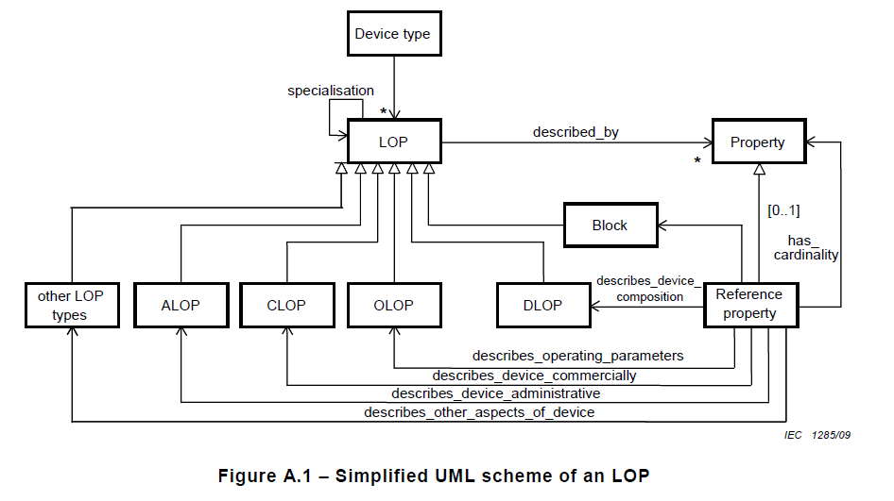
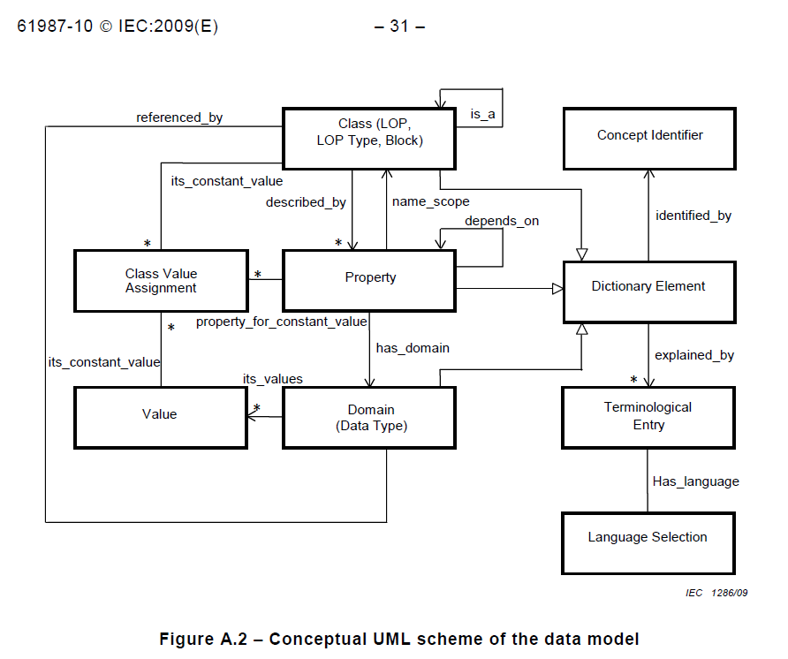
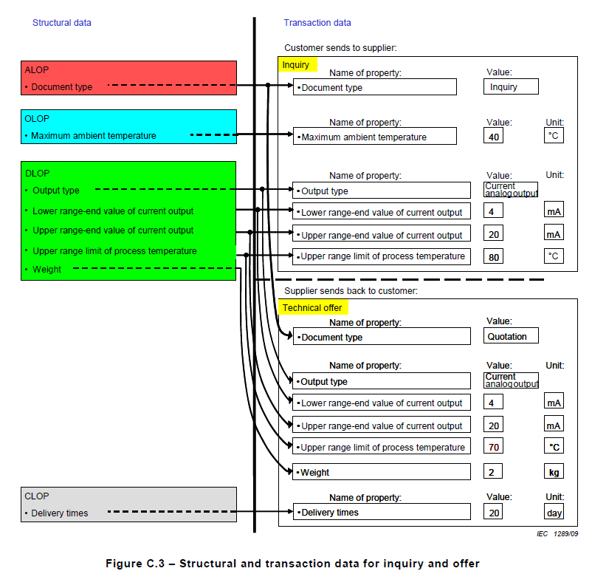

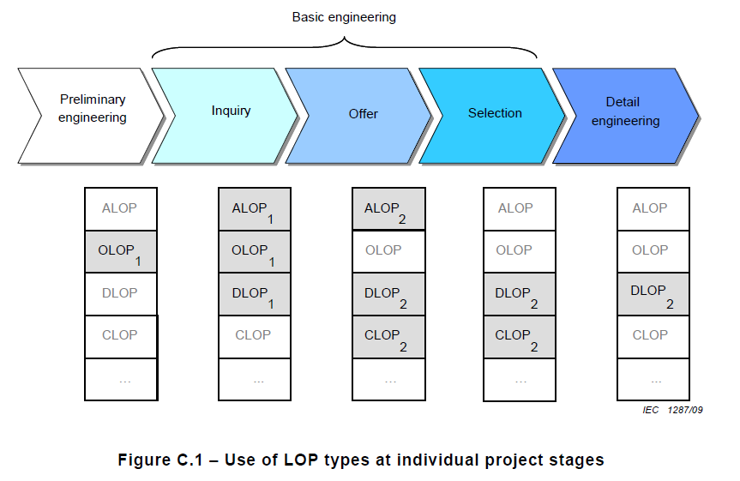

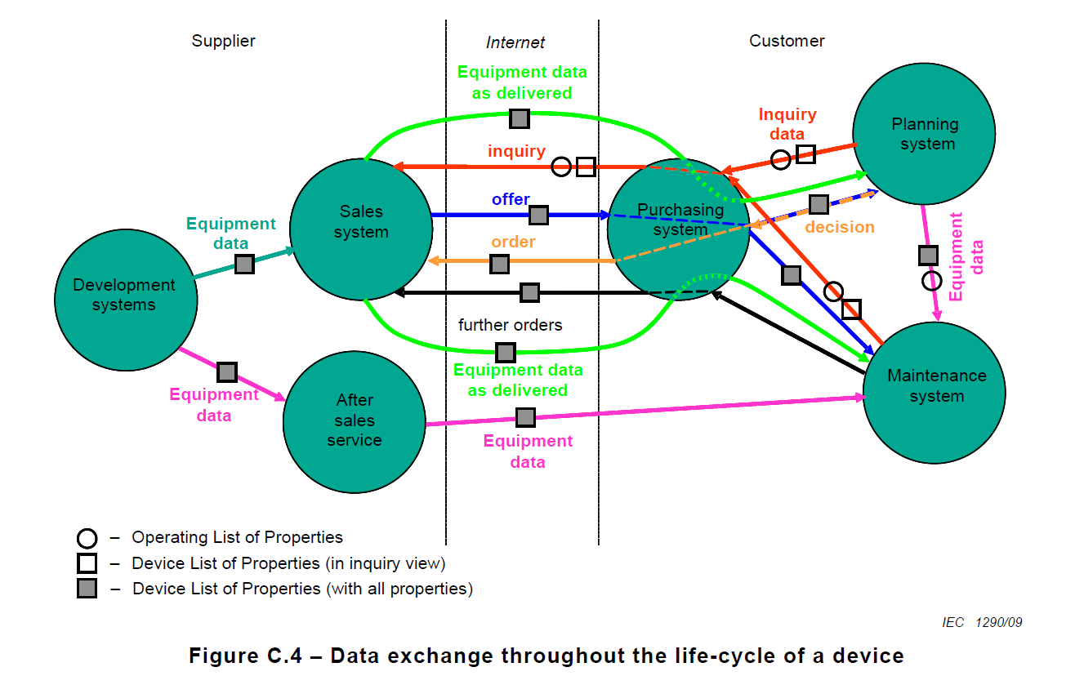

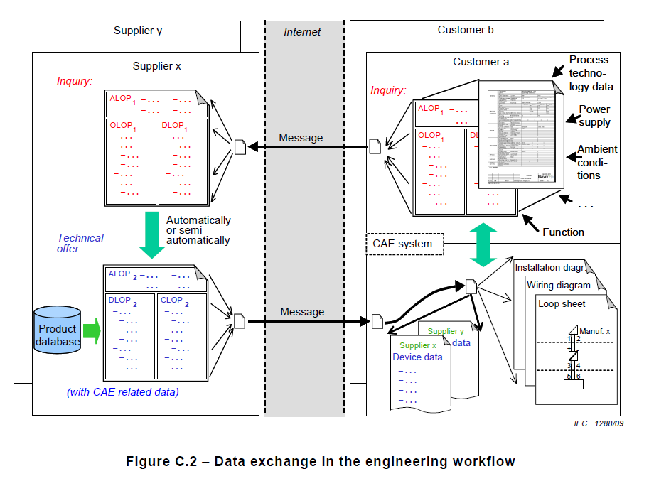
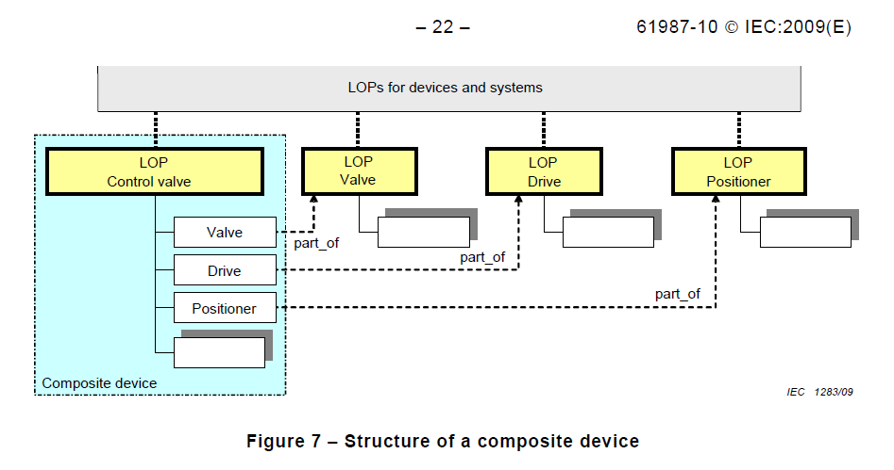
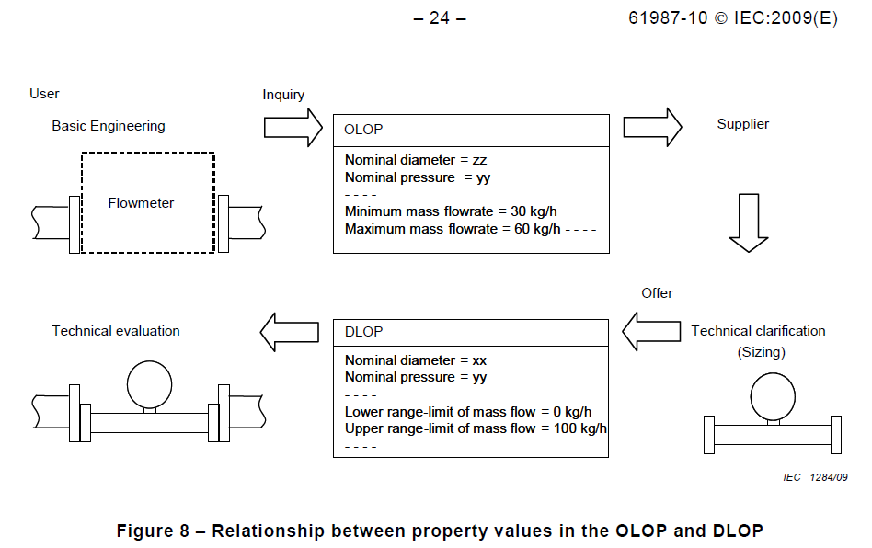

https://cdd.iec.ch/cdd/iec61360/iec61360.nsf/TreeFrameset?OpenFrameSet

