hibiv1_vs_hibiv2 Phd '10
Property |  | HIBI v.1 | HIBI v.2 | Change/Impact
Basics
 | Description language | VHDL, (Matlab) | VHDL, SystemC | SystemC models for exploration
 | Topology | (Hier.) bus | Hier.bus | Better support for arbitrary hierarchy levels | ISCAS-jutun taulukko
 | Interface | HIBI-specific | HIBI-specific | Four versions in v.2
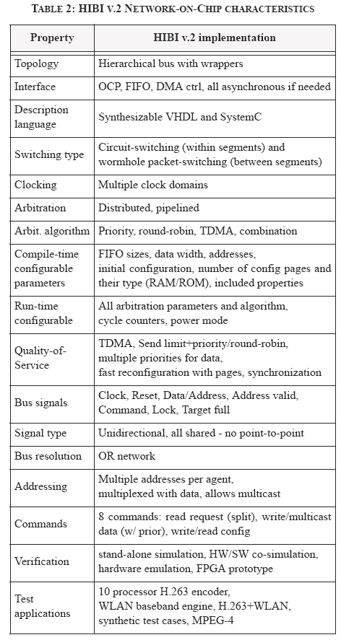
 |  | - | OCP (TLM1, TLM2)
 | Clocking | Synchronous wrapper | Synchronous wrapper | -
 |  | Synchronous network | GALS network | Support for GALS
 | Switching type (within segment) | Circuit-switching | Circuit-switching | -
 | Switching type (between segments) | Wormhole (packet)switching | Wormhole (packet)switching | -
Configuration
 | Configuration | Design-time, (runtime) | Design-time, runtime | Runtime reconfiguration improved
 | Design-time configurable parameters | Data width, addr width, initial configuration, addresses | Data width, addr width, initial configuration, addresses, | -
 |  | FIFO sizes | FIFO sizes | Wrapper-specific in v.2
 |  | - | Number of config pages and their type (RAM/ROM), included properties | Better configurability
 | Run-time configurable parameters | TDMA cycle and slots, max send, own priority | TDMA cycle and slots, max send, own priority | More TDMA slots allowed in v.2
 |  | Own id | - | Fixed at synthesis in v.2
 |  | Own address | - | Fixed at synthesis in v.2
 |  | - | Current TDMA clk cycle | Synchronization added to v.2
 |  | - | Utilized arbitration algorithm | Run-time selection added to v.2
 |  | - | Change configuration page | Fast update of multiple parameters
Transfers
 | Burst transfers | Separate command | All transfers are bursts | More choices on burst length
 |  | Data on addr lines also | - | Multiplexed addr+data in v.2
 | Multicast | Limited support | Versatile | Addressing was redesigned
 | Data priority | None | 2-level: regular and high-prior | Differentiated services included
 | Handshaking signals | None | One | Included the signal: target_full
 | Commands | 6 | 8 | More
 |  | Idle, write, read req, write cfg | Idle, write, read req, write cfg | -
 |  | Start burst, continue burst | Multicast, read cfg, write hi prior, multicast hi prior | Replaced two with four
Signals
 | Bus signals | Data [n-1:0] | Data [n-1:0] | Multiplexed with address
 |  | Addr [m-1:0] | Addr valid | Multiplexing and 1-bit valid signal
 |  | Command [2:0] | Command [2:0] | -
 |  | Lock | Lock | -
 |  | - | Full | Added to v.2
 | Address lines | Separate from data | Multiplexed with data | Less wires and buffers
 | Signal type | Bidirectional, all shared | Unidirectional, all shared | Unidirectional better suited on chip
 | Signal resolution | Three-state logic | OR-based | OR better suited on chip
Flow control
 | Arbitration algorithms | TDMA, round-robin, combination | TDMA, round-robin, priority, combination | Run-times selection in v.2, two versions of TDMA in v.2
 |  | - | Random, DAA | New algorithms and combination
 | Arbitration implementation | Distributed | Distributed | -
 |  | Pipelined | Pipelined | -
 | Handshaking | Application-level | Appl + signal level | Allows smaller FIFOs in v.2
 | Qos | TDMA, round-robin/prior with limited tx length | TDMA, round-robin/prior with limited tx length | -
 |  | - | Multiple priorities for data | Added
 |  | - | Fast runtime configuration | Added
 |  | - | TDMA synchronization | Added
Usage
 | Verification | HW sim, HW/SW sim | HW sim, HW/SW sim | More thorough testbenches
 |  | - | FPGA prototypes | Much effort into this
 |  | HW emulation | - | Not applicable anymore
 | Conference publications | 11 | 11
 | Journal articles | 1 | 5
 | Test applications (simulation) | 10-CPU H.263 video encoder | 10-CPU H.263 video encoder | -
 |  | Synthetic test cases | Synthetic test cases | More cases
 |  | WLAN baseband | WLAN baseband | Also distributed simulation with v.2
 | Test applications (FPGA) | - | H.263 | Added
 |  | - | H.263 + WLAN (FPGA) | Added
 |  | - | MPEG-4, up to 35 CPUs + accelerators | Largest architecture requires 3 FPGAs

performance
 | HIBI v3 troughput between two components, no other traffic, 1024 words 1 address

name | word size | fifo size | transfer length | cycles | clock rate | throughput | throughput
unit | bytes | words | words |  | Hz | byte/s | Mbyte/s
 | 4 | 4 | 1024 | 1847 | 200000000 | 443,530,049 | 443.53
 |  | 5 |  | 1600 |  | 512,000,000 | 512.00
 |  | 6 |  | 1185 |  | 691,308,017 | 691.31
 |  | 7 |  | 1168 |  | 701,369,863 | 701.37
 |  | 8 |  | 1181 |  | 693,649,450 | 693.65
 |  | 9 |  | 1180 |  | 694,237,288 | 694.24
 |  | 10 |  | 1167 |  | 701,970,865 | 701.97
 |  | 11 |  | 1175 |  | 697,191,489 | 697.19
 |  | 64 |  | 1114 |  | 735,368,043 | 735.37
 |  | 256 |  | 1077 |  | 760,631,383 | 760.63

 | Juha Arvio, November 2011

