Summary
🌴 MPOB Oil Palm FFB — CCTV Grid Scan Report
Scanned: 2026-03-10 05:33:33 | Source: demo | Grid: 5×8 | Price: RM 850/tonne

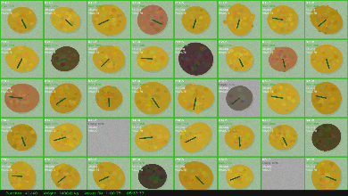

Total Bunches |  | Total Weight (kg) |  | Est. Value (RM) |  | Ripe %
40 |  | 1,400.0 |  | RM1,100.75 |  | 92.5%

Class | Bunches | % of Load | Weight (kg) | Value (RM) | Basic OER % | Oil Penalty % | Graded OER %
Ripe | 37 | 92.5% | 1,295.0 | RM1,100.75 | 20.5 | 0.000 | 20.50
Underripe | 0 | 0.0% | 0.0 | RM0.00 | 20.5 | 0.030 | 20.50
Unripe | 0 | 0.0% | 0.0 | RM0.00 | 20.5 | 0.120 | 20.50
Rotten | 0 | 0.0% | 0.0 | RM0.00 | 20.5 | 0.120 | 20.50
Empty | 3 | 7.5% | 105.0 | RM0.00 | 20.5 | 0.100 | 19.75
TOTAL | 40 | 100% | 1,400.0 | RM1,100.75 | 20.5

MPOB Quality Limits (Sec 5.2.3): Ripe ≥90% Underripe ≤10% Unripe/Rotten/Empty = 0% Reject load if Empty >20% or Dirty >30% of consignment.
⚠ Prototype AI system. Results must be verified by a qualified MPOB-licensed grading officer (MPOB Manual Sec 3.2).

Grid Map








FFB Grid Map — Each cell shows bunch photo, class, weight and value
 | Col 1 | Col 2 | Col 3 | Col 4 | Col 5 | Col 6 | Col 7 | Col 8
Row 1









Row 2









Row 3









Row 4









Row 5

