Molecule Images
Aligned Image | Highlighted Image | Name | canonical_smiles | pchembl_value | assay_id | standard_flag | standard_units | upper_value | standard_inchi_key | relation | standard_text_value | compound_chembl_id | standard_upper_value | assay_chembl_id | doc_id | molregno | description | standard_type | aidx | pref_name | units | activity_id | value | standard_value | assay_organism | toid | standard_relation | src_id (#1) | type | text_value
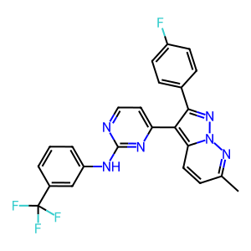 | 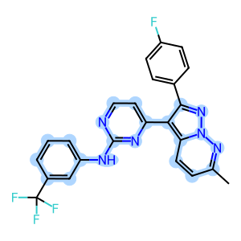 | CHEMBL182493 | Cc1ccc2c(c3ccnc(Nc4cccc(c4)C(F)(F)F)n3)c(nn2n1)c5ccc(F)cc5 | N/A | 302524 | 1 | nM |  | TWQUOUJLNRGSRZ-UHFFFAOYSA-N | > |  | CHEMBL182493 |  | CHEMBL827377 | 21080 | 305637 | Binding affinity for human cyclin-dependent kinase 2 | Ki | CLD0 | Cyclin-dependent kinase 2 | uM | 1438958 | 19.95 | 19950. | Homo sapiens |  | > | 1 | Ki
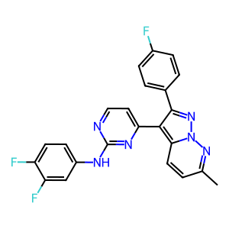 | 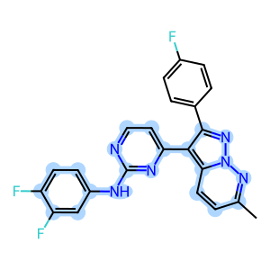 | CHEMBL182326 | Cc1ccc2c(c3ccnc(Nc4ccc(F)c(F)c4)n3)c(nn2n1)c5ccc(F)cc5 | N/A | 302524 | 1 | nM | N/A | CYHPFZLFUXOCJJ-UHFFFAOYSA-N | > | N/A | CHEMBL182326 | N/A | CHEMBL827377 | 21080 | 305651 | Binding affinity for human cyclin-dependent kinase 2 | Ki | CLD0 | Cyclin-dependent kinase 2 | uM | 1438962 | 19.95 | 19950. | Homo sapiens | N/A | > | 1 | Ki | N/A
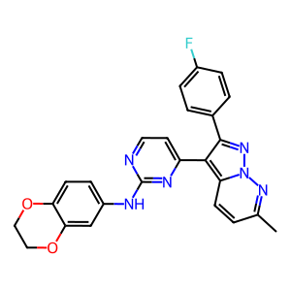 | 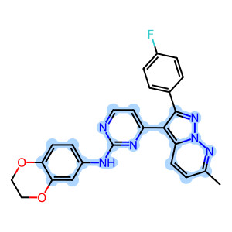 | CHEMBL183064 | Cc1ccc2c(c3ccnc(Nc4ccc5OCCOc5c4)n3)c(nn2n1)c6ccc(F)cc6 | N/A | 302524 | 1 | nM | N/A | MYSOMHSTKVRJRA-UHFFFAOYSA-N | > | N/A | CHEMBL183064 | N/A | CHEMBL827377 | 21080 | 305664 | Binding affinity for human cyclin-dependent kinase 2 | Ki | CLD0 | Cyclin-dependent kinase 2 | uM | 1439061 | 19.95 | 19950. | Homo sapiens | N/A | > | 1 | Ki | N/A
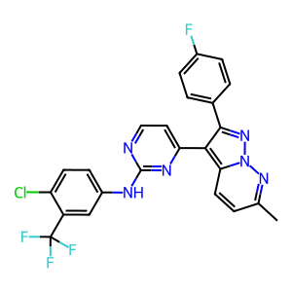 | 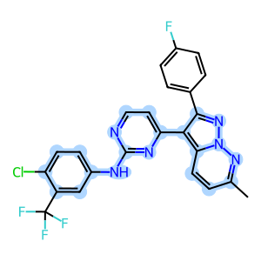 | CHEMBL361038 | Cc1ccc2c(c3ccnc(Nc4ccc(Cl)c(c4)C(F)(F)F)n3)c(nn2n1)c5ccc(F)cc5 | N/A | 302524 | 1 | nM | N/A | VUGNSTAXWJUVEZ-UHFFFAOYSA-N | > | N/A | CHEMBL361038 | N/A | CHEMBL827377 | 21080 | 305674 | Binding affinity for human cyclin-dependent kinase 2 | Ki | CLD0 | Cyclin-dependent kinase 2 | uM | 1439063 | 19.95 | 19950. | Homo sapiens | N/A | > | 1 | Ki | N/A
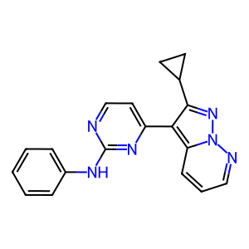 | 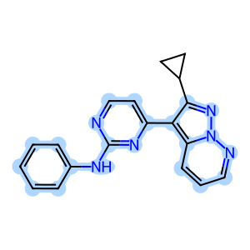 | CHEMBL362296 | C1CC1c2nn3ncccc3c2c4ccnc(Nc5ccccc5)n4 | 5.4 | 302524 | 1 | nM | N/A | BWBMBCPGRIOUNV-UHFFFAOYSA-N | = | N/A | CHEMBL362296 | N/A | CHEMBL827377 | 21080 | 305687 | Binding affinity for human cyclin-dependent kinase 2 | Ki | CLD0 | Cyclin-dependent kinase 2 | uM | 1439065 | 3.98 | 3980. | Homo sapiens | N/A | = | 1 | Ki | N/A
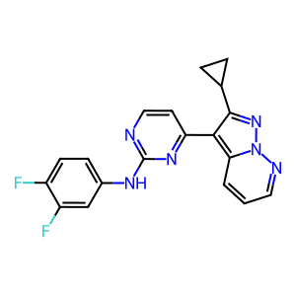 | 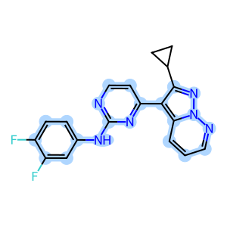 | CHEMBL185516 | Fc1ccc(Nc2nccc(n2)c3c(nn4ncccc34)C5CC5)cc1F | N/A | 302524 | 1 | nM | N/A | JDLIQIUDELHLFR-UHFFFAOYSA-N | > | N/A | CHEMBL185516 | N/A | CHEMBL827377 | 21080 | 305693 | Binding affinity for human cyclin-dependent kinase 2 | Ki | CLD0 | Cyclin-dependent kinase 2 | uM | 1439067 | 19.95 | 19950. | Homo sapiens | N/A | > | 1 | Ki | N/A
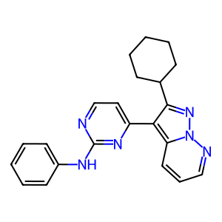 | 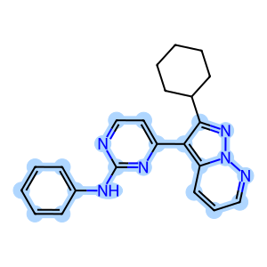 | CHEMBL273870 | C1CCC(CC1)c2nn3ncccc3c2c4ccnc(Nc5ccccc5)n4 | N/A | 302524 | 1 | nM | N/A | DDFQLGDFPMLUMW-UHFFFAOYSA-N | > | N/A | CHEMBL273870 | N/A | CHEMBL827377 | 21080 | 305763 | Binding affinity for human cyclin-dependent kinase 2 | Ki | CLD0 | Cyclin-dependent kinase 2 | uM | 1439069 | 19.95 | 19950. | Homo sapiens | N/A | > | 1 | Ki | N/A
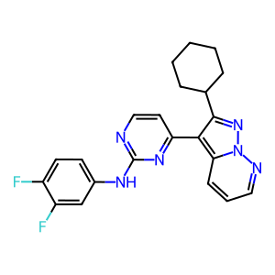 | 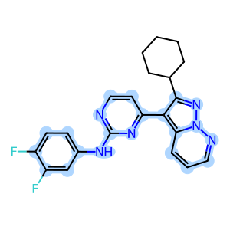 | CHEMBL185044 | Fc1ccc(Nc2nccc(n2)c3c(nn4ncccc34)C5CCCCC5)cc1F | N/A | 302524 | 1 | nM | N/A | ZFSROZCISCIVQI-UHFFFAOYSA-N | > | N/A | CHEMBL185044 | N/A | CHEMBL827377 | 21080 | 305783 | Binding affinity for human cyclin-dependent kinase 2 | Ki | CLD0 | Cyclin-dependent kinase 2 | uM | 1439071 | 19.95 | 19950. | Homo sapiens | N/A | > | 1 | Ki | N/A
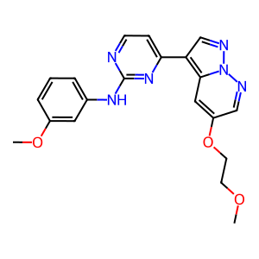 | 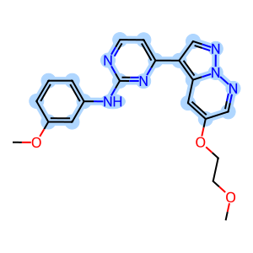 | CHEMBL180593 | COCCOc1cnn2ncc(c3ccnc(Nc4cccc(OC)c4)n3)c2c1 | N/A | 302524 | 1 | nM | N/A | IEKJNVAHFVQHKN-UHFFFAOYSA-N | > | N/A | CHEMBL180593 | N/A | CHEMBL827377 | 21080 | 305804 | Binding affinity for human cyclin-dependent kinase 2 | Ki | CLD0 | Cyclin-dependent kinase 2 | uM | 1439073 | 19.95 | 19950. | Homo sapiens | N/A | > | 1 | Ki | N/A
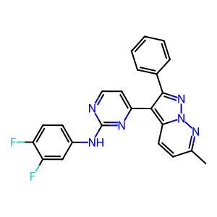 | 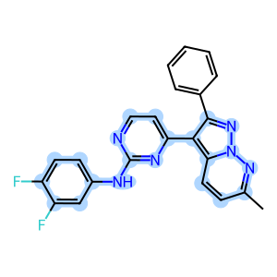 | CHEMBL364197 | Cc1ccc2c(c3ccnc(Nc4ccc(F)c(F)c4)n3)c(nn2n1)c5ccccc5 | N/A | 302524 | 1 | nM | N/A | OOFICCWOSHSLFS-UHFFFAOYSA-N | > | N/A | CHEMBL364197 | N/A | CHEMBL827377 | 21080 | 312679 | Binding affinity for human cyclin-dependent kinase 2 | Ki | CLD0 | Cyclin-dependent kinase 2 | uM | 1465916 | 19.95 | 19950. | Homo sapiens | N/A | > | 1 | Ki | N/A
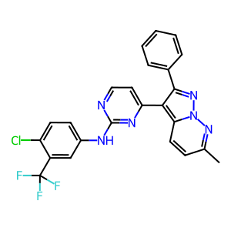 | 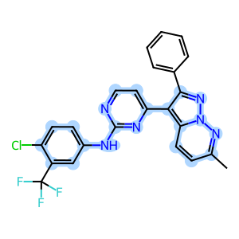 | CHEMBL186010 | Cc1ccc2c(c3ccnc(Nc4ccc(Cl)c(c4)C(F)(F)F)n3)c(nn2n1)c5ccccc5 | N/A | 302524 | 1 | nM | N/A | UBHNWOSNJZLRHM-UHFFFAOYSA-N | > | N/A | CHEMBL186010 | N/A | CHEMBL827377 | 21080 | 312584 | Binding affinity for human cyclin-dependent kinase 2 | Ki | CLD0 | Cyclin-dependent kinase 2 | uM | 1465920 | 19.95 | 19950. | Homo sapiens | N/A | > | 1 | Ki | N/A
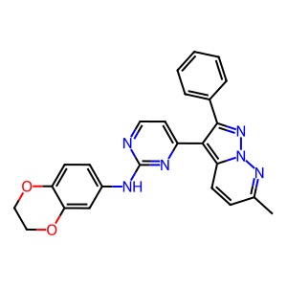 | 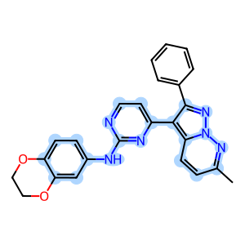 | CHEMBL361723 | Cc1ccc2c(c3ccnc(Nc4ccc5OCCOc5c4)n3)c(nn2n1)c6ccccc6 | N/A | 302524 | 1 | nM | N/A | GHVWPRGGKCMKBF-UHFFFAOYSA-N | > | N/A | CHEMBL361723 | N/A | CHEMBL827377 | 21080 | 312744 | Binding affinity for human cyclin-dependent kinase 2 | Ki | CLD0 | Cyclin-dependent kinase 2 | uM | 1465922 | 19.95 | 19950. | Homo sapiens | N/A | > | 1 | Ki | N/A
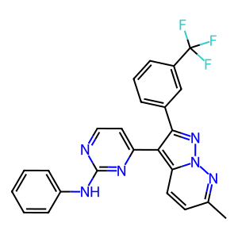 | 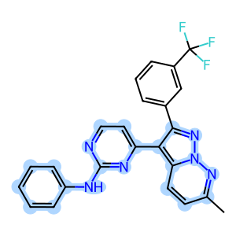 | CHEMBL364539 | Cc1ccc2c(c3ccnc(Nc4ccccc4)n3)c(nn2n1)c5cccc(c5)C(F)(F)F | N/A | 302524 | 1 | nM | N/A | PMECDIZOVNMXJD-UHFFFAOYSA-N | > | N/A | CHEMBL364539 | N/A | CHEMBL827377 | 21080 | 312637 | Binding affinity for human cyclin-dependent kinase 2 | Ki | CLD0 | Cyclin-dependent kinase 2 | uM | 1465924 | 19.95 | 19950. | Homo sapiens | N/A | > | 1 | Ki | N/A
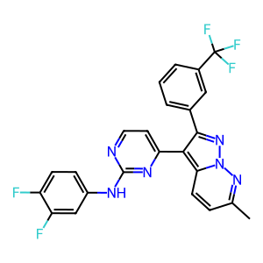 | 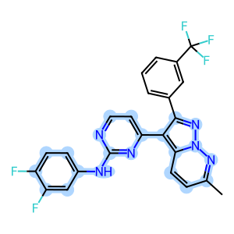 | CHEMBL186195 | Cc1ccc2c(c3ccnc(Nc4ccc(F)c(F)c4)n3)c(nn2n1)c5cccc(c5)C(F)(F)F | N/A | 302524 | 1 | nM | N/A | XRNHEFWKALUYJP-UHFFFAOYSA-N | > | N/A | CHEMBL186195 | N/A | CHEMBL827377 | 21080 | 313030 | Binding affinity for human cyclin-dependent kinase 2 | Ki | CLD0 | Cyclin-dependent kinase 2 | uM | 1465927 | 19.95 | 19950. | Homo sapiens | N/A | > | 1 | Ki | N/A
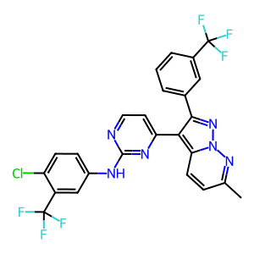 | 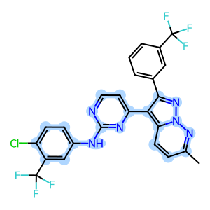 | CHEMBL184657 | Cc1ccc2c(c3ccnc(Nc4ccc(Cl)c(c4)C(F)(F)F)n3)c(nn2n1)c5cccc(c5)C(F)(F)F | N/A | 302524 | 1 | nM | N/A | CFJDGPMBIZYASB-UHFFFAOYSA-N | > | N/A | CHEMBL184657 | N/A | CHEMBL827377 | 21080 | 313297 | Binding affinity for human cyclin-dependent kinase 2 | Ki | CLD0 | Cyclin-dependent kinase 2 | uM | 1465929 | 19.95 | 19950. | Homo sapiens | N/A | > | 1 | Ki | N/A
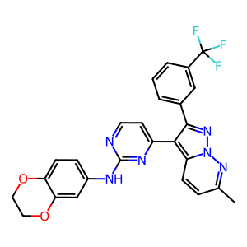 | 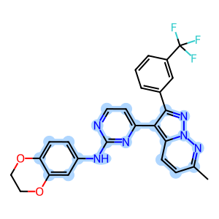 | CHEMBL189617 | Cc1ccc2c(c3ccnc(Nc4ccc5OCCOc5c4)n3)c(nn2n1)c6cccc(c6)C(F)(F)F | 5.3 | 302524 | 1 | nM | N/A | QMRLWEAPWJVLLS-UHFFFAOYSA-N | = | N/A | CHEMBL189617 | N/A | CHEMBL827377 | 21080 | 313068 | Binding affinity for human cyclin-dependent kinase 2 | Ki | CLD0 | Cyclin-dependent kinase 2 | uM | 1465931 | 5. | 5000. | Homo sapiens | N/A | = | 1 | Ki | N/A
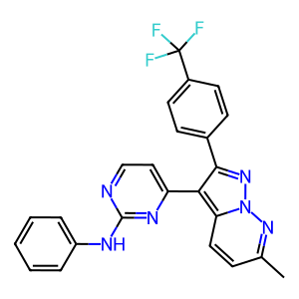 | 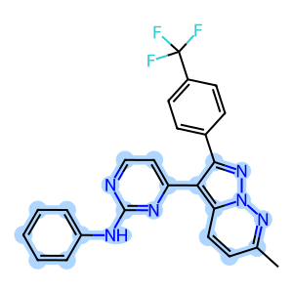 | CHEMBL187272 | Cc1ccc2c(c3ccnc(Nc4ccccc4)n3)c(nn2n1)c5ccc(cc5)C(F)(F)F | N/A | 302524 | 1 | nM | N/A | SYZWMFMFXHAARO-UHFFFAOYSA-N | > | N/A | CHEMBL187272 | N/A | CHEMBL827377 | 21080 | 312846 | Binding affinity for human cyclin-dependent kinase 2 | Ki | CLD0 | Cyclin-dependent kinase 2 | uM | 1465933 | 19.95 | 19950. | Homo sapiens | N/A | > | 1 | Ki | N/A
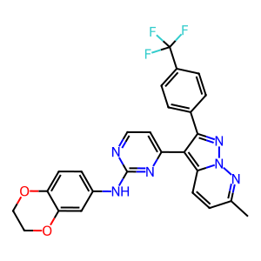 | 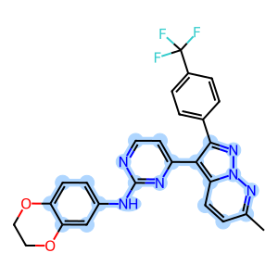 | CHEMBL188247 | Cc1ccc2c(c3ccnc(Nc4ccc5OCCOc5c4)n3)c(nn2n1)c6ccc(cc6)C(F)(F)F | N/A | 302524 | 1 | nM | N/A | JLEUOCWABWBHQW-UHFFFAOYSA-N | > | N/A | CHEMBL188247 | N/A | CHEMBL827377 | 21080 | 313164 | Binding affinity for human cyclin-dependent kinase 2 | Ki | CLD0 | Cyclin-dependent kinase 2 | uM | 1465935 | 19.95 | 19950. | Homo sapiens | N/A | > | 1 | Ki | N/A
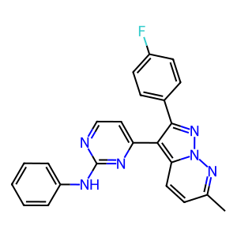 | 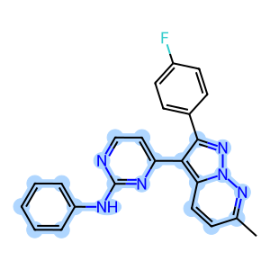 | CHEMBL189459 | Cc1ccc2c(c3ccnc(Nc4ccccc4)n3)c(nn2n1)c5ccc(F)cc5 | N/A | 302524 | 1 | nM | N/A | QKEWQKWUSAUMEH-UHFFFAOYSA-N | > | N/A | CHEMBL189459 | N/A | CHEMBL827377 | 21080 | 312942 | Binding affinity for human cyclin-dependent kinase 2 | Ki | CLD0 | Cyclin-dependent kinase 2 | uM | 1465937 | 19.95 | 19950. | Homo sapiens | N/A | > | 1 | Ki | N/A
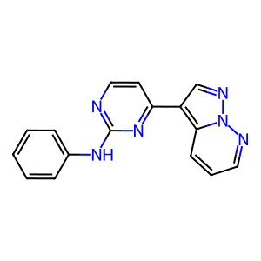 | 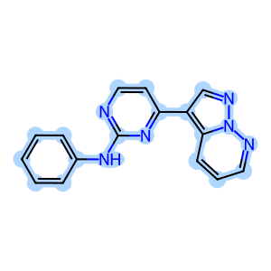 | CHEMBL359554 | N(c1ccccc1)c2nccc(n2)c3cnn4ncccc34 | 8.3 | 302524 | 1 | nM | N/A | LIYXXFOSHNQSRD-UHFFFAOYSA-N | = | N/A | CHEMBL359554 | N/A | CHEMBL827377 | 21080 | 312945 | Binding affinity for human cyclin-dependent kinase 2 | Ki | CLD0 | Cyclin-dependent kinase 2 | uM | 1467146 | 0.005 | 5. | Homo sapiens | N/A | = | 1 | Ki | N/A
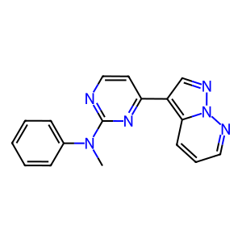 | 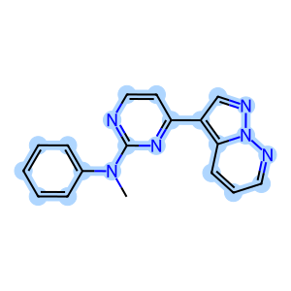 | CHEMBL360866 | CN(c1ccccc1)c2nccc(n2)c3cnn4ncccc34 | 4.7 | 302524 | 1 | nM | N/A | XYEFJKRTJUALOK-UHFFFAOYSA-N | = | N/A | CHEMBL360866 | N/A | CHEMBL827377 | 21080 | 312975 | Binding affinity for human cyclin-dependent kinase 2 | Ki | CLD0 | Cyclin-dependent kinase 2 | uM | 1467151 | 19.9 | 19900. | Homo sapiens | N/A | = | 1 | Ki | N/A
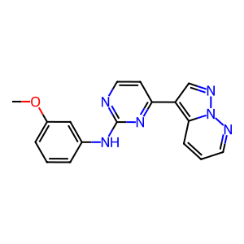 | 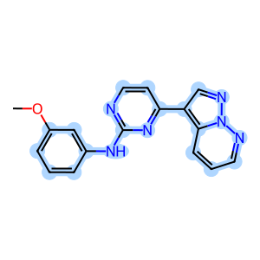 | CHEMBL187081 | COc1cccc(Nc2nccc(n2)c3cnn4ncccc34)c1 | 8.7 | 302524 | 1 | nM | N/A | GBNWWXHUOVAUHT-UHFFFAOYSA-N | = | N/A | CHEMBL187081 | N/A | CHEMBL827377 | 21080 | 313270 | Binding affinity for human cyclin-dependent kinase 2 | Ki | CLD0 | Cyclin-dependent kinase 2 | uM | 1467157 | 0.002 | 2. | Homo sapiens | N/A | = | 1 | Ki | N/A
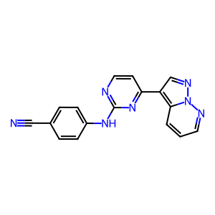 | 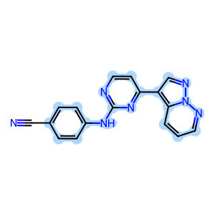 | CHEMBL359794 | N#Cc1ccc(Nc2nccc(n2)c3cnn4ncccc34)cc1 | 9. | 302524 | 1 | nM | N/A | YRSCDRTXWYUNBB-UHFFFAOYSA-N | = | N/A | CHEMBL359794 | N/A | CHEMBL827377 | 21080 | 313040 | Binding affinity for human cyclin-dependent kinase 2 | Ki | CLD0 | Cyclin-dependent kinase 2 | uM | 1467162 | 0.001 | 1. | Homo sapiens | N/A | = | 1 | Ki | N/A
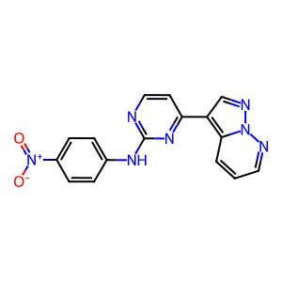 | 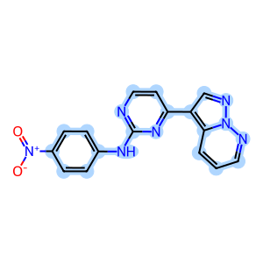 | CHEMBL188938 | [O-][N+](=O)c1ccc(Nc2nccc(n2)c3cnn4ncccc34)cc1 | 7.7 | 302524 | 1 | nM | N/A | RVBOIHXTZQGXRV-UHFFFAOYSA-N | = | N/A | CHEMBL188938 | N/A | CHEMBL827377 | 21080 | 313041 | Binding affinity for human cyclin-dependent kinase 2 | Ki | CLD0 | Cyclin-dependent kinase 2 | uM | 1467268 | 0.02 | 20. | Homo sapiens | N/A | = | 1 | Ki | N/A
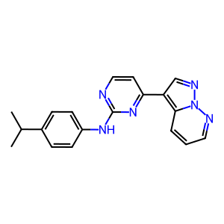 | 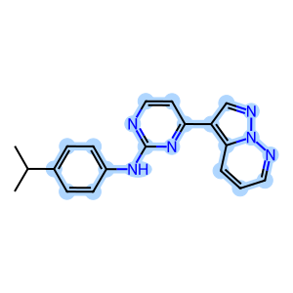 | CHEMBL359963 | CC(C)c1ccc(Nc2nccc(n2)c3cnn4ncccc34)cc1 | 8. | 302524 | 1 | nM | N/A | UODXTGBFBIFREQ-UHFFFAOYSA-N | = | N/A | CHEMBL359963 | N/A | CHEMBL827377 | 21080 | 312758 | Binding affinity for human cyclin-dependent kinase 2 | Ki | CLD0 | Cyclin-dependent kinase 2 | uM | 1467271 | 0.01 | 10. | Homo sapiens | N/A | = | 1 | Ki | N/A
 |  | CHEMBL185871 | CCC(C)c1ccc(Nc2nccc(n2)c3cnn4ncccc34)cc1 | 6.82 | 302524 | 1 | nM | N/A | YRGZDNHXSLVEOX-UHFFFAOYSA-N | = | N/A | CHEMBL185871 | N/A | CHEMBL827377 | 21080 | 312790 | Binding affinity for human cyclin-dependent kinase 2 | Ki | CLD0 | Cyclin-dependent kinase 2 | uM | 1467275 | 0.15 | 150. | Homo sapiens | N/A | = | 1 | Ki | N/A
 |  | CHEMBL364587 | CC(C)(C)c1ccc(Nc2nccc(n2)c3cnn4ncccc34)cc1 | 6.82 | 302524 | 1 | nM | N/A | ZNTCURDIWRJLBI-UHFFFAOYSA-N | = | N/A | CHEMBL364587 | N/A | CHEMBL827377 | 21080 | 312804 | Binding affinity for human cyclin-dependent kinase 2 | Ki | CLD0 | Cyclin-dependent kinase 2 | uM | 1467278 | 0.15 | 150. | Homo sapiens | N/A | = | 1 | Ki | N/A
 |  | CHEMBL186054 | COc1ccc(Nc2nccc(n2)c3cnn4ncccc34)cc1OC | 7.3 | 302524 | 1 | nM | N/A | AGAYQQLAAVQQLA-UHFFFAOYSA-N | = | N/A | CHEMBL186054 | N/A | CHEMBL827377 | 21080 | 312697 | Binding affinity for human cyclin-dependent kinase 2 | Ki | CLD0 | Cyclin-dependent kinase 2 | uM | 1467281 | 0.05 | 50. | Homo sapiens | N/A | = | 1 | Ki | N/A
 |  | CHEMBL189455 | C1Oc2ccc(Nc3nccc(n3)c4cnn5ncccc45)cc2O1 | 8. | 302524 | 1 | nM | N/A | QGMKFIGNGWVOSE-UHFFFAOYSA-N | = | N/A | CHEMBL189455 | N/A | CHEMBL827377 | 21080 | 312710 | Binding affinity for human cyclin-dependent kinase 2 | Ki | CLD0 | Cyclin-dependent kinase 2 | uM | 1467286 | 0.01 | 10. | Homo sapiens | N/A | = | 1 | Ki | N/A
 |  | CHEMBL361894 | C1COc2cc(Nc3nccc(n3)c4cnn5ncccc45)ccc2O1 | 8.22 | 302524 | 1 | nM | N/A | WIIIHAKKVLVGJX-UHFFFAOYSA-N | = | N/A | CHEMBL361894 | N/A | CHEMBL827377 | 21080 | 312601 | Binding affinity for human cyclin-dependent kinase 2 | Ki | CLD0 | Cyclin-dependent kinase 2 | uM | 1467289 | 0.006 | 6. | Homo sapiens | N/A | = | 1 | Ki | N/A
 |  | CHEMBL364370 | Fc1ccc(Nc2nccc(n2)c3cnn4ncccc34)cc1F | 8.7 | 302524 | 1 | nM | N/A | BLZGDFUGFILBJG-UHFFFAOYSA-N | = | N/A | CHEMBL364370 | N/A | CHEMBL827377 | 21080 | 312602 | Binding affinity for human cyclin-dependent kinase 2 | Ki | CLD0 | Cyclin-dependent kinase 2 | uM | 1467294 | 0.002 | 2. | Homo sapiens | N/A | = | 1 | Ki | N/A
 |  | CHEMBL186708 | C1COc2ccc(Nc3nccc(n3)c4cnn5ncccc45)cc2OC1 | 8.22 | 302524 | 1 | nM | N/A | CXHLTNFGZLWOKU-UHFFFAOYSA-N | = | N/A | CHEMBL186708 | N/A | CHEMBL827377 | 21080 | 312762 | Binding affinity for human cyclin-dependent kinase 2 | Ki | CLD0 | Cyclin-dependent kinase 2 | uM | 1467297 | 0.006 | 6. | Homo sapiens | N/A | = | 1 | Ki | N/A
 |  | CHEMBL186890 | Clc1ccc(Nc2nccc(n2)c3cnn4ncccc34)cc1Cl | 9. | 302524 | 1 | nM | N/A | BOQORPXVPMXARS-UHFFFAOYSA-N | = | N/A | CHEMBL186890 | N/A | CHEMBL827377 | 21080 | 312763 | Binding affinity for human cyclin-dependent kinase 2 | Ki | CLD0 | Cyclin-dependent kinase 2 | uM | 1467300 | 0.001 | 1. | Homo sapiens | N/A | = | 1 | Ki | N/A
 |  | CHEMBL188665 | FC(F)(F)c1cc(Nc2nccc(n2)c3cnn4ncccc34)ccc1Cl | 8. | 302524 | 1 | nM | N/A | FGECJLIFPRCLCB-UHFFFAOYSA-N | = | N/A | CHEMBL188665 | N/A | CHEMBL827377 | 21080 | 312937 | Binding affinity for human cyclin-dependent kinase 2 | Ki | CLD0 | Cyclin-dependent kinase 2 | uM | 1467405 | 0.01 | 10. | Homo sapiens | N/A | = | 1 | Ki | N/A
 |  | CHEMBL359999 | COc1cc(Nc2nccc(n2)c3cnn4ncccc34)cc(OC)c1 | 8. | 302524 | 1 | nM | N/A | XSJMSGALWUODPK-UHFFFAOYSA-N | = | N/A | CHEMBL359999 | N/A | CHEMBL827377 | 21080 | 312968 | Binding affinity for human cyclin-dependent kinase 2 | Ki | CLD0 | Cyclin-dependent kinase 2 | uM | 1467410 | 0.01 | 10. | Homo sapiens | N/A | = | 1 | Ki | N/A
 |  | CHEMBL360206 | COc1cc(Nc2nccc(n2)c3cnn4ncccc34)cc(c1)C(F)(F)F | 8. | 302524 | 1 | nM | N/A | GBYZMXCPDFNNOB-UHFFFAOYSA-N | = | N/A | CHEMBL360206 | N/A | CHEMBL827377 | 21080 | 313001 | Binding affinity for human cyclin-dependent kinase 2 | Ki | CLD0 | Cyclin-dependent kinase 2 | uM | 1467414 | 0.01 | 10. | Homo sapiens | N/A | = | 1 | Ki | N/A
 |  | CHEMBL365229 | FC(F)(F)c1cc(Br)cc(Nc2nccc(n2)c3cnn4ncccc34)c1 | 8. | 302524 | 1 | nM | N/A | LVHOFIUXRMSCFN-UHFFFAOYSA-N | = | N/A | CHEMBL365229 | N/A | CHEMBL827377 | 21080 | 313298 | Binding affinity for human cyclin-dependent kinase 2 | Ki | CLD0 | Cyclin-dependent kinase 2 | uM | 1467419 | 0.01 | 10. | Homo sapiens | N/A | = | 1 | Ki | N/A
 |  | CHEMBL184510 | Fc1cc(F)cc(Nc2nccc(n2)c3cnn4ncccc34)c1 | 9. | 302524 | 1 | nM | N/A | FZHZYQRQDGJIBK-UHFFFAOYSA-N | = | N/A | CHEMBL184510 | N/A | CHEMBL827377 | 21080 | 313299 | Binding affinity for human cyclin-dependent kinase 2 | Ki | CLD0 | Cyclin-dependent kinase 2 | uM | 1467422 | 0.001 | 1. | Homo sapiens | N/A | = | 1 | Ki | N/A
 |  | CHEMBL361697 | Clc1cc(Cl)cc(Nc2nccc(n2)c3cnn4ncccc34)c1 | 6.51 | 302524 | 1 | nM | N/A | KIJWMPSSOUHQTQ-UHFFFAOYSA-N | = | N/A | CHEMBL361697 | N/A | CHEMBL827377 | 21080 | 313071 | Binding affinity for human cyclin-dependent kinase 2 | Ki | CLD0 | Cyclin-dependent kinase 2 | uM | 1467427 | 0.31 | 310. | Homo sapiens | N/A | = | 1 | Ki | N/A
 |  | CHEMBL186101 | Cc1cc(C)cc(Nc2nccc(n2)c3cnn4ncccc34)c1 | 8.52 | 302524 | 1 | nM | N/A | WKITVSVNTNNVLF-UHFFFAOYSA-N | = | N/A | CHEMBL186101 | N/A | CHEMBL827377 | 21080 | 313101 | Binding affinity for human cyclin-dependent kinase 2 | Ki | CLD0 | Cyclin-dependent kinase 2 | uM | 1467432 | 0.003 | 3. | Homo sapiens | N/A | = | 1 | Ki | N/A
 |  | CHEMBL187750 | Oc1ccc2c(cnn2n1)c3ccnc(Nc4cccc(c4)C(F)(F)F)n3 | 8.1 | 302524 | 1 | nM | N/A | FEQLPEIKSCUTRT-UHFFFAOYSA-N | = | N/A | CHEMBL187750 | N/A | CHEMBL827377 | 21080 | 312883 | Binding affinity for human cyclin-dependent kinase 2 | Ki | CLD0 | Cyclin-dependent kinase 2 | uM | 1467437 | 0.008 | 8. | Homo sapiens | N/A | = | 1 | Ki | N/A
 |  | CHEMBL189235 | COc1ccc2c(cnn2n1)c3ccnc(Nc4cccc(c4)C(F)(F)F)n3 | 6.8 | 302524 | 1 | nM | N/A | IGMVMVBDVWUCTC-UHFFFAOYSA-N | = | N/A | CHEMBL189235 | N/A | CHEMBL827377 | 21080 | 313167 | Binding affinity for human cyclin-dependent kinase 2 | Ki | CLD0 | Cyclin-dependent kinase 2 | uM | 1467540 | 0.16 | 160. | Homo sapiens | N/A | = | 1 | Ki | N/A
 |  | CHEMBL183993 | CCOc1ccc2c(cnn2n1)c3ccnc(Nc4cccc(c4)C(F)(F)F)n3 | 5.7 | 302524 | 1 | nM | N/A | WNKSRDBBYKDORB-UHFFFAOYSA-N | = | N/A | CHEMBL183993 | N/A | CHEMBL827377 | 21080 | 312977 | Binding affinity for human cyclin-dependent kinase 2 | Ki | CLD0 | Cyclin-dependent kinase 2 | uM | 1467543 | 1.99 | 1990. | Homo sapiens | N/A | = | 1 | Ki | N/A
 |  | CHEMBL187287 | CCCOc1ccc2c(cnn2n1)c3ccnc(Nc4cccc(c4)C(F)(F)F)n3 | 5.9 | 302524 | 1 | nM | N/A | ZNDZYFSDFYUJHS-UHFFFAOYSA-N | = | N/A | CHEMBL187287 | N/A | CHEMBL827377 | 21080 | 313303 | Binding affinity for human cyclin-dependent kinase 2 | Ki | CLD0 | Cyclin-dependent kinase 2 | uM | 1467546 | 1.26 | 1260. | Homo sapiens | N/A | = | 1 | Ki | N/A
 |  | CHEMBL188312 | COc1cccc(Nc2nccc(n2)c3cnn4nc(OC)ccc34)c1 | 7.22 | 302524 | 1 | nM | N/A | PFAAZWLEKZPBLT-UHFFFAOYSA-N | = | N/A | CHEMBL188312 | N/A | CHEMBL827377 | 21080 | 313075 | Binding affinity for human cyclin-dependent kinase 2 | Ki | CLD0 | Cyclin-dependent kinase 2 | uM | 1467549 | 0.06 | 60. | Homo sapiens | N/A | = | 1 | Ki | N/A
 |  | CHEMBL365248 | COc1ccc2c(cnn2n1)c3ccnc(Nc4cccc(OC(F)(F)F)c4)n3 | 6.72 | 302524 | 1 | nM | N/A | IXSZNCPQZGGHKB-UHFFFAOYSA-N | = | N/A | CHEMBL365248 | N/A | CHEMBL827377 | 21080 | 312648 | Binding affinity for human cyclin-dependent kinase 2 | Ki | CLD0 | Cyclin-dependent kinase 2 | uM | 1467553 | 0.19 | 190. | Homo sapiens | N/A | = | 1 | Ki | N/A
 |  | CHEMBL189352 | COc1ccc2c(cnn2n1)c3ccnc(Nc4ccc(cc4)C#N)n3 | 6.3 | 302524 | 1 | nM | N/A | NDGOAYJLMNXBRG-UHFFFAOYSA-N | = | N/A | CHEMBL189352 | N/A | CHEMBL827377 | 21080 | 312805 | Binding affinity for human cyclin-dependent kinase 2 | Ki | CLD0 | Cyclin-dependent kinase 2 | uM | 1467556 | 0.5 | 500. | Homo sapiens | N/A | = | 1 | Ki | N/A
 |  | CHEMBL186288 | COc1ccc2c(cnn2n1)c3ccnc(Nc4ccc(cc4)[N+](=O)[O-])n3 | 7.7 | 302524 | 1 | nM | N/A | RBHCYWNSENRQLN-UHFFFAOYSA-N | = | N/A | CHEMBL186288 | N/A | CHEMBL827377 | 21080 | 312822 | Binding affinity for human cyclin-dependent kinase 2 | Ki | CLD0 | Cyclin-dependent kinase 2 | uM | 1467559 | 0.02 | 20. | Homo sapiens | N/A | = | 1 | Ki | N/A
 |  | CHEMBL188417 | COc1cc(Nc2nccc(n2)c3cnn4nc(OC)ccc34)cc(OC)c1 | 6.72 | 302524 | 1 | nM | N/A | MRFMXCDMVCFHFP-UHFFFAOYSA-N | = | N/A | CHEMBL188417 | N/A | CHEMBL827377 | 21080 | 312711 | Binding affinity for human cyclin-dependent kinase 2 | Ki | CLD0 | Cyclin-dependent kinase 2 | uM | 1467562 | 0.19 | 190. | Homo sapiens | N/A | = | 1 | Ki | N/A
 |  | CHEMBL187139 | COc1cc(Nc2nccc(n2)c3cnn4nc(OC)ccc34)cc(c1)C(F)(F)F | 6.1 | 302524 | 1 | nM | N/A | GJYVLTPTDBQQCY-UHFFFAOYSA-N | = | N/A | CHEMBL187139 | N/A | CHEMBL827377 | 21080 | 312618 | Binding affinity for human cyclin-dependent kinase 2 | Ki | CLD0 | Cyclin-dependent kinase 2 | uM | 1467565 | 0.79 | 790. | Homo sapiens | N/A | = | 1 | Ki | N/A
 |  | CHEMBL188426 | CCOc1ccc2c(cnn2n1)c3ccnc(Nc4cc(OC)cc(c4)C(F)(F)F)n3 | N/A | 302524 | 1 | nM | N/A | FXUBIYKZSFWJQZ-UHFFFAOYSA-N | > | N/A | CHEMBL188426 | N/A | CHEMBL827377 | 21080 | 312779 | Binding affinity for human cyclin-dependent kinase 2 | Ki | CLD0 | Cyclin-dependent kinase 2 | uM | 1467568 | 19.95 | 19950. | Homo sapiens | N/A | > | 1 | Ki | N/A
 |  | CHEMBL188205 | COc1ccc2c(cnn2n1)c3ccnc(Nc4cc(cc(c4)C(F)(F)F)C(F)(F)F)n3 | N/A | 302524 | 1 | nM | N/A | PHJRPJMEZGTTKC-UHFFFAOYSA-N | > | N/A | CHEMBL188205 | N/A | CHEMBL827377 | 21080 | 312969 | Binding affinity for human cyclin-dependent kinase 2 | Ki | CLD0 | Cyclin-dependent kinase 2 | uM | 1467571 | 19.95 | 19950. | Homo sapiens | N/A | > | 1 | Ki | N/A
 |  | CHEMBL188785 | COc1ccc2c(cnn2n1)c3ccnc(Nc4ccc5OCCOc5c4)n3 | 7. | 302524 | 1 | nM | N/A | ILJWGWQUBUXSLL-UHFFFAOYSA-N | = | N/A | CHEMBL188785 | N/A | CHEMBL827377 | 21080 | 313262 | Binding affinity for human cyclin-dependent kinase 2 | Ki | CLD0 | Cyclin-dependent kinase 2 | uM | 1467671 | 0.1 | 100. | Homo sapiens | N/A | = | 1 | Ki | N/A
 |  | CHEMBL187006 | Cc1ccc2c(cnn2n1)c3ccnc(Nc4cccc(c4)C(F)(F)F)n3 | 7.3 | 302524 | 1 | nM | N/A | YPDVNNOPAKMWBO-UHFFFAOYSA-N | = | N/A | CHEMBL187006 | N/A | CHEMBL827377 | 21080 | 313002 | Binding affinity for human cyclin-dependent kinase 2 | Ki | CLD0 | Cyclin-dependent kinase 2 | uM | 1467674 | 0.05 | 50. | Homo sapiens | N/A | = | 1 | Ki | N/A
 |  | CHEMBL188303 | Cc1ccc2c(cnn2n1)c3ccnc(Nc4ccc(cc4)C(F)(F)F)n3 | 6.72 | 302524 | 1 | nM | N/A | LOAIUSJMQXSEBK-UHFFFAOYSA-N | = | N/A | CHEMBL188303 | N/A | CHEMBL827377 | 21080 | 313325 | Binding affinity for human cyclin-dependent kinase 2 | Ki | CLD0 | Cyclin-dependent kinase 2 | uM | 1467677 | 0.19 | 190. | Homo sapiens | N/A | = | 1 | Ki | N/A
 |  | CHEMBL186680 | COc1cc(Nc2nccc(n2)c3cnn4nc(C)ccc34)cc(c1)C(F)(F)F | 7.7 | 302524 | 1 | nM | N/A | ZANNOGKZSUYAAD-UHFFFAOYSA-N | = | N/A | CHEMBL186680 | N/A | CHEMBL827377 | 21080 | 312884 | Binding affinity for human cyclin-dependent kinase 2 | Ki | CLD0 | Cyclin-dependent kinase 2 | uM | 1467681 | 0.02 | 20. | Homo sapiens | N/A | = | 1 | Ki | N/A
 |  | CHEMBL434337 | Cc1ccc2c(cnn2n1)c3ccnc(Nc4ccc5OCCOc5c4)n3 | 8.22 | 302524 | 1 | nM | N/A | NKTGKAVJSAUPCX-UHFFFAOYSA-N | = | N/A | CHEMBL434337 | N/A | CHEMBL827377 | 21080 | 313202 | Binding affinity for human cyclin-dependent kinase 2 | Ki | CLD0 | Cyclin-dependent kinase 2 | uM | 1467684 | 0.006 | 6. | Homo sapiens | N/A | = | 1 | Ki | N/A
 |  | CHEMBL189415 | FC(F)(F)c1cccc(Nc2nccc(n2)c3cnn4nc(ccc34)c5ccccc5)c1 | 5.6 | 302524 | 1 | nM | N/A | WZYFWJBVNQRGCX-UHFFFAOYSA-N | = | N/A | CHEMBL189415 | N/A | CHEMBL827377 | 21080 | 313006 | Binding affinity for human cyclin-dependent kinase 2 | Ki | CLD0 | Cyclin-dependent kinase 2 | uM | 1467687 | 2.5 | 2500. | Homo sapiens | N/A | = | 1 | Ki | N/A
 |  | CHEMBL186606 | C1COc2cc(Nc3nccc(n3)c4cnn5nc(ccc45)c6ccccc6)ccc2O1 | N/A | 302524 | 1 | nM | N/A | HJWJIQIDROUCNV-UHFFFAOYSA-N | > | N/A | CHEMBL186606 | N/A | CHEMBL827377 | 21080 | 313304 | Binding affinity for human cyclin-dependent kinase 2 | Ki | CLD0 | Cyclin-dependent kinase 2 | uM | 1467690 | 19.95 | 19950. | Homo sapiens | N/A | > | 1 | Ki | N/A
 |  | CHEMBL360408 | N(c1ccccc1)c2nccc(n2)c3c(nn4ncccc34)c5ccccc5 | 5.4 | 302524 | 1 | nM | N/A | UTOOHPODUPHFBL-UHFFFAOYSA-N | = | N/A | CHEMBL360408 | N/A | CHEMBL827377 | 21080 | 313076 | Binding affinity for human cyclin-dependent kinase 2 | Ki | CLD0 | Cyclin-dependent kinase 2 | uM | 1467693 | 3.98 | 3980. | Homo sapiens | N/A | = | 1 | Ki | N/A
 |  | CHEMBL263448 | FC(F)(F)c1cccc(Nc2nccc(n2)c3c(nn4ncccc34)c5ccccc5)c1 | N/A | 302524 | 1 | nM | N/A | BLAJHXAFHKBZSN-UHFFFAOYSA-N | > | N/A | CHEMBL263448 | N/A | CHEMBL827377 | 21080 | 312774 | Binding affinity for human cyclin-dependent kinase 2 | Ki | CLD0 | Cyclin-dependent kinase 2 | uM | 1467697 | 19.95 | 19950. | Homo sapiens | N/A | > | 1 | Ki | N/A
 |  | CHEMBL439850 | Fc1ccc(Nc2nccc(n2)c3c(nn4ncccc34)c5ccccc5)cc1F | N/A | 302524 | 1 | nM | N/A | WYLUFGCIPSWIIG-UHFFFAOYSA-N | > | N/A | CHEMBL439850 | N/A | CHEMBL827377 | 21080 | 312663 | Binding affinity for human cyclin-dependent kinase 2 | Ki | CLD0 | Cyclin-dependent kinase 2 | uM | 1467701 | 19.95 | 19950. | Homo sapiens | N/A | > | 1 | Ki | N/A
 |  | CHEMBL186476 | Fc1cc(F)cc(Nc2nccc(n2)c3c(nn4ncccc34)c5ccccc5)c1 | N/A | 302524 | 1 | nM | N/A | XCJVRZAQFJYFSZ-UHFFFAOYSA-N | > | N/A | CHEMBL186476 | N/A | CHEMBL827377 | 21080 | 312823 | Binding affinity for human cyclin-dependent kinase 2 | Ki | CLD0 | Cyclin-dependent kinase 2 | uM | 1467705 | 19.95 | 19950. | Homo sapiens | N/A | > | 1 | Ki | N/A
 |  | CHEMBL365251 | FC(F)(F)c1cc(Nc2nccc(n2)c3c(nn4ncccc34)c5ccccc5)ccc1Cl | N/A | 302524 | 1 | nM | N/A | QDHSRCVLCZGGEA-UHFFFAOYSA-N | > | N/A | CHEMBL365251 | N/A | CHEMBL827377 | 21080 | 312727 | Binding affinity for human cyclin-dependent kinase 2 | Ki | CLD0 | Cyclin-dependent kinase 2 | uM | 1467807 | 19.95 | 19950. | Homo sapiens | N/A | > | 1 | Ki | N/A
 |  | CHEMBL363125 | C1COc2cc(Nc3nccc(n3)c4c(nn5ncccc45)c6ccccc6)ccc2O1 | N/A | 302524 | 1 | nM | N/A | OOFFIMNOURWPHS-UHFFFAOYSA-N | > | N/A | CHEMBL363125 | N/A | CHEMBL827377 | 21080 | 312619 | Binding affinity for human cyclin-dependent kinase 2 | Ki | CLD0 | Cyclin-dependent kinase 2 | uM | 1467809 | 19.95 | 19950. | Homo sapiens | N/A | > | 1 | Ki | N/A
 |  | CHEMBL186425 | Fc1ccc(cc1)c2nn3ncccc3c2c4ccnc(Nc5ccccc5)n4 | N/A | 302524 | 1 | nM | N/A | WBNBKUXDNWEDOY-UHFFFAOYSA-N | > | N/A | CHEMBL186425 | N/A | CHEMBL827377 | 21080 | 312999 | Binding affinity for human cyclin-dependent kinase 2 | Ki | CLD0 | Cyclin-dependent kinase 2 | uM | 1467814 | 19.95 | 19950. | Homo sapiens | N/A | > | 1 | Ki | N/A
 |  | CHEMBL189343 | Fc1ccc(cc1)c2nn3ncccc3c2c4ccnc(Nc5cccc(c5)C(F)(F)F)n4 | N/A | 302524 | 1 | nM | N/A | UPZQSWMQDHIVQJ-UHFFFAOYSA-N | > | N/A | CHEMBL189343 | N/A | CHEMBL827377 | 21080 | 313263 | Binding affinity for human cyclin-dependent kinase 2 | Ki | CLD0 | Cyclin-dependent kinase 2 | uM | 1467816 | 19.95 | 19950. | Homo sapiens | N/A | > | 1 | Ki | N/A
 |  | CHEMBL186166 | Fc1ccc(cc1)c2nn3ncccc3c2c4ccnc(Nc5ccc(F)c(F)c5)n4 | N/A | 302524 | 1 | nM | N/A | OHAQDYMEPKKRBF-UHFFFAOYSA-N | > | N/A | CHEMBL186166 | N/A | CHEMBL827377 | 21080 | 313032 | Binding affinity for human cyclin-dependent kinase 2 | Ki | CLD0 | Cyclin-dependent kinase 2 | uM | 1467820 | 19.95 | 19950. | Homo sapiens | N/A | > | 1 | Ki | N/A
 |  | CHEMBL189288 | Fc1ccc(cc1)c2nn3ncccc3c2c4ccnc(Nc5ccc(Cl)c(c5)C(F)(F)F)n4 | N/A | 302524 | 1 | nM | N/A | OFLZPIHQIBEOQU-UHFFFAOYSA-N | > | N/A | CHEMBL189288 | N/A | CHEMBL827377 | 21080 | 313326 | Binding affinity for human cyclin-dependent kinase 2 | Ki | CLD0 | Cyclin-dependent kinase 2 | uM | 1467822 | 19.95 | 19950. | Homo sapiens | N/A | > | 1 | Ki | N/A
 |  | CHEMBL365297 | Fc1ccc(cc1)c2nn3ncccc3c2c4ccnc(Nc5ccc6OCCOc6c5)n4 | N/A | 302524 | 1 | nM | N/A | VCIUEFSUNSUNPA-UHFFFAOYSA-N | > | N/A | CHEMBL365297 | N/A | CHEMBL827377 | 21080 | 313134 | Binding affinity for human cyclin-dependent kinase 2 | Ki | CLD0 | Cyclin-dependent kinase 2 | uM | 1467824 | 19.95 | 19950. | Homo sapiens | N/A | > | 1 | Ki | N/A
 |  | CHEMBL186116 | COc1ccc(cc1)c2nn3ncccc3c2c4ccnc(Nc5ccccc5)n4 | N/A | 302524 | 1 | nM | N/A | PEMHCZSZBZRPLA-UHFFFAOYSA-N | > | N/A | CHEMBL186116 | N/A | CHEMBL827377 | 21080 | 312913 | Binding affinity for human cyclin-dependent kinase 2 | Ki | CLD0 | Cyclin-dependent kinase 2 | uM | 1467826 | 19.95 | 19950. | Homo sapiens | N/A | > | 1 | Ki | N/A
 |  | CHEMBL186213 | COc1ccc(cc1)c2nn3ncccc3c2c4ccnc(Nc5cccc(c5)C(F)(F)F)n4 | N/A | 302524 | 1 | nM | N/A | BWBYKJFTJZIURF-UHFFFAOYSA-N | > | N/A | CHEMBL186213 | N/A | CHEMBL827377 | 21080 | 313203 | Binding affinity for human cyclin-dependent kinase 2 | Ki | CLD0 | Cyclin-dependent kinase 2 | uM | 1467828 | 19.95 | 19950. | Homo sapiens | N/A | > | 1 | Ki | N/A
 |  | CHEMBL427159 | COc1ccc(cc1)c2nn3ncccc3c2c4ccnc(Nc5ccc(F)c(F)c5)n4 | N/A | 302524 | 1 | nM | N/A | LKJHBVBZNPEUNP-UHFFFAOYSA-N | > | N/A | CHEMBL427159 | N/A | CHEMBL827377 | 21080 | 313007 | Binding affinity for human cyclin-dependent kinase 2 | Ki | CLD0 | Cyclin-dependent kinase 2 | uM | 1467830 | 19.95 | 19950. | Homo sapiens | N/A | > | 1 | Ki | N/A
 |  | CHEMBL188794 | COc1ccc(cc1)c2nn3ncccc3c2c4ccnc(Nc5ccc(Cl)c(c5)C(F)(F)F)n4 | N/A | 302524 | 1 | nM | N/A | WFOPNLUSQIIBIX-UHFFFAOYSA-N | > | N/A | CHEMBL188794 | N/A | CHEMBL827377 | 21080 | 313331 | Binding affinity for human cyclin-dependent kinase 2 | Ki | CLD0 | Cyclin-dependent kinase 2 | uM | 1467832 | 19.95 | 19950. | Homo sapiens | N/A | > | 1 | Ki | N/A
 |  | CHEMBL188257 | COc1ccc(cc1)c2nn3ncccc3c2c4ccnc(Nc5ccc6OCCOc6c5)n4 | N/A | 302524 | 1 | nM | N/A | PHMQSKGFSDGFMK-UHFFFAOYSA-N | > | N/A | CHEMBL188257 | N/A | CHEMBL827377 | 21080 | 313107 | Binding affinity for human cyclin-dependent kinase 2 | Ki | CLD0 | Cyclin-dependent kinase 2 | uM | 1467834 | 19.95 | 19950. | Homo sapiens | N/A | > | 1 | Ki | N/A
 |  | CHEMBL189665 | FC(F)(F)c1ccc(cc1)c2nn3ncccc3c2c4ccnc(Nc5ccccc5)n4 | N/A | 302524 | 1 | nM | N/A | DNLDFDFYEYJYCL-UHFFFAOYSA-N | > | N/A | CHEMBL189665 | N/A | CHEMBL827377 | 21080 | 312664 | Binding affinity for human cyclin-dependent kinase 2 | Ki | CLD0 | Cyclin-dependent kinase 2 | uM | 1467837 | 19.95 | 19950. | Homo sapiens | N/A | > | 1 | Ki | N/A
 |  | CHEMBL365840 | FC(F)(F)c1ccc(cc1)c2nn3ncccc3c2c4ccnc(Nc5cccc(c5)C(F)(F)F)n4 | N/A | 302524 | 1 | nM | N/A | QAZNLJCWSKKTPV-UHFFFAOYSA-N | > | N/A | CHEMBL365840 | N/A | CHEMBL827377 | 21080 | 312583 | Binding affinity for human cyclin-dependent kinase 2 | Ki | CLD0 | Cyclin-dependent kinase 2 | uM | 1467839 | 19.95 | 19950. | Homo sapiens | N/A | > | 1 | Ki | N/A
 |  | CHEMBL188784 | Fc1ccc(Nc2nccc(n2)c3c(nn4ncccc34)c5ccc(cc5)C(F)(F)F)cc1F | N/A | 302524 | 1 | nM | N/A | KLEPBNXGYXGZGI-UHFFFAOYSA-N | > | N/A | CHEMBL188784 | N/A | CHEMBL827377 | 21080 | 312728 | Binding affinity for human cyclin-dependent kinase 2 | Ki | CLD0 | Cyclin-dependent kinase 2 | uM | 1467946 | 19.95 | 19950. | Homo sapiens | N/A | > | 1 | Ki | N/A
 |  | CHEMBL185939 | FC(F)(F)c1ccc(cc1)c2nn3ncccc3c2c4ccnc(Nc5ccc6OCCOc6c5)n4 | N/A | 302524 | 1 | nM | N/A | MQWZYEDJGHLFFI-UHFFFAOYSA-N | > | N/A | CHEMBL185939 | N/A | CHEMBL827377 | 21080 | 312636 | Binding affinity for human cyclin-dependent kinase 2 | Ki | CLD0 | Cyclin-dependent kinase 2 | uM | 1467948 | 19.95 | 19950. | Homo sapiens | N/A | > | 1 | Ki | N/A
 |  | CHEMBL189135 | FC(F)(F)c1ccc(cc1)c2nn3ncccc3c2c4ccnc(Nc5ccc(Cl)c(c5)C(F)(F)F)n4 | N/A | 302524 | 1 | nM | N/A | LDICKFZOGWEUTB-UHFFFAOYSA-N | > | N/A | CHEMBL189135 | N/A | CHEMBL827377 | 21080 | 312793 | Binding affinity for human cyclin-dependent kinase 2 | Ki | CLD0 | Cyclin-dependent kinase 2 | uM | 1467950 | 19.95 | 19950. | Homo sapiens | N/A | > | 1 | Ki | N/A
 |  | CHEMBL185910 | FC(F)(F)c1cccc(c1)c2nn3ncccc3c2c4ccnc(Nc5ccccc5)n4 | N/A | 302524 | 1 | nM | N/A | CIIOPSPBOKEYJU-UHFFFAOYSA-N | > | N/A | CHEMBL185910 | N/A | CHEMBL827377 | 21080 | 313000 | Binding affinity for human cyclin-dependent kinase 2 | Ki | CLD0 | Cyclin-dependent kinase 2 | uM | 1467952 | 19.95 | 19950. | Homo sapiens | N/A | > | 1 | Ki | N/A
 |  | CHEMBL184656 | Fc1ccc(Nc2nccc(n2)c3c(nn4ncccc34)c5cccc(c5)C(F)(F)F)cc1F | N/A | 302524 | 1 | nM | N/A | QZNMZJGBBMCTDE-UHFFFAOYSA-N | > | N/A | CHEMBL184656 | N/A | CHEMBL827377 | 21080 | 313296 | Binding affinity for human cyclin-dependent kinase 2 | Ki | CLD0 | Cyclin-dependent kinase 2 | uM | 1467954 | 19.95 | 19950. | Homo sapiens | N/A | > | 1 | Ki | N/A
 |  | CHEMBL362155 | FC(F)(F)c1cccc(c1)c2nn3ncccc3c2c4ccnc(Nc5ccc6OCCOc6c5)n4 | N/A | 302524 | 1 | nM | N/A | OIPORLPSIAFDJE-UHFFFAOYSA-N | > | N/A | CHEMBL362155 | N/A | CHEMBL827377 | 21080 | 313033 | Binding affinity for human cyclin-dependent kinase 2 | Ki | CLD0 | Cyclin-dependent kinase 2 | uM | 1467956 | 19.95 | 19950. | Homo sapiens | N/A | > | 1 | Ki | N/A
 |  | CHEMBL187135 | FC(F)(F)c1cccc(c1)c2nn3ncccc3c2c4ccnc(Nc5ccc(Cl)c(c5)C(F)(F)F)n4 | N/A | 302524 | 1 | nM | N/A | SKDKJZGYHPUDLM-UHFFFAOYSA-N | > | N/A | CHEMBL187135 | N/A | CHEMBL827377 | 21080 | 312845 | Binding affinity for human cyclin-dependent kinase 2 | Ki | CLD0 | Cyclin-dependent kinase 2 | uM | 1467958 | 19.95 | 19950. | Homo sapiens | N/A | > | 1 | Ki | N/A
 |  | CHEMBL189148 | Clc1ccc(cc1)c2nn3ncccc3c2c4ccnc(Nc5ccccc5)n4 | N/A | 302524 | 1 | nM | N/A | KFMDNTIUGNJKPB-UHFFFAOYSA-N | > | N/A | CHEMBL189148 | N/A | CHEMBL827377 | 21080 | 313135 | Binding affinity for human cyclin-dependent kinase 2 | Ki | CLD0 | Cyclin-dependent kinase 2 | uM | 1467960 | 19.95 | 19950. | Homo sapiens | N/A | > | 1 | Ki | N/A
 |  | CHEMBL362086 | FC(F)(F)c1cccc(Nc2nccc(n2)c3c(nn4ncccc34)c5ccc(Cl)cc5)c1 | N/A | 302524 | 1 | nM | N/A | KZJFAFWABJRTTI-UHFFFAOYSA-N | > | N/A | CHEMBL362086 | N/A | CHEMBL827377 | 21080 | 313232 | Binding affinity for human cyclin-dependent kinase 2 | Ki | CLD0 | Cyclin-dependent kinase 2 | uM | 1467962 | 19.95 | 19950. | Homo sapiens | N/A | > | 1 | Ki | N/A
 |  | CHEMBL364646 | Fc1ccc(Nc2nccc(n2)c3c(nn4ncccc34)c5ccc(Cl)cc5)cc1F | N/A | 302524 | 1 | nM | N/A | WXHHGKIGHYBHPQ-UHFFFAOYSA-N | > | N/A | CHEMBL364646 | N/A | CHEMBL827377 | 21080 | 313038 | Binding affinity for human cyclin-dependent kinase 2 | Ki | CLD0 | Cyclin-dependent kinase 2 | uM | 1467964 | 19.95 | 19950. | Homo sapiens | N/A | > | 1 | Ki | N/A
 |  | CHEMBL189874 | FC(F)(F)c1cc(Nc2nccc(n2)c3c(nn4ncccc34)c5ccc(Cl)cc5)ccc1Cl | N/A | 302524 | 1 | nM | N/A | YLIOQMZAOSFPMT-UHFFFAOYSA-N | > | N/A | CHEMBL189874 | N/A | CHEMBL827377 | 21080 | 313332 | Binding affinity for human cyclin-dependent kinase 2 | Ki | CLD0 | Cyclin-dependent kinase 2 | uM | 1467966 | 19.95 | 19950. | Homo sapiens | N/A | > | 1 | Ki | N/A
 |  | CHEMBL186826 | Clc1ccc(cc1)c2nn3ncccc3c2c4ccnc(Nc5ccc6OCCOc6c5)n4 | N/A | 302524 | 1 | nM | N/A | SALHUFFLOPHDJC-UHFFFAOYSA-N | > | N/A | CHEMBL186826 | N/A | CHEMBL827377 | 21080 | 313108 | Binding affinity for human cyclin-dependent kinase 2 | Ki | CLD0 | Cyclin-dependent kinase 2 | uM | 1467968 | 19.95 | 19950. | Homo sapiens | N/A | > | 1 | Ki | N/A
 |  | CHEMBL434158 | Cc1ccc2c(c3ccnc(Nc4ccccc4)n3)c(nn2n1)c5ccccc5 | N/A | 302524 | 1 | nM | N/A | SIUDXFQDMNOIOJ-UHFFFAOYSA-N | > | N/A | CHEMBL434158 | N/A | CHEMBL827377 | 21080 | 312661 | Binding affinity for human cyclin-dependent kinase 2 | Ki | CLD0 | Cyclin-dependent kinase 2 | uM | 1467970 | 19.95 | 19950. | Homo sapiens | N/A | > | 1 | Ki | N/A
 |  | CHEMBL434729 | Cc1ccc2c(c3ccnc(Nc4cccc(c4)C(F)(F)F)n3)c(nn2n1)c5ccccc5 | N/A | 302524 | 1 | nM | N/A | YYNPIMSTDPEJPS-UHFFFAOYSA-N | > | N/A | CHEMBL434729 | N/A | CHEMBL827377 | 21080 | 312788 | Binding affinity for human cyclin-dependent kinase 2 | Ki | CLD0 | Cyclin-dependent kinase 2 | uM | 1467974 | 19.95 | 19950. | Homo sapiens | N/A | > | 1 | Ki | N/A

