Molecule Images
Aligned Image | Highlighted Image | Name | canonical_smiles | pchembl_value | assay_id | standard_flag | standard_units | upper_value | standard_inchi_key | relation | standard_text_value | compound_chembl_id | standard_upper_value | assay_chembl_id | doc_id | molregno | description | standard_type | aidx | pref_name | units | activity_id | value | standard_value | assay_organism | toid | standard_relation | src_id (#1) | type | text_value
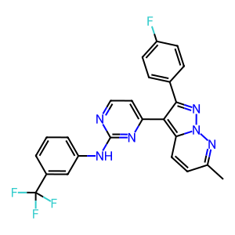 | 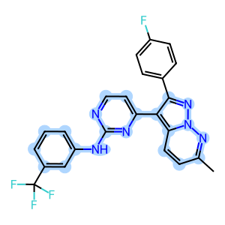 | CHEMBL182493 | Cc1ccc2c(c3ccnc(Nc4cccc(c4)C(F)(F)F)n3)c(nn2n1)c5ccc(F)cc5 | N/A | 302524 | 1 | nM |  | TWQUOUJLNRGSRZ-UHFFFAOYSA-N | > |  | CHEMBL182493 |  | CHEMBL827377 | 21080 | 305637 | Binding affinity for human cyclin-dependent kinase 2 | Ki | CLD0 | Cyclin-dependent kinase 2 | uM | 1438958 | 19.95 | 19950. | Homo sapiens |  | > | 1 | Ki
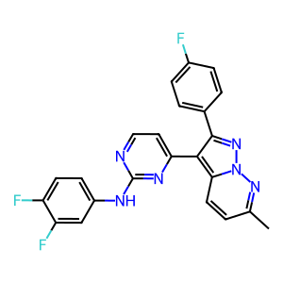 | 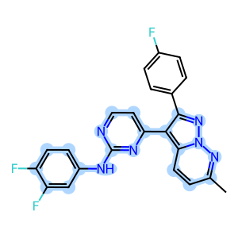 | CHEMBL182326 | Cc1ccc2c(c3ccnc(Nc4ccc(F)c(F)c4)n3)c(nn2n1)c5ccc(F)cc5 | N/A | 302524 | 1 | nM | N/A | CYHPFZLFUXOCJJ-UHFFFAOYSA-N | > | N/A | CHEMBL182326 | N/A | CHEMBL827377 | 21080 | 305651 | Binding affinity for human cyclin-dependent kinase 2 | Ki | CLD0 | Cyclin-dependent kinase 2 | uM | 1438962 | 19.95 | 19950. | Homo sapiens | N/A | > | 1 | Ki | N/A
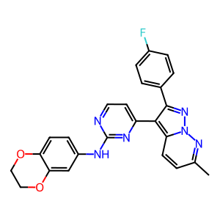 | 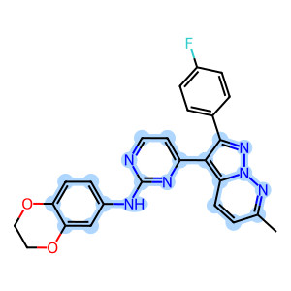 | CHEMBL183064 | Cc1ccc2c(c3ccnc(Nc4ccc5OCCOc5c4)n3)c(nn2n1)c6ccc(F)cc6 | N/A | 302524 | 1 | nM | N/A | MYSOMHSTKVRJRA-UHFFFAOYSA-N | > | N/A | CHEMBL183064 | N/A | CHEMBL827377 | 21080 | 305664 | Binding affinity for human cyclin-dependent kinase 2 | Ki | CLD0 | Cyclin-dependent kinase 2 | uM | 1439061 | 19.95 | 19950. | Homo sapiens | N/A | > | 1 | Ki | N/A
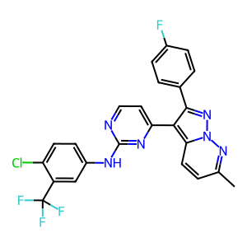 | 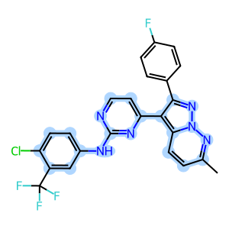 | CHEMBL361038 | Cc1ccc2c(c3ccnc(Nc4ccc(Cl)c(c4)C(F)(F)F)n3)c(nn2n1)c5ccc(F)cc5 | N/A | 302524 | 1 | nM | N/A | VUGNSTAXWJUVEZ-UHFFFAOYSA-N | > | N/A | CHEMBL361038 | N/A | CHEMBL827377 | 21080 | 305674 | Binding affinity for human cyclin-dependent kinase 2 | Ki | CLD0 | Cyclin-dependent kinase 2 | uM | 1439063 | 19.95 | 19950. | Homo sapiens | N/A | > | 1 | Ki | N/A
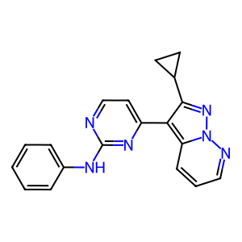 | 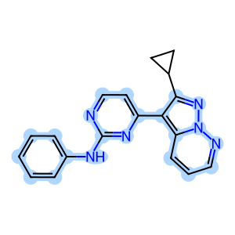 | CHEMBL362296 | C1CC1c2nn3ncccc3c2c4ccnc(Nc5ccccc5)n4 | 5.4 | 302524 | 1 | nM | N/A | BWBMBCPGRIOUNV-UHFFFAOYSA-N | = | N/A | CHEMBL362296 | N/A | CHEMBL827377 | 21080 | 305687 | Binding affinity for human cyclin-dependent kinase 2 | Ki | CLD0 | Cyclin-dependent kinase 2 | uM | 1439065 | 3.98 | 3980. | Homo sapiens | N/A | = | 1 | Ki | N/A
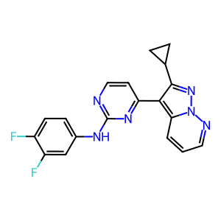 | 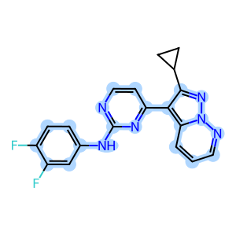 | CHEMBL185516 | Fc1ccc(Nc2nccc(n2)c3c(nn4ncccc34)C5CC5)cc1F | N/A | 302524 | 1 | nM | N/A | JDLIQIUDELHLFR-UHFFFAOYSA-N | > | N/A | CHEMBL185516 | N/A | CHEMBL827377 | 21080 | 305693 | Binding affinity for human cyclin-dependent kinase 2 | Ki | CLD0 | Cyclin-dependent kinase 2 | uM | 1439067 | 19.95 | 19950. | Homo sapiens | N/A | > | 1 | Ki | N/A
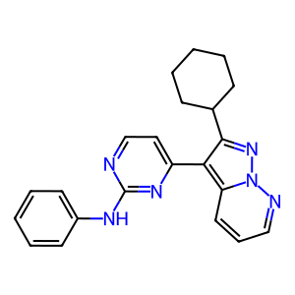 | 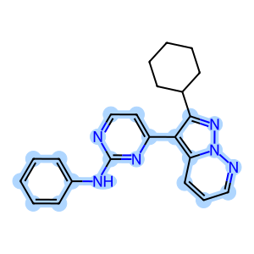 | CHEMBL273870 | C1CCC(CC1)c2nn3ncccc3c2c4ccnc(Nc5ccccc5)n4 | N/A | 302524 | 1 | nM | N/A | DDFQLGDFPMLUMW-UHFFFAOYSA-N | > | N/A | CHEMBL273870 | N/A | CHEMBL827377 | 21080 | 305763 | Binding affinity for human cyclin-dependent kinase 2 | Ki | CLD0 | Cyclin-dependent kinase 2 | uM | 1439069 | 19.95 | 19950. | Homo sapiens | N/A | > | 1 | Ki | N/A
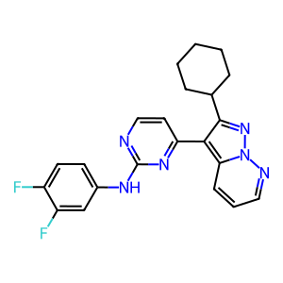 | 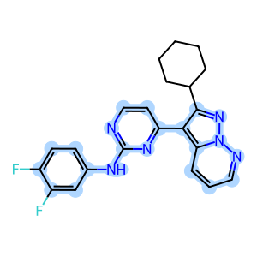 | CHEMBL185044 | Fc1ccc(Nc2nccc(n2)c3c(nn4ncccc34)C5CCCCC5)cc1F | N/A | 302524 | 1 | nM | N/A | ZFSROZCISCIVQI-UHFFFAOYSA-N | > | N/A | CHEMBL185044 | N/A | CHEMBL827377 | 21080 | 305783 | Binding affinity for human cyclin-dependent kinase 2 | Ki | CLD0 | Cyclin-dependent kinase 2 | uM | 1439071 | 19.95 | 19950. | Homo sapiens | N/A | > | 1 | Ki | N/A
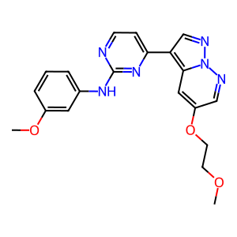 | 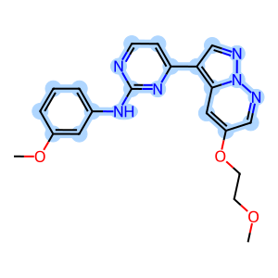 | CHEMBL180593 | COCCOc1cnn2ncc(c3ccnc(Nc4cccc(OC)c4)n3)c2c1 | N/A | 302524 | 1 | nM | N/A | IEKJNVAHFVQHKN-UHFFFAOYSA-N | > | N/A | CHEMBL180593 | N/A | CHEMBL827377 | 21080 | 305804 | Binding affinity for human cyclin-dependent kinase 2 | Ki | CLD0 | Cyclin-dependent kinase 2 | uM | 1439073 | 19.95 | 19950. | Homo sapiens | N/A | > | 1 | Ki | N/A
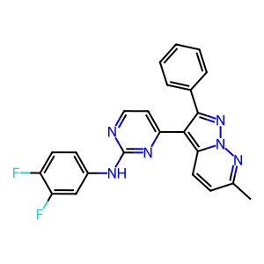 | 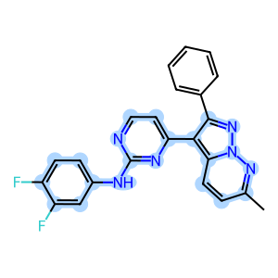 | CHEMBL364197 | Cc1ccc2c(c3ccnc(Nc4ccc(F)c(F)c4)n3)c(nn2n1)c5ccccc5 | N/A | 302524 | 1 | nM | N/A | OOFICCWOSHSLFS-UHFFFAOYSA-N | > | N/A | CHEMBL364197 | N/A | CHEMBL827377 | 21080 | 312679 | Binding affinity for human cyclin-dependent kinase 2 | Ki | CLD0 | Cyclin-dependent kinase 2 | uM | 1465916 | 19.95 | 19950. | Homo sapiens | N/A | > | 1 | Ki | N/A

