Sheet1
ATC code | Chronic disease | Medication class(es) | order
B01A | Heart disease | Anti-coagulants | 1
B02 |  | Hemostatics | 1
C01 |  | Cardiac agents | 1
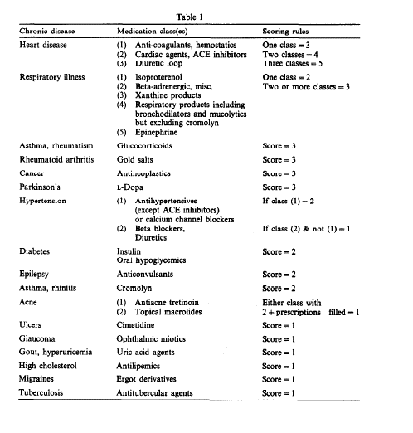
C03C |  | Diuretic loop | 1
C09A |  | ACE inhibitors (plain) | 1
C09B |  | ACE inhibitors (combinations) | 1
C01CA | Respiratory illness | Epinephrine, isoproterenol | 2
R05CB, R03BA, R03BB, R01, R02, R06, R07 |  | Resp. products incl bronchodilators excl cromolyn. | 2
R03C |  | Beta-adrenergic, misc. (for systemic use) | 2
R03DA |  | Xanthine products | 2
R03A |  | Beta-adrenergic, misc. (inhalants) | 2
H02AB | Asthma, rheumatism | Glucocorticoids | 3
M01CB | Rheumatoid arthritis | Gold salts | 4
L01 | Cancer | Antineoplastics | 5
N04BA | Parkinson’s | Levodopa | 6
C02 | Hypertension | Antihypertensives (except ACE inhibitors) | 7
C03A |  | Diuretics | 7
C03B |  | Diuretics | 7
C03D |  | Diuretics | 7
C03E |  | Diuretics | 7
C03X |  | Diuretics | 7
C07 |  | Beta blockers | 7
C08 |  | Calcium channel blockers | 7
A10A | Diabetes | Insulin | 8
A10B |  | Oral hypoglecemics | 8
N03 | Epilepsy | Anticonvulsants | 9
R03BC01 | Asthma, rhinitis | Cromolyn | 10
D10AD01 | Acne | Antiacne tretinoin | 11
D10AF |  | Topical macrolides | 11
A02BA01 | Ulcers | Cimetidine | 12
S01E | Glaucoma | Ophthalmic miotics | 13
M04AA | Gout, hyperuricemia | Uric acid agents | 14
M04AB |  | Uric acid agents | 14
C10 | High cholesterol | Antilipemics | 15
N02CA | Migraines | Ergot derivatives | 16
J04 | Tuberculosis | Antitubercular agents | 17

