LoRa_Solenoid
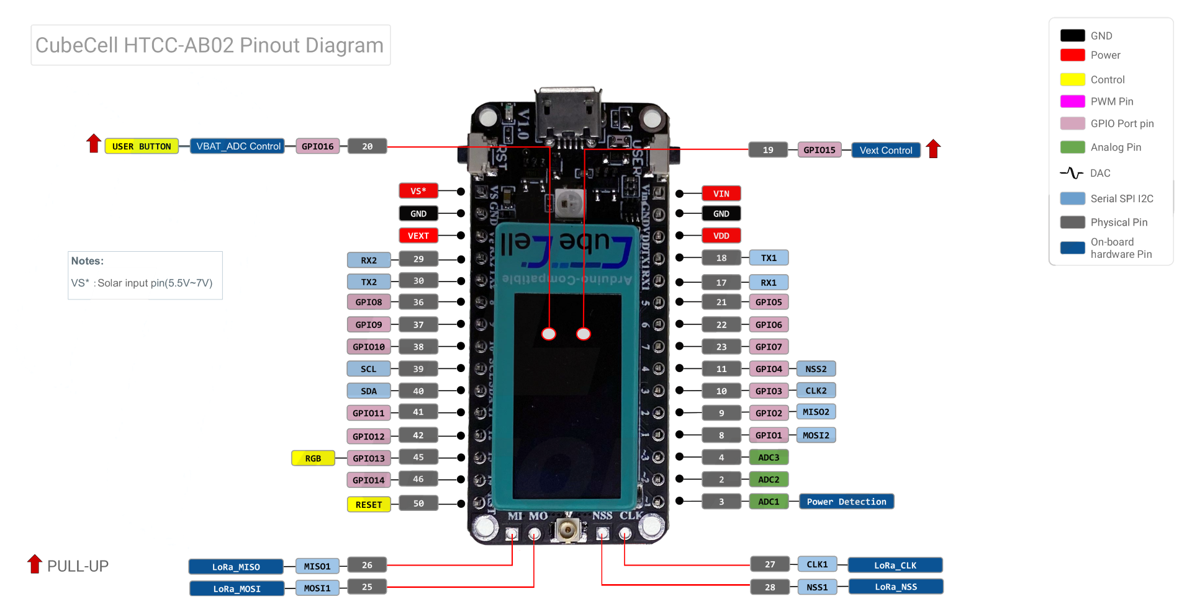

MOTOR | PCB_NAME | PIN_NAME | HTCC-AB02 BOARD |  | PIN_NAME | PCB_NAME | MOTOR | PRESSURE
 | Solar + | VS | 1 | 1 | VIN
 | GND | GND | 2 | 2 | GND
 | 3.3V | VEXT | 3 | 3 | VDD | 5V
LTE_SIM | RS485 | UART_RX2 | 4 | 4 | UART_RX1
LTE_SIM | RS485 | UART_TX2 | 5 | 5 | UART_TX1
 | SLR_5V | GPIO8 | 6 | 6 | GPIO5 | BUZZER | BUZZER | BUZZER
 | SENSE_5V | GPIO9 | 7 | 7 | GPIO6 | PUSH_BUT | PUSH_BUT | PUSH_BUT
SLR1_F | SLR1_F | GPIO10 | 8 | 8 | GPIO7 | FLOW | FLOW | FLOW
 |  | SCL | 9 | 9 | GPIO4
 |  | SDA | 10 | 10 | GPIO3
SLR1_B | SLR1_B | GPIO11 | 11 | 11 | GPIO2
 | SLR2_F | GPIO12 | 12 | 12 | GPIO1
RGB | RGB | GPIO13 | 13 | 13 | ADC3 | TEMP | CURRENT | PRESSURE
 | SLR2_B | GPIO14 | 14 | 14 | ADC2 | PRESSURE | CURRENT | PRESSURE
 |  | RST | 15 | 15 | ADC1

 |  |  | AVAILABLE | SOLENOID | CURRENT | PRESSURE | FLOW | RELAY

 |  |  | PINS/WIRES | 2 | 4 | 3 | 3 | 2+2

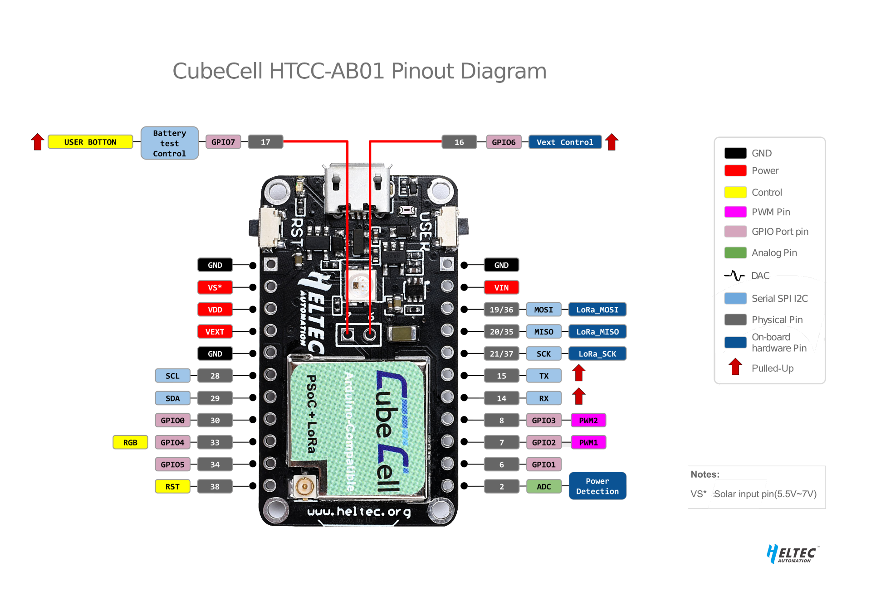

LTE_SIM
LTE_SIM

