MOSFETs
BSC007N04LS6ATMA1
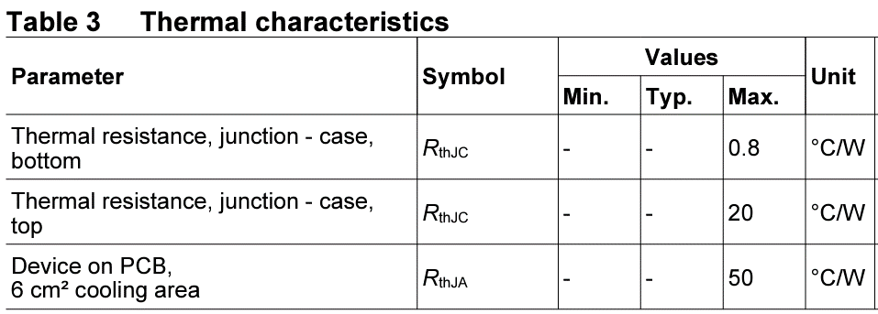

assumptions:
worst case ambient (°C) | 60
Rds_on @ 100 °C | 0.0013
DC Amps | 200
Top Side Cooled (°C/W) | 20
Bottom Side Cooled (°C/W) | 0.8
Ambient Cooled (°C/W) | 50

Num FETs Parallel | Bot Side Cooled (°C) | Top Side Cooled (°C) | Ambient Cooled (°C)
1 | 101.6 | 1100 | 2660
2 | 70.4 | 320 | 710
3 | 64.62 | 175.56 | 348.89
4 | 62.6 | 125 | 222.5
5 | 61.66 | 101.6 | 164
6 | 61.16 | 88.89 | 132.22
7 | 60.85 | 81.22 | 113.06
8 | 60.65 | 76.25 | 100.63
9 | 60.51 | 72.84 | 92.1
10 | 60.42 | 70.4 | 86
11 | 60.34 | 68.6 | 81.49
12 | 60.29 | 67.22 | 78.06
13 | 60.25 | 66.15 | 75.38
14 | 60.21 | 65.31 | 73.27
15 | 60.18 | 64.62 | 71.56
16 | 60.16 | 64.06 | 70.16
17 | 60.14 | 63.6 | 69
18 | 60.13 | 63.21 | 68.02
19 | 60.12 | 62.88 | 67.2
20 | 60.1 | 62.6 | 66.5

