summary + plot
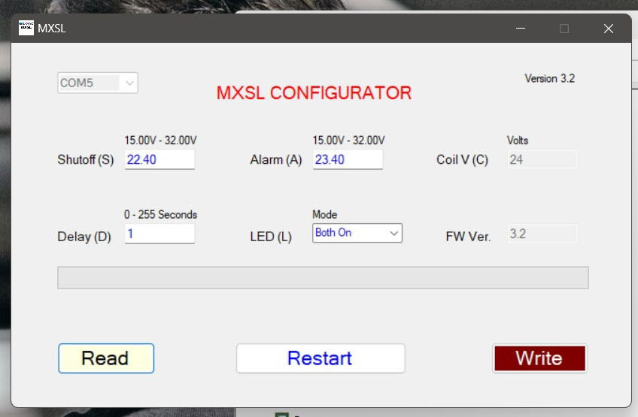
 | per cell (V) | pack (V) | dV as percentage |  | Energy (kWh)
datasheet minV | 2.5 | 20 | 68.49% | Ptot_15Ws | 3077057.16 |  |  | Gigavac Warn: | 23.4V
datasheet maxV | 3.65 | 29.2 |  | Ptot_Ws | 46155857.4 |  |  | Gigavac Shutoff: | 22.4V
 |  |  |  | Ptot_Wm | 769264.29 |  |  | Gigavac Delay: | 1s
BMS minV | 2.75 | 22 | 75.34% | Ptot_Wh | 12821.07
BMS maxV | 3.65 | 29.2 |  | Ptot_kWh | 12.82 | 108.87% | Actual vs rated pack capacity
 |  |  |  |  | Ah | 250.390625 | Ah per cell
actual minV | 2.93 | 23.44 | 81.87% | Ah (12V) | 1001.6460937
actual maxV | 3.58 | 28.63 |  | Ah (24V) | 500.82304687

Depleted to Full Charge, Voltage & Current vs. Time
 | Voltage | Current
0 | 23.4398322 | -0.026652793433
15.006219 | 23.440262564 | -0.026287486288
30.006223015 | 23.440521022 | -0.025903968664
45.006212015 | 23.440707176 | -0.026411772561
60.006216939 | 23.440900578 | -0.026215738145
75.006221939 | 23.441071873 | -0.026045669095
90.006229 | 23.441246128 | -0.025976247006
105.006221 | 23.441378937 | -0.025852235796
120.00622001 | 23.441552198 | -0.025721866415
135.00621101 | 23.520584692 | 7.2126667524
150.00622502 | 24.183854127 | 29.92245481
165.00621802 | 24.411651738 | 33.111690784
180.00619901 | 23.554530054 | -0.026112307808
195.00621702 | 23.655273112 | 6.201853212
210.00620192 | 24.371074664 | 28.293732184
225.00620793 | 24.49209877 | 36.134915572
240.00620402 | 24.650266532 | 36.006061367
255.00621802 | 24.693637037 | 35.94522453
270.00621202 | 24.734589737 | 35.881908892
285.00621502 | 24.775952013 | 35.80336194
300.00620686 | 24.810883528 | 35.859142313
315.00620986 | 24.845145004 | 35.780700618
330.006224 | 24.879471696 | 35.707821014
345.006204 | 24.912192711 | 35.715326776
360.00621891 | 24.941157388 | 35.699760114
375.00622791 | 24.970044004 | 35.551103495
390.00622895 | 25.00004295 | 35.571174058
405.00620795 | 25.027934583 | 35.504370987
420.00621495 | 25.052811813 | 35.484085522
435.00621095 | 25.078142972 | 35.468232237
450.00623294 | 25.105093602 | 35.426717632
465.00621494 | 25.128962066 | 35.403996292
480.00622283 | 25.152994836 | 35.426140597
495.00619383 | 25.176257982 | 35.312188201
510.00621 | 25.198462735 | 35.233674939
525.006201 | 25.220803978 | 35.301818933
540.00620101 | 25.242836165 | 35.23824976
555.00622802 | 25.262798323 | 35.210025522
570.006211 | 25.284994475 | 35.134421054
585.00621 | 25.302393346 | 35.13523902
600.00622602 | 25.325697147 | 35.208411686
615.00621201 | 25.344529971 | 35.072524138
630.00619498 | 25.365172623 | 35.082393884
645.00620098 | 25.381638399 | 35.087768389
660.00620601 | 25.399257763 | 35.002299788
675.00621101 | 25.418777394 | 35.02672493
690.00621001 | 25.437745814 | 34.992412793
705.00620101 | 25.454493448 | 34.959152534
720.00621492 | 25.473000349 | 34.921378826
735.00621492 | 25.489242533 | 34.900434741
...

 |  |  |  |  |  |  |  |  |  | Meanwell Supply Settings
 |  |  |  |  |  |  |  |  |  | PV | 1.65V | 30V on output
 |  |  |  |  |  |  |  |  |  | PC | 5.0V | 100% CC

batt_info
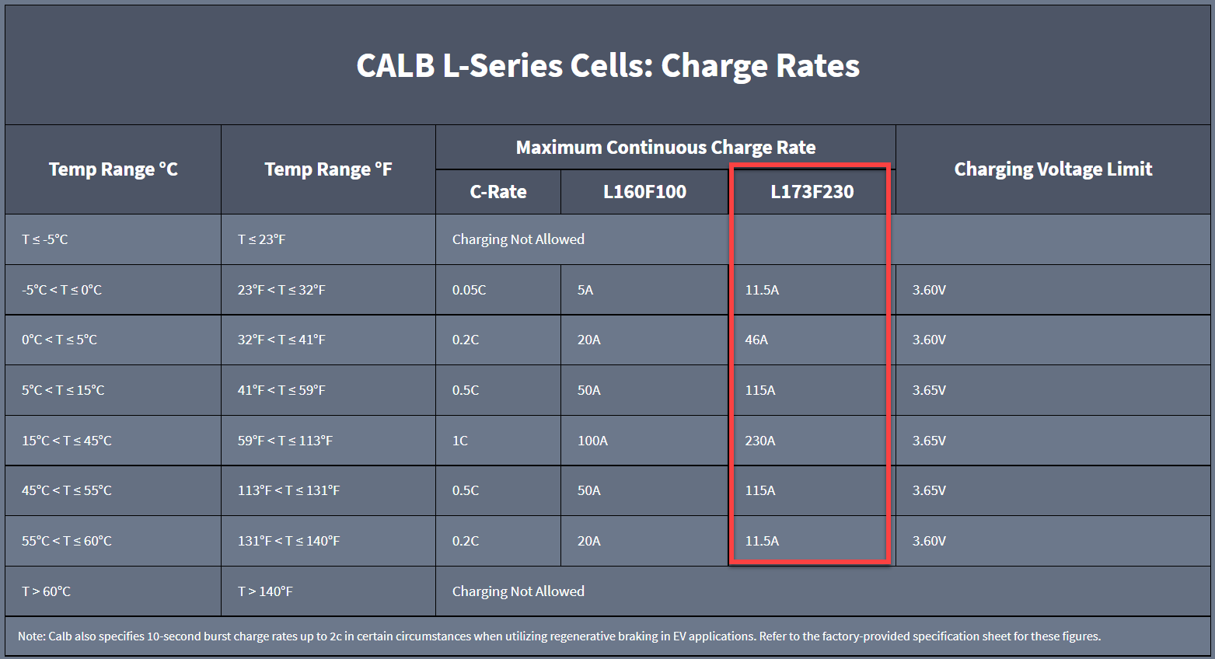
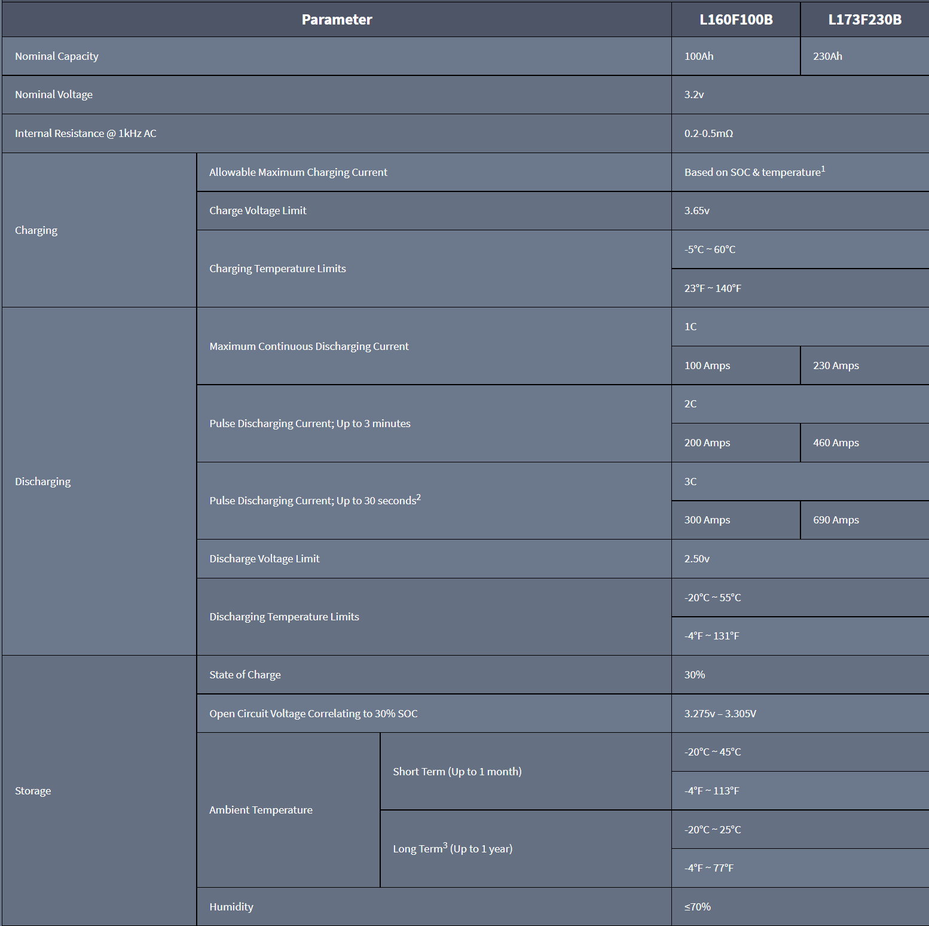
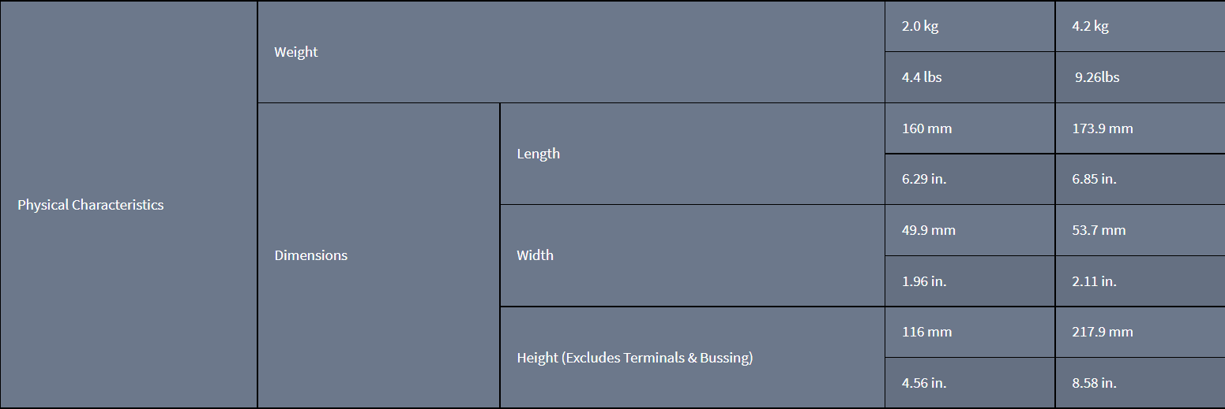
CALB L-Series L173F230

Nominal Capacity | 230 | Ah
Measured Capacity | 250.390625 | Ah
Nominal Voltage | 3.2 | V
Internal Resistance @ 1kHz AC | 0.2-0.5 | mOhm

Charging Allowable Maximum Current | Based on SOC & temperature
Charging Voltage Limit | 3.65 | V
Charging Temperature Limits (C) | -5 to 60 | °C
Charging Temperature Limits (F) | 23 to 140 | °F

Discharging Maximum Continuous Current | 230 | A
Discharging Pulse Current; Up to 3 minutes | 460 | A
Discharging Pulse Current; Up to 30 seconds | 690 | A
Discharging Voltage Limit | 2.5 | V
Discharging Temperature Limits (C) | -20 to 55 | °C
Discharging Temperature Limits (F) | -4 to 131 | °F

Storage State of Charge (SoC) | 30 | %
Storage OCV correlating to 30% SoC | 3.275 to 3.305 | V
Storage Short Term Ambient Temp (C) | -20 to 45 | °C
Storage Short Term Ambient Temp (F) | -4 to 113 | °F
Storage Long Term Ambient Temp (C) | -5 to 25 | °C
Storage Long Term Ambient Temp (F) | -4 to 77 | °F
Storage Humidity | ≤70 | %

Weight | 9.26 | lbs | 148.16 | lbs for 16 cells
Length | 173.9 | mm
Width | 53.7 | mm
Height (excludes terminals and bussing) | 217.9 | mm

